7.2
Indicator 7.2: Portal user-friendliness |  |  |  |  | Indicator 7.2: Portal user-friendliness
User-friendliness |  |  |  |  | User-friendliness |  |  |  |  | Visual harmonisation score
7.2.1 User-friendliness | Date [1] | Portal [2] |  |  | 7.2.1 User-friendliness | Date [1] | Portal [2] |  |  | 7.2.2 Visual Harmonisation score | Date | Portal | Visual harmonisation score
 | 2018-10-05 | Bathimetry | Figures have been downloaded here |  |  | 09/01/2019 | Bathymetry | Figures have been downloaded here |  |  | 09/01/2019 | Bathymetry | 76
Page | Average duration of visit |  | Trend* (%) | Page Type [3] | Page | Average duration of visit |  | Trend* (%) | Page Type [3] | Harmonisation elements | Description |  | Score [1] | Trend
 | Last Report | Actual Report |  |  |  | Last Report | Actual Report
Home page | 0:01:23 | 0:01:14 | -10.843373494 | Landing | Home page | 0:01:14 | 0:01:14 | 0 | Landing |  |  |  | (3 1 0) | (+ - =)
Viewing and downloading service | 0:01:55 | 0:01:57 | 1.7391304348 | Content | Viewing and downloading service | 0:01:57 | 0:01:52 | -4.2735042735 | Content | Logo usage | subtotal |  | 12/12
QA/QC and DTM production details | 0:01:55 | 0:01:14 | -35.652173913 | Content | QA/QC and DTM production details | 0:01:14 | 0:01:29 | 20.27027027 | Content | Logo position |  |  | 3 | (+ - =)
Web services and standards | 0:00:54 | 0:01:38 | 81.481481481 | Navigation | Web services and standards | 0:01:38 | 0:01:33 | -5.1020408163 | Navigation | Logo type |  |  | 3
CDI Data Discovery and Access service | 0:02:28 | 0:01:14 | -50 | Navigation | CDI Data Discovery and Access service | 0:01:14 | 0:01:35 | 28.378378378 | Navigation | Logo size |  |  | 3
Request Status Manager (RSM) | 0:00:18 | 0:00:40 | 122.22222222 | Navigation | Request Status Manager (RSM) | 0:00:40 | 0:00:27 | -32.5 | Navigation | Logo url |  |  | 3
How can I contribute? | 0:00:12 | 0:00:12 | 0 | Navigation | How can I contribute? | 0:00:12 | 0:00:12 | 0 | Navigation | Font usage | subtotal |  | 15/15
[1] Date is the date of measurement, preferably on the 1st of each month. |  |  |  |  | [1] Date is the date of measurement, preferably on the 1st of each month. |  |  |  |  | Font type |  |  | 3 | (+ - =)
[2] Portal is the portal’s name. |  |  |  |  | [2] Portal is the portal’s name. |  |  |  |  | Font usage (capital letters, etc.) |  |  | 3
[3] Three different types of pages have been defined: content page [maps, tables, articles…], |  |  |  |  | [3] Three different types of pages have been defined: content page [maps, tables, articles…], |  |  |  |  | Font spacing |  |  | 3
navigation page [menus, lists of links for services or other kinds of content…], landing page (see the Monitoring Support Document). |  |  |  |  | navigation page [menus, lists of links for services or other kinds of content…], landing page (see the Monitoring Support Document). |  |  |  |  | Font colour |  |  | 3
 |  |  |  |  |  |  |  |  |  | Font justification |  |  | 3
Automatic user flow |  |  |  |  | Automatic user flow |  |  |  |  | Webportal header | subtotal |  | 18/21
 |  |  |  |  |  |  |  |  |  | Pattern usage |  |  | 3
 |  |  |  |  |  |  |  |  |  | Header size |  |  | 3
 |  |  |  |  |  |  |  |  |  | Search box |  |  | 3
 |  |  |  |  |  |  |  |  |  | Contact Us button |  |  | 3
Usage of the portals on different devices |  |  |  |  | Usage of the portals on different devices |  |  |  |  | Submit Data button |  |  | 3
 |  |  |  |  | 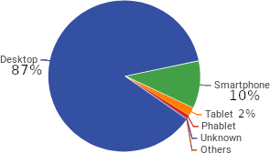 |  |  |  |  | Favicon |  | Wrong favicon https://drive.google.com/drive/folders/0BxElepoDm95sZXZaYzFKNDN2RGs ← Guidelines refer to this instead | 0
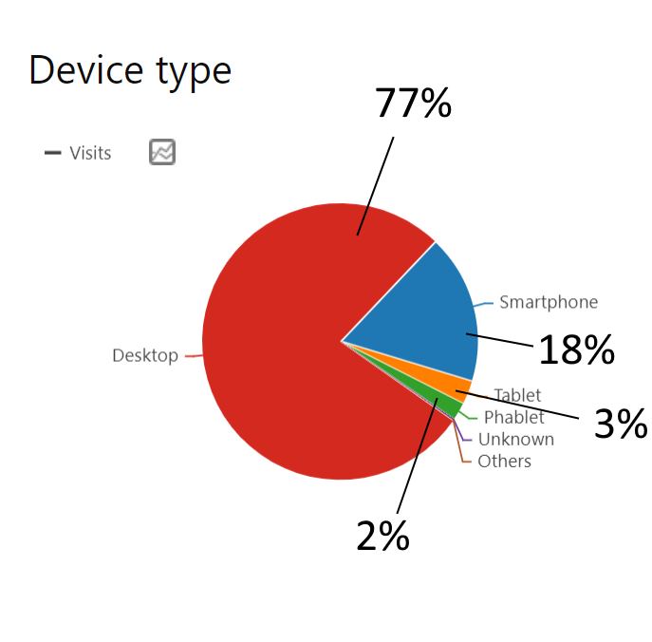
 |  |  |  |  |  |  |  |  |  | Stripline colour |  |  | 3
 |  |  |  |  |  |  |  |  |  | Footer structure | subtotal |  | 21/21 | (+ - =)
 |  |  |  |  |  |  |  |  |  | Footer size |  |  | 3
 |  |  |  |  |  |  |  |  |  | Footer elements |  |  | 3
 |  |  |  |  |  |  |  |  |  | Footer visuals |  |  | 3
 |  |  |  |  |  |  |  |  |  | EC Acknowledgement |  |  | 3
 |  |  |  |  |  |  |  |  |  | EC flag |  |  | 3
 |  |  |  |  |  |  |  |  |  | Link to social media |  |  | 3
 |  |  |  |  |  |  |  |  |  | Social Media icons |  |  | 3
 |  |  |  |  |  |  |  |  |  | Policy Privacy | subtotal |  | 3/6
 |  |  |  |  |  |  |  |  |  | Presence |  |  | 3 | (+ - =)
 |  |  |  |  |  |  |  |  |  | GDPR compliant
 |  |  |  |  |  |  |  |  |  | Main menu | subtotal |  | 7/12
 |  |  |  |  |  |  |  |  |  | User experience |  |  | 3 | (+ - =)
 |  |  |  |  |  |  |  |  |  | Sub menu |  |  | 0
 |  |  |  |  |  |  |  |  |  | Menu tabs terminology |  | Replace "Approach" with "About" and "Promotion" with "Publications" | 1
 |  |  |  |  |  |  |  |  |  | Menu size |  |  | 3
 |  |  |  |  |  |  |  |  |  | Responsive |  |  | 3/3 | (+ - =)
 |  |  |  |  |  |  |  |  |  | [1] Compliant with the visual guidelines (3pt), Not completely compliant with the visual guidelines (1pt), Not compliant (0 pt).

