8(Analytics)
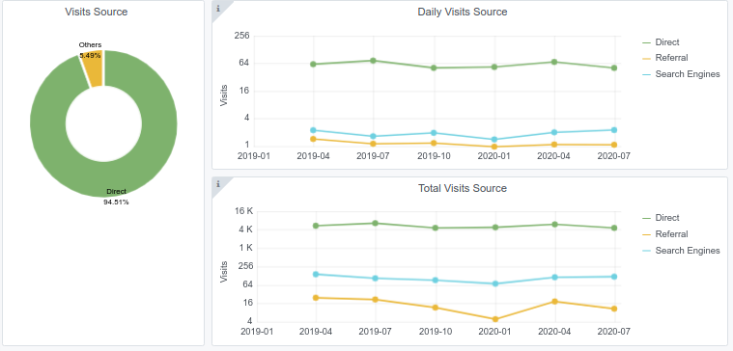
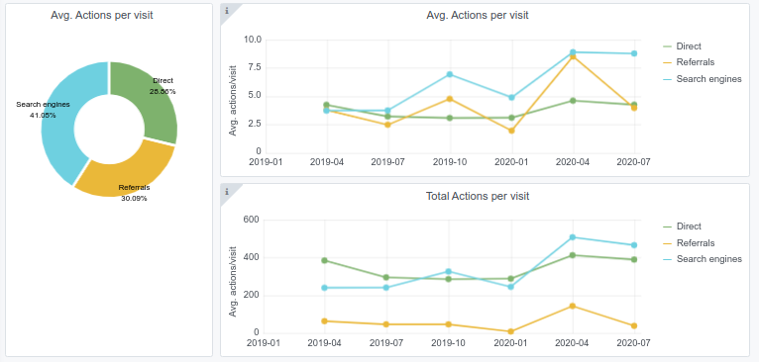
Copy-paste screenshots of the graphs of the information from dashboard
Indicator 8: Portal & Social Media visibility
8.1 Visibility & Analytics (Portal overview)
Reporting date | Portal name | Analytics tool
2020-07-01 | Chemistry | Matomo

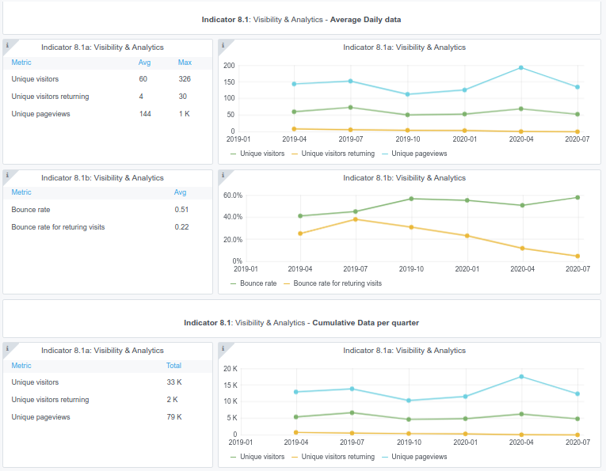

8.3 SEO assessment - Acquisitions
Reporting date | Portal name | Analytics tool
2020-07-01 | Chemistry | Matomo

