7(Analytics)
Copy-paste screenshots of the graphs of the information from dashboard
Indicator 7: Portal & Social Media visibility
7.1 Visibility & Analytics (Portal overview)
Reporting date | Portal name | Analytics tool
2020-10-01 | Biology | Matomo
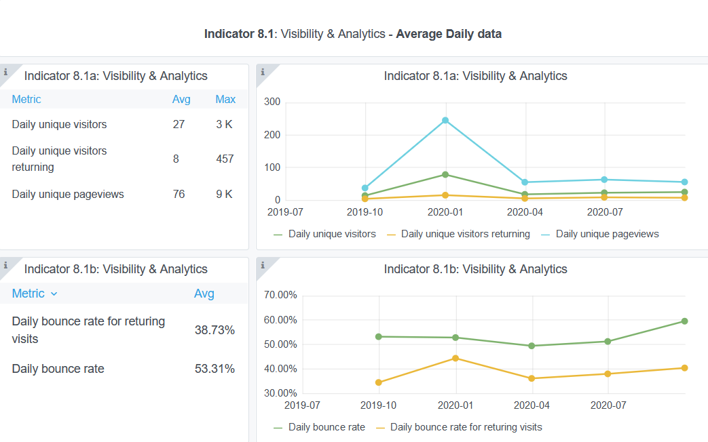

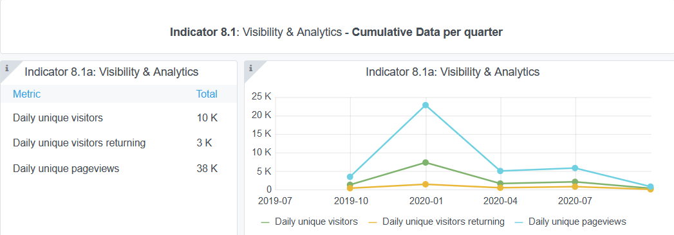

7.2 SEO assessment - Acquisitions
Reporting date | Portal name | Analytics tool
2020-10-01 | Biology | Matomo

Explanation of the trends and statistics
7.1) Visibility and Analytics | Numbers confirm the decrease in portal visits during the reporting period.
7.2) SEO assessment- Aquicistions | xxx

9-10-11(User stats)
Copy-paste screenshots of the graphs of the information from dashboard
Please refer to "Explanation of the trends and statistics" below
Indicator 9: Visibility & Analytics for web pages
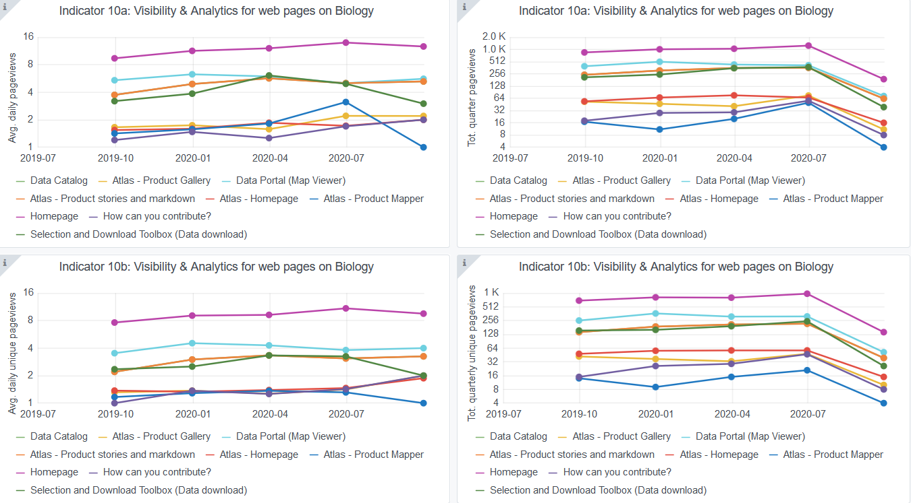

Indicator 10: Visibility & Analytics for web sections
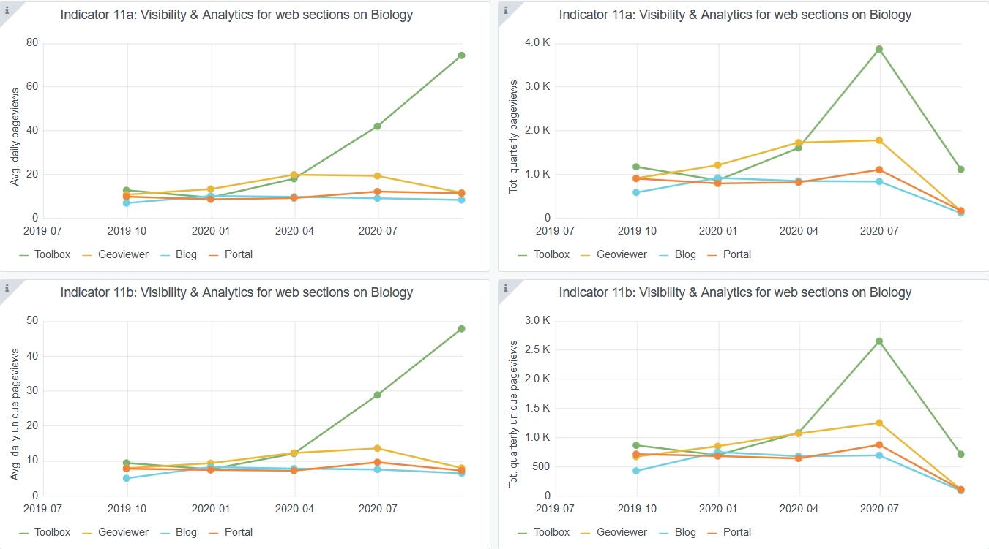

Indicator 11: Average visit duration for web pages

Explanation of the trends and statistics
9) Visibility & analytics for web pages | Numbers confirm the decrease in number of pageviews, associated with the decrease of user visits during the reporting period
10) Visibility & analytics for web sections | Similar to indicator 10, decrease in number of pageviews during the reporting period
11) Average visit duration for web pages | It is clear that accompanied with a decrease in visitor's numbers, there was also a decrease on the average visit duration to the website

