7(Analytics)
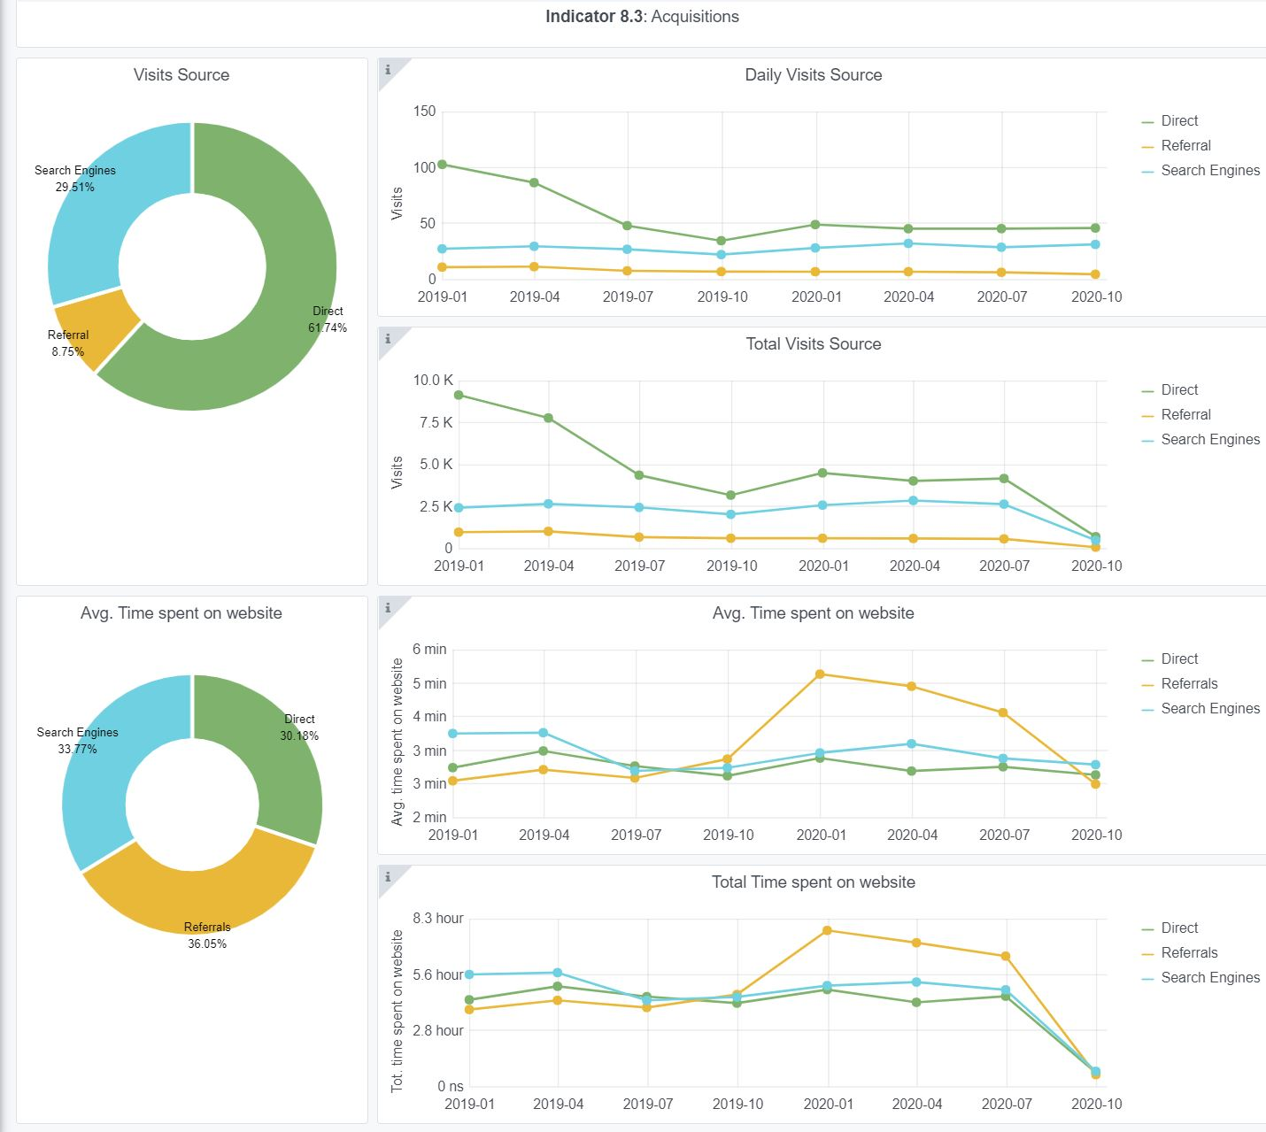
Copy-paste screenshots of the graphs of the information from dashboard
Indicator 7: Portal & Social Media visibility
7.1 Visibility & Analytics (Portal overview)
Reporting date | Portal name | Analytics tool
1-Oct-20 | Bathymetry | Matomo
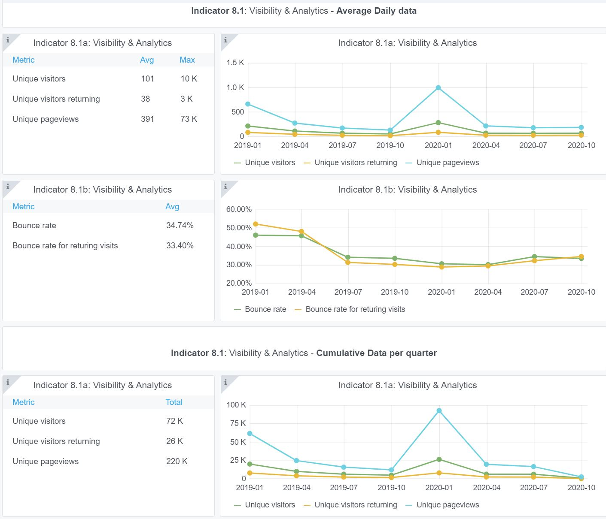

7.2 SEO assessment - Acquisitions
Reporting date | Portal name | Analytics tool
11-Oct-20 | Bathymetry | Matomo

9-10-11(User stats)
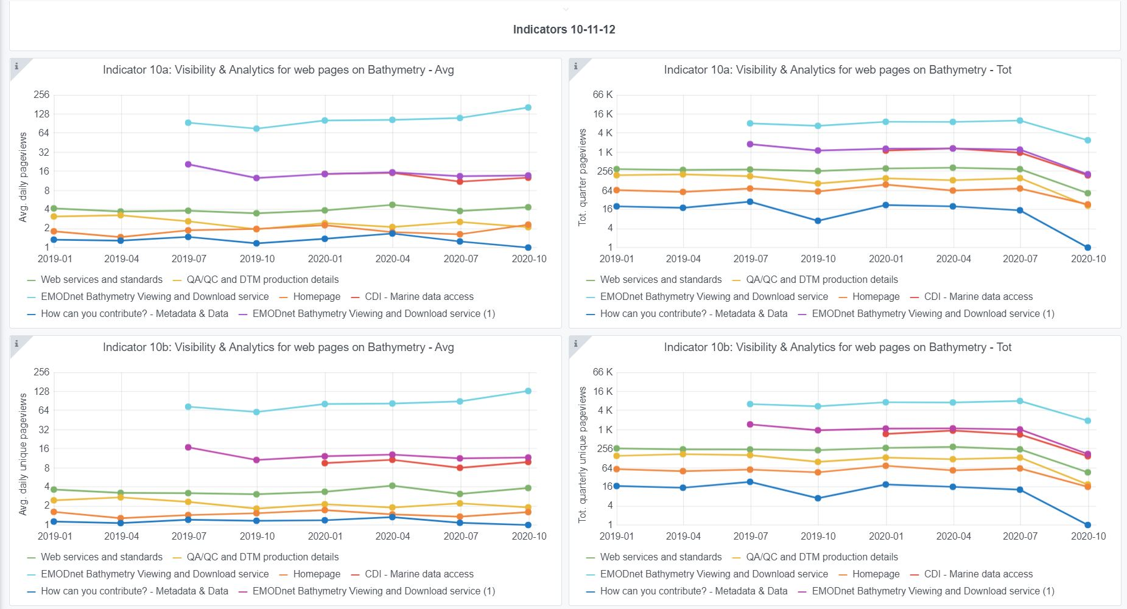
Copy-paste screenshots of the graphs of the information from dashboard
Please refer to "Explanation of the trends and statistics" below
Indicator 9: Visibility & Analytics for web pages

Indicator 10: Visibility & Analytics for web sections

Indicator 11: Average visit duration for web pages

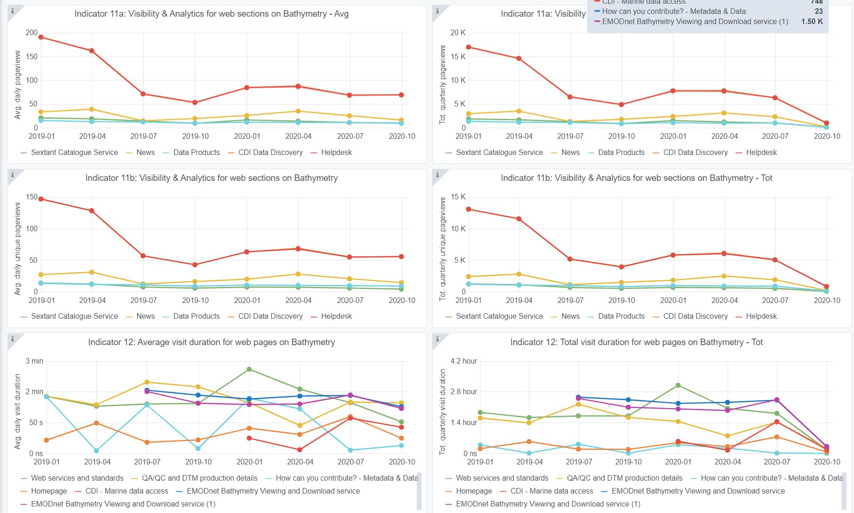

Explanation of the trends and statistics
9) Visibility & analytics for web pages | As expected and targeted, the pages related to the “EMODnet bathymetry viewing and Download Service” have the highest score and this traffic is very stable, like also other sections and services. This means that users spent the most time browsing and interacting with the viewing service which as many functions and overall is the most interesting product and service that EMODnet Bathymetry has to offer. From there, users also undertake downloading of DTM tiles which has a continuous high score of circa 8000 – 10000 downloaded DTM files per quarter.
10) Visibility & analytics for web sections | This indicator shows the interest of users for specific sections of the website, excluding the Bathymetry Viewing and Download service. Strangely enough, it seems that the helpdesk receives most attention, which could be an error in the colour used as it is more to expect that the CDI pages receive that attention. Although many feedback forms are received through the helpdesk, their numbers are far lower than the reported page views here, which needs to be validated.
11) Average visit duration for web pages | Average visit duration is erratic, ranging from few seconds to 2:30 minutes. The interpretation of this diagram is complex as it might be interpreted in terms of user’s interest but also as difficulty to understand the concept described on the web page.

