7(Analytics)
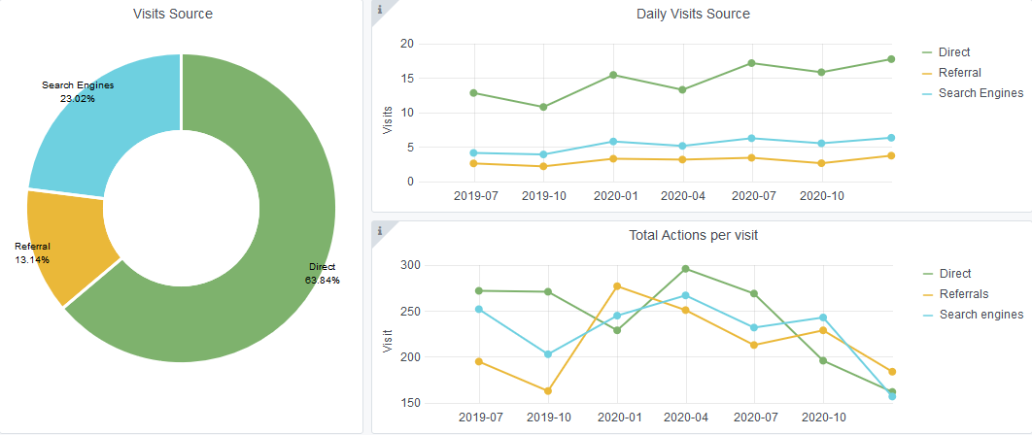
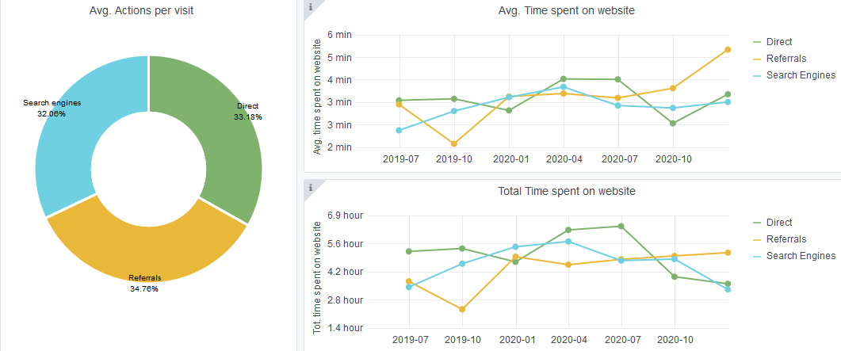
Copy-paste screenshots of the graphs of the information from dashboard
Indicator 7: Portal & Social Media visibility
7.1 Visibility & Analytics (Portal overview)
Reporting date | Portal name | Analytics tool
2020-01-15 | Biology | Matomo

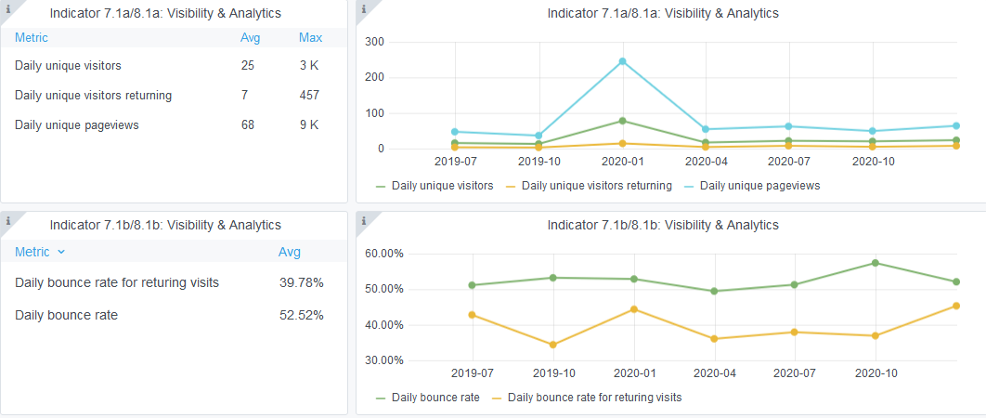

7.2 SEO assessment - Acquisitions
Reporting date | Portal name | Analytics tool
2020-01-15 | Biology | Matomo

9-10-11(User stats)
Copy-paste screenshots of the graphs of the information from dashboard
Please refer to "Explanation of the trends and statistics" below
Indicator 9: Visibility & Analytics for web pages

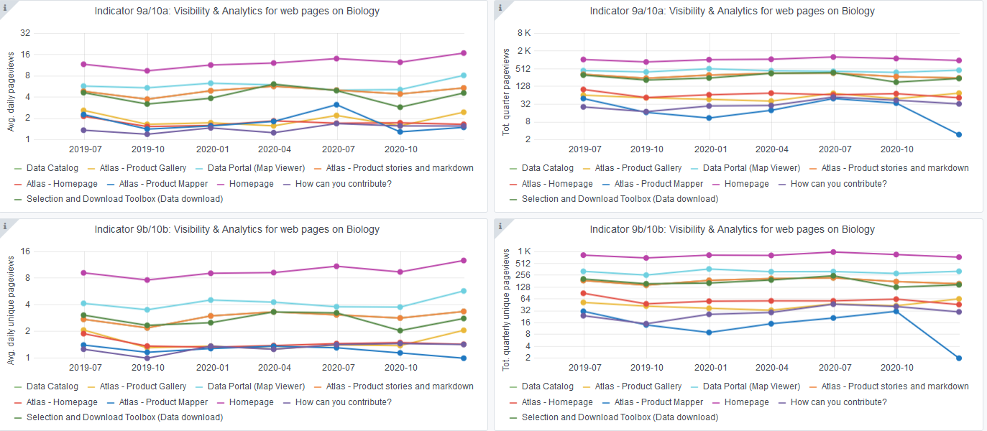

Indicator 10: Visibility & Analytics for web sections
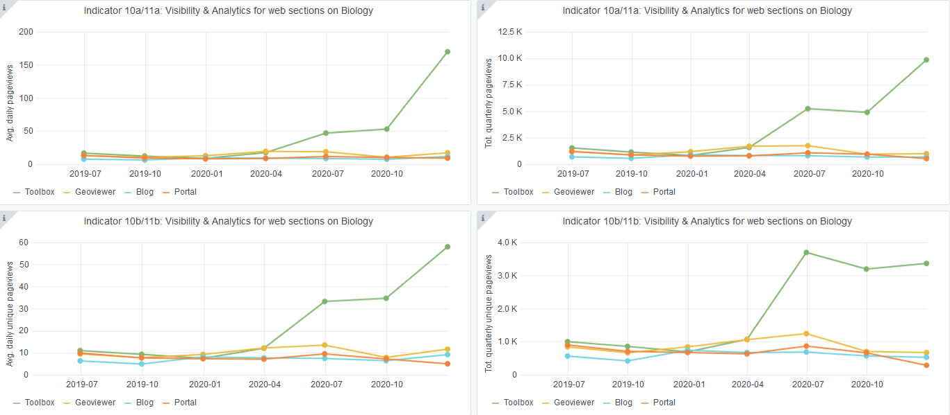

Indicator 11: Average visit duration for web pages

Explanation of the trends and statistics
9) Visibility & analytics for web pages | There were no significant changes in the number of views since the last quarter. Even though there was an increase in the number of data products downloaded, the product mapper page has not had significant views.
10) Visibility & analytics for web sections | The main page users are accessing is the download toolbox
11) Average visit duration for web pages | No significant change in visit duration since last quarter, with the product mapper page being the one with the least amount of time spent on

