7(Analytics)
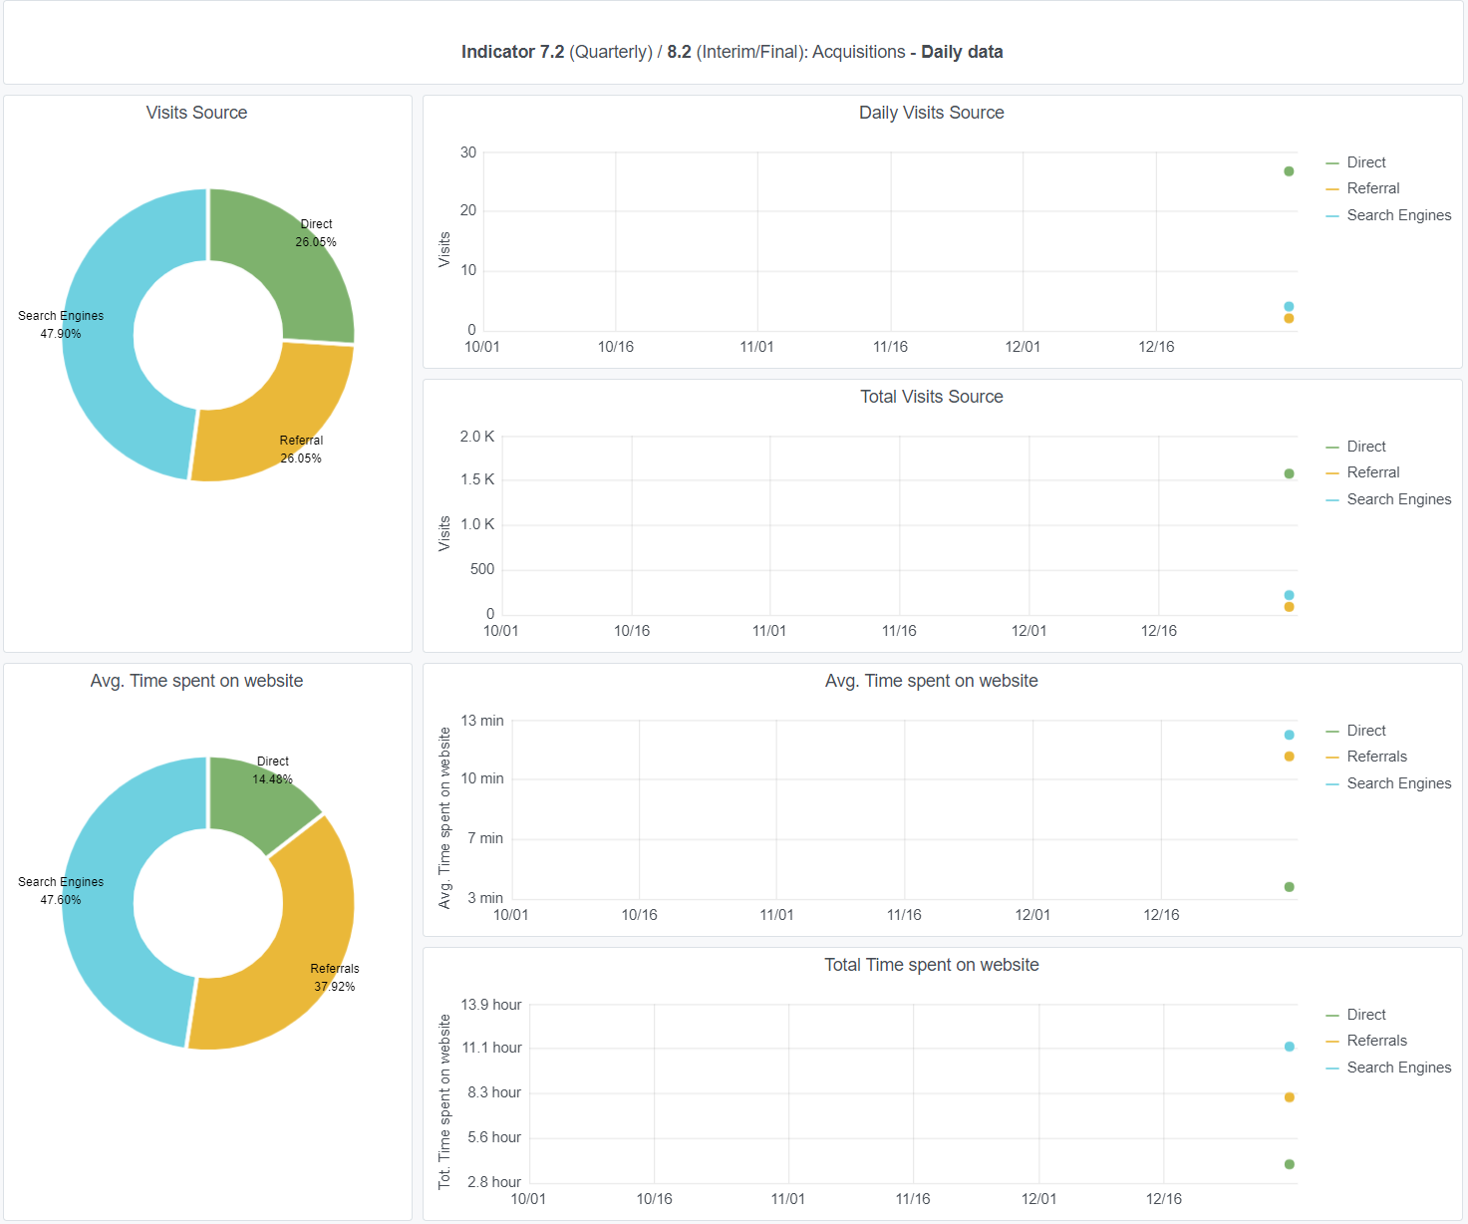
Copy-paste screenshots of the graphs of the information from dashboard
Indicator 7: Portal & Social Media visibility
7.1 Visibility & Analytics (Portal overview)
Reporting date | Portal name | Analytics tool
2021-01-15 | Seabed Habitats | Matomo
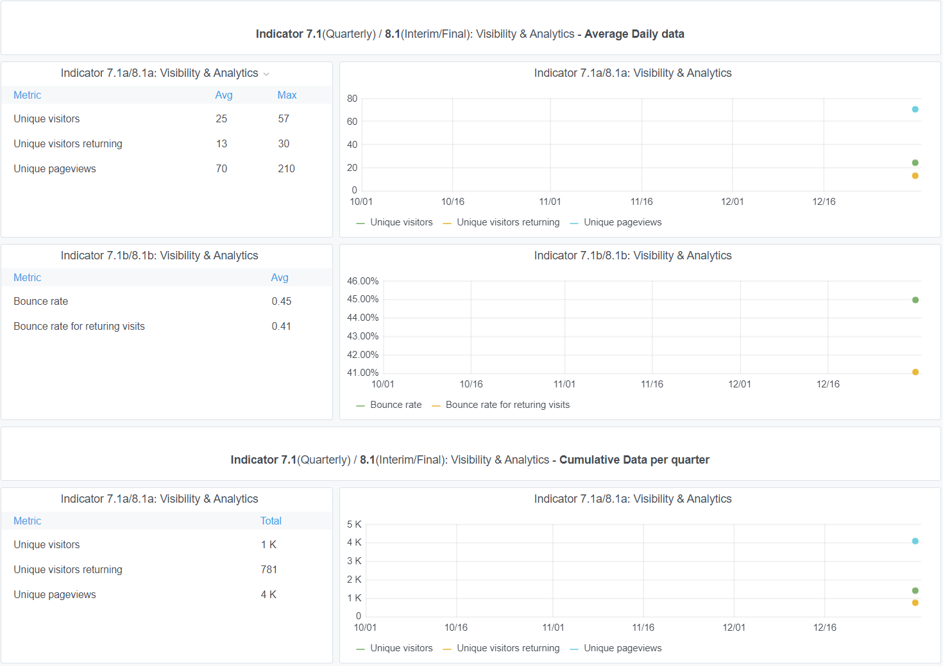

7.2 SEO assessment - Acquisitions
Reporting date | Portal name | Analytics tool
44211 | Seabed Habitats | Matomo

9-10-11(User stats)
Copy-paste screenshots of the graphs of the information from dashboard
Please refer to "Explanation of the trends and statistics" below
Indicator 9: Visibility & Analytics for web pages

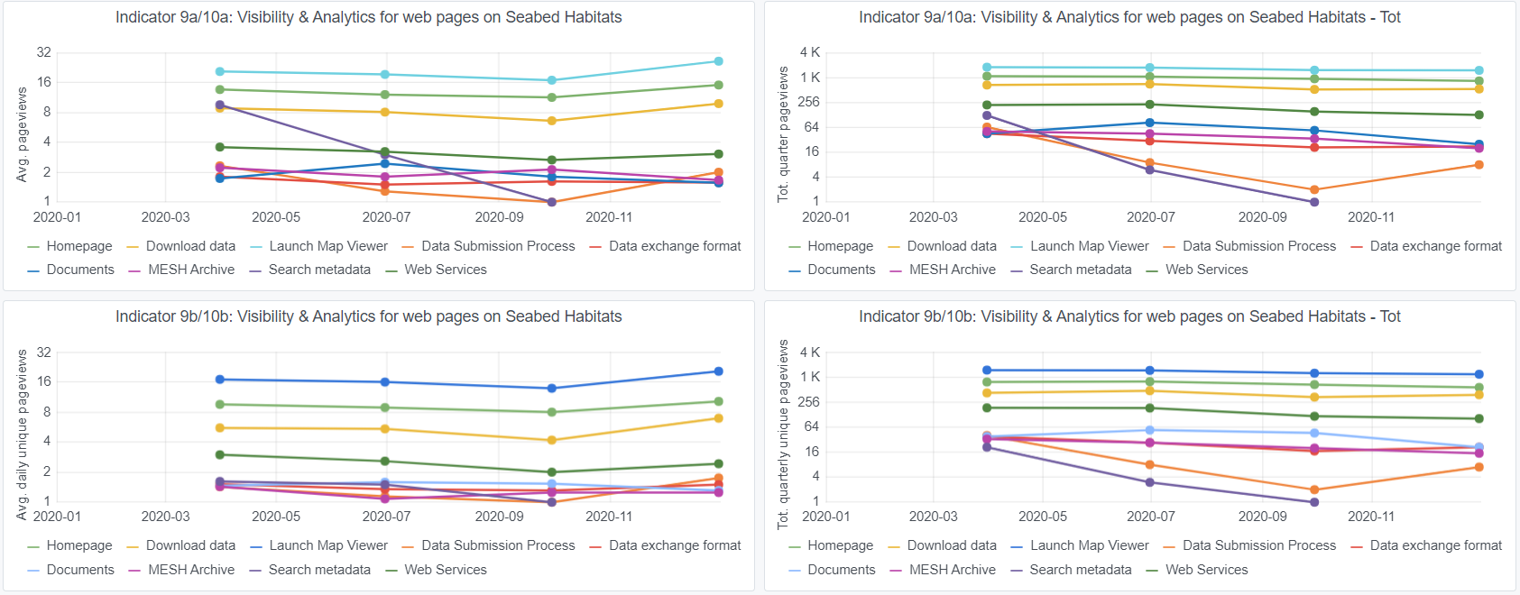

Indicator 10: Visibility & Analytics for web sections
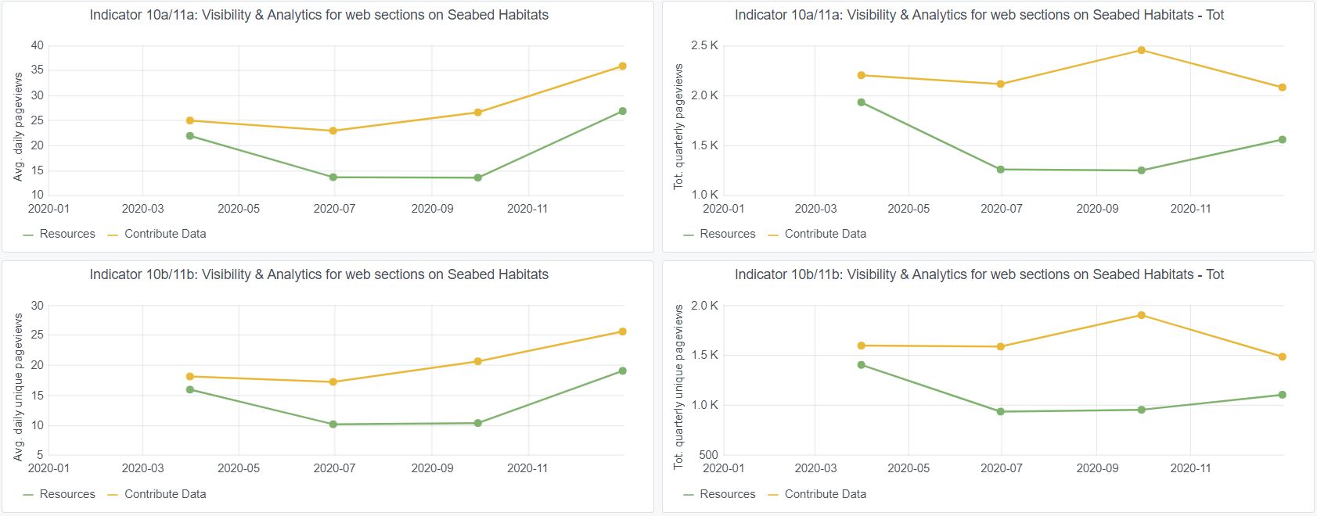

Indicator 11: Average visit duration for web pages

Explanation of the trends and statistics
9) Visibility & analytics for web pages | General trend in increase on data submission style pages (DSP and DEF pages) Remaining pages stable excepting notable decline in Metadata Search page. Considering downloads and views of data are relatively stable, this suggests that the map and portal themselves (and related ICES catalogue) are user-friendly enough to not require the metadata search page
10) Visibility & analytics for web sections | General trend in increase on data submission style pages (DSP and DEF pages) Remaining pages stable
11) Average visit duration for web pages | General trend in increase on data submission style pages (DSP and DEF pages) Remaining pages stable

