7 Analytics
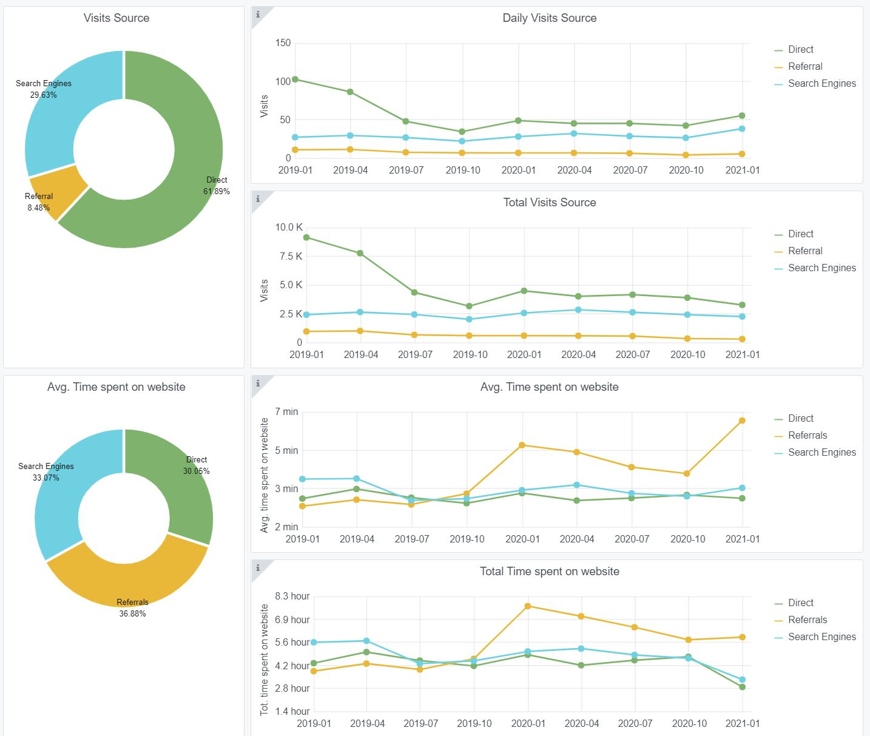
IT IS NOT POSSIBLE TO GET GRAFANA GRAPHICS FOR THE FULL PROJECT PERIOD
Indicator 7: Portal & Social Media visibility
7.1 Visibility & Analytics (Portal overview)
Reporting date | Portal name | Analytics tool | Trend (%)
31/12/2020 | Bathymetry | Matomo

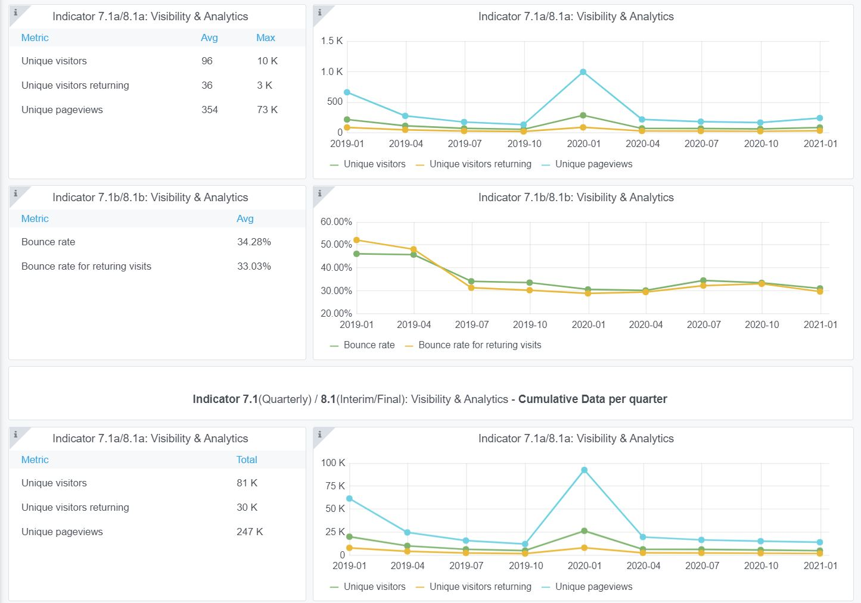

7.2 SEO assessment - Acquisitions
Reporting date | Portal name | Analytics tool
1-Jan-21 | Bathymetry | Matomo

9-10-11(User stats)
Copy-paste screenshots of the graphs of the information from dashboard
Please refer to "Explanation of the trends and statistics" below
Indicator 9: Visibility & Analytics for web pages
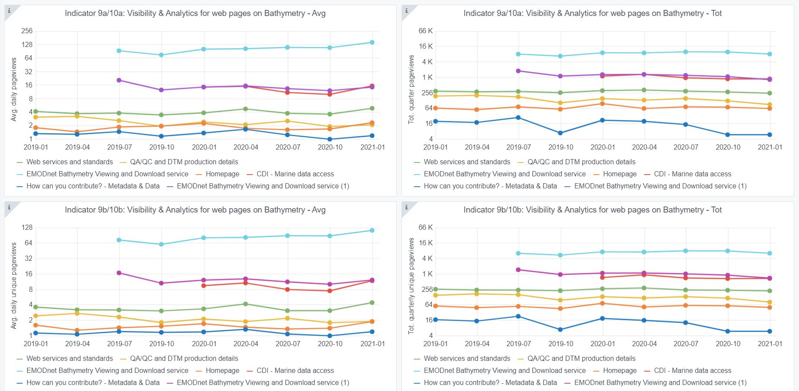

Indicator 10: Visibility & Analytics for web sections

Indicator 11: Average visit duration for web pages

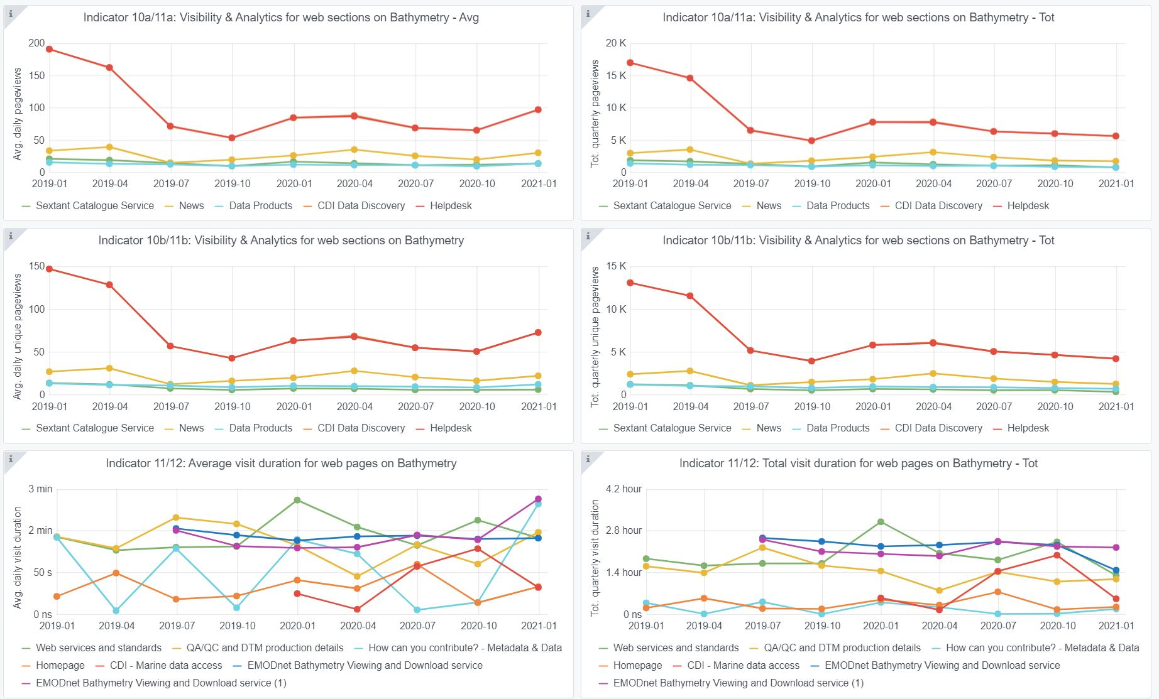

Explanation of the trends and statistics
9) Visibility & analytics for web pages | As expected and targeted, the pages related to the “EMODnet bathymetry viewing and Download Service” have the highest score and this traffic is very stable, like also other sections and services. This means that users spent the most time browsing and interacting with the viewing service which has many functions and overall is the most interesting product and service that EMODnet Bathymetry has to offer. From there, users also undertake downloading of DTM tiles which has a continuous high score of circa 3000 downloaded DTM files per month. Note: the graphical overview does not cover the full reporrting period as Matomo was installed during the project.
10) Visibility & analytics for web sections | This indicator shows the interest of users for specific sections of the website, excluding the Bathymetry Viewing and Download service. There seems to be an error in coloring as the helpdesk receives most attention, while that should be the CDI pages. Although many feedback forms are received through the helpdesk (see Chapter 8), their numbers are far lower than the reported page views. Note: the graphical overview does not cover the full reporrting period as Matomo was installed during the project.
11) Average visit duration for web pages | Average visit duration is erratic, ranging from few seconds to 2:30 minutes. The interpretation of this diagram is complex as it might be interpreted in terms of user’s interest but also as difficulty to understand the concept described on the web page. Note: the graphical overview does not cover the full reporrting period as Matomo was installed during the project.

