7(Analytics)
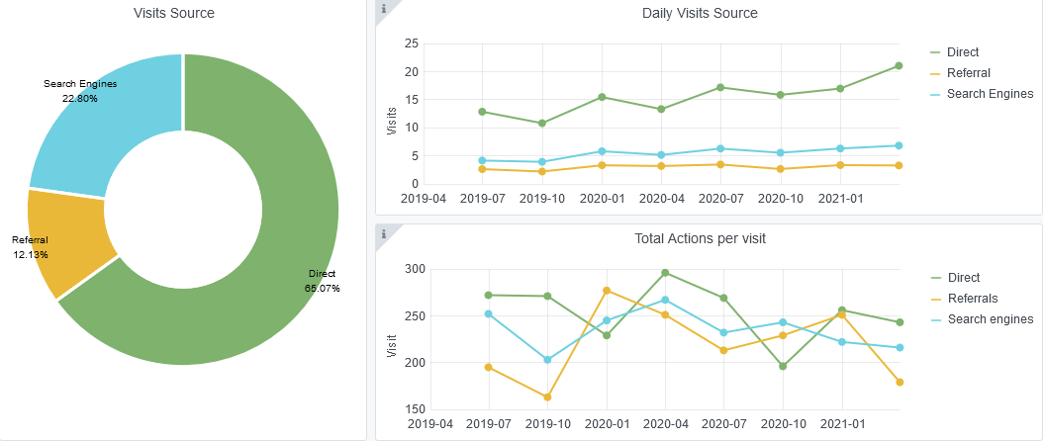
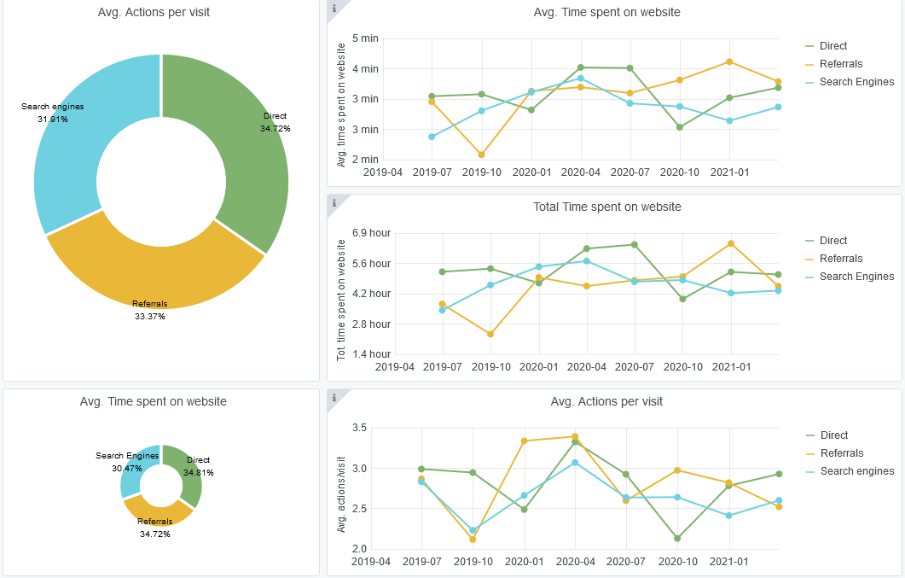
Copy-paste screenshots of the graphs of the information from dashboard
Indicator 7: Portal & Social Media visibility
7.1 Visibility & Analytics (Portal overview)
Reporting date | Portal name | Analytics tool
2021-04-01 | Biology | Matomo

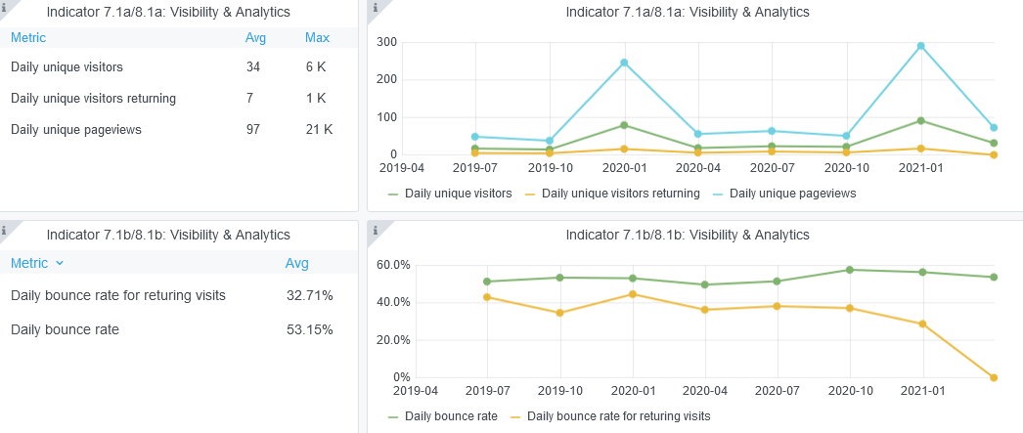

7.2 SEO assessment - Acquisitions
Reporting date | Portal name | Analytics tool
 |  | Matomo

9-10-11(User stats)
Copy-paste screenshots of the graphs of the information from dashboard
Please refer to "Explanation of the trends and statistics" below

 | https://grafana-emodnet.trust-itservices.dev/d/koz4-8rZz/emodnet-biology?orgId=1&from=1555624800000&to=1617227999000
Indicator 9: Visibility & Analytics for web pages
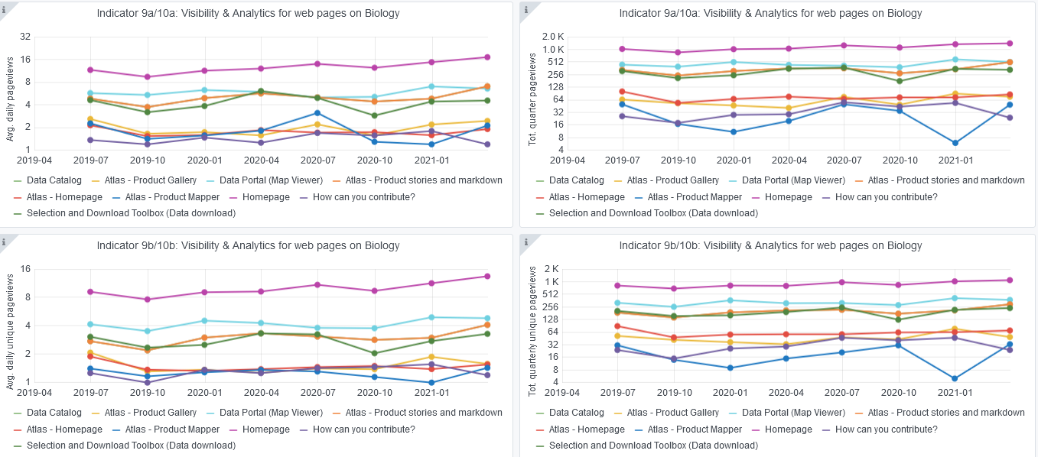

Indicator 10: Visibility & Analytics for web sections
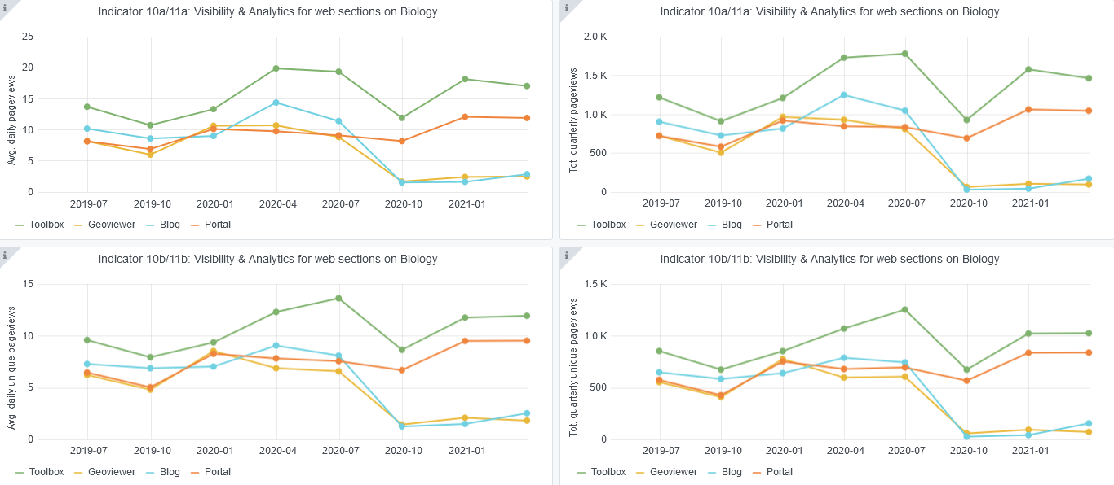

Indicator 11: Average visit duration for web pages

Explanation of the trends and statistics
9) Visibility & analytics for web pages | No significant changes are observed in this indicator when compared to the previous quarter
10) Visibility & analytics for web sections | There is a noticeable decrease in the number of page views over the last two quarters which could potentially be due to COVID impacting users work. It was also recently detected that the evolution graphs included in the previous report were incorrect (they showed an increase in pageviews). This has now been corrected for the report.
11) Average visit duration for web pages | No significant changes are observed in this indicator when compared to the previous quarter

