7(Analytics)
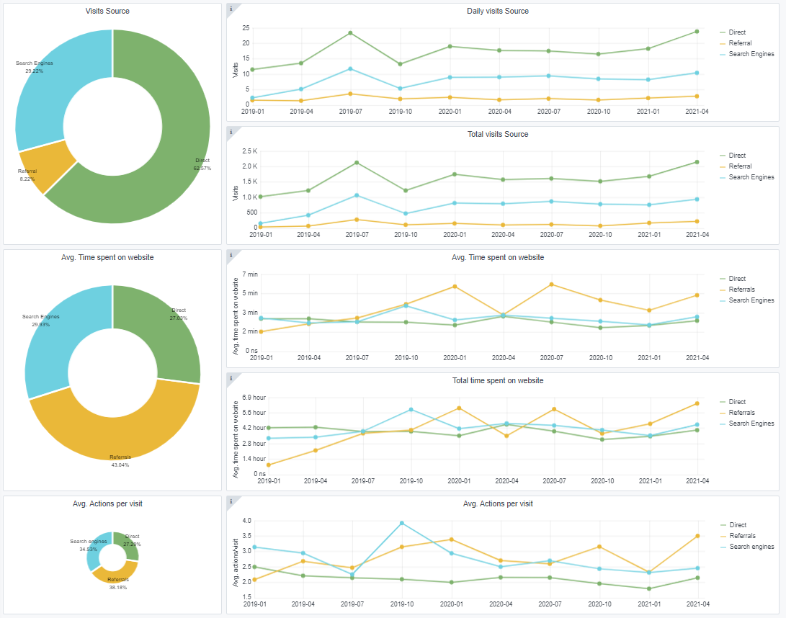
Copy-paste screenshots of the graphs of the information from dashboard
Indicator 7: Portal & Social Media visibility
7.1 Visibility & Analytics (Portal overview)
Reporting date | Portal name | Analytics tool
2021-04-01 | GEOLOGY | Matomo
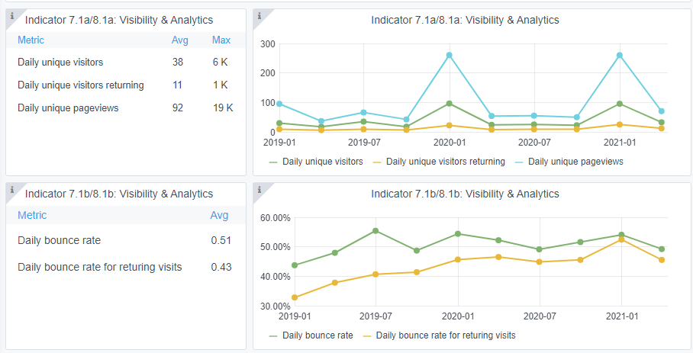

7.2 SEO assessment - Acquisitions
Reporting date | Portal name | Analytics tool
2021-04-01 | GEOLOGY | Matomo

9-10-11(User stats)
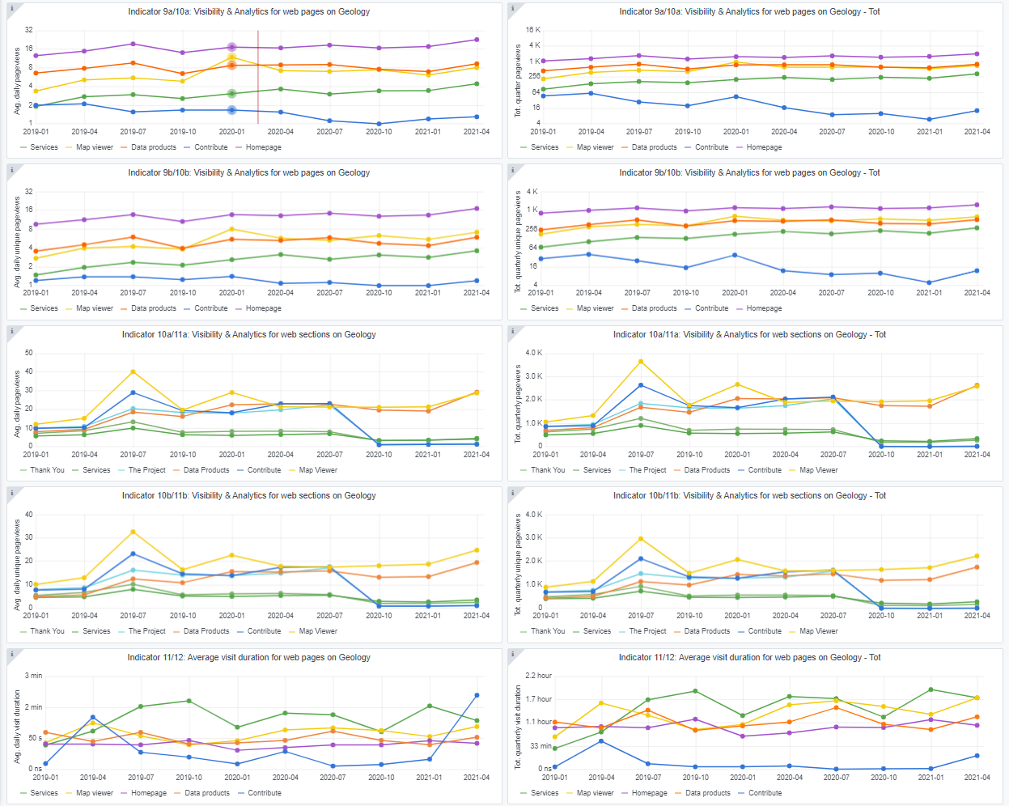
Copy-paste screenshots of the graphs of the information from dashboard
Please refer to "Explanation of the trends and statistics" below
Indicator 9: Visibility & Analytics for web pages

Indicator 10: Visibility & Analytics for web sections

Indicator 11: Average visit duration for web pages

Explanation of the trends and statistics
9) Visibility & analytics for web pages | Shows expected traffic due to few data product releases this time of year..
10) Visibility & analytics for web sections | Stable trend. Three pages were replaced last summer.
11) Average visit duration for web pages | Stable trend.

