8(Analytics)
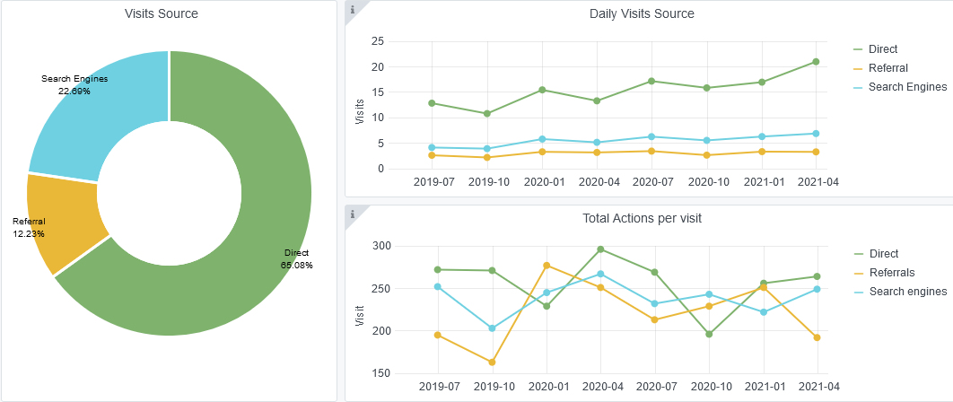
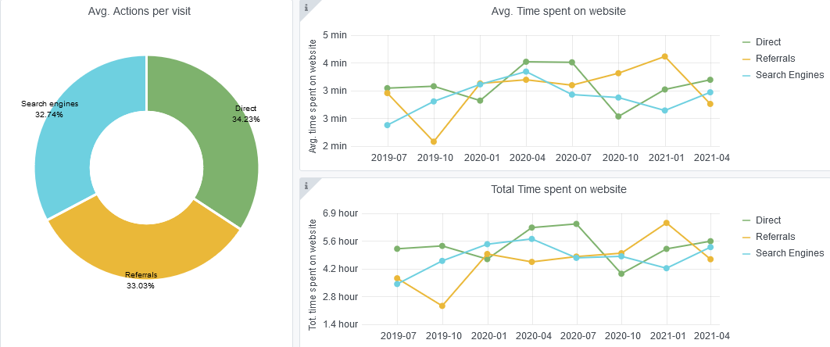
Copy-paste screenshots of the graphs of the information from dashboard
Indicator 8: Portal & Social Media visibility
8.1 Visibility & Analytics (Portal overview)
Reporting date | Portal name | Analytics tool
2021-04-18 | Biology | Matomo

8.2 SEO assessment - Acquisitions
Reporting date | Portal name | Analytics tool
2021-04-18 | Biology | Matomo

10-11-12(User stats)
Copy-paste screenshots of the graphs of the information from dashboard
Please refer to "Explanation of the trends and statistics" below
Indicator 10: Visibility & Analytics for web pages
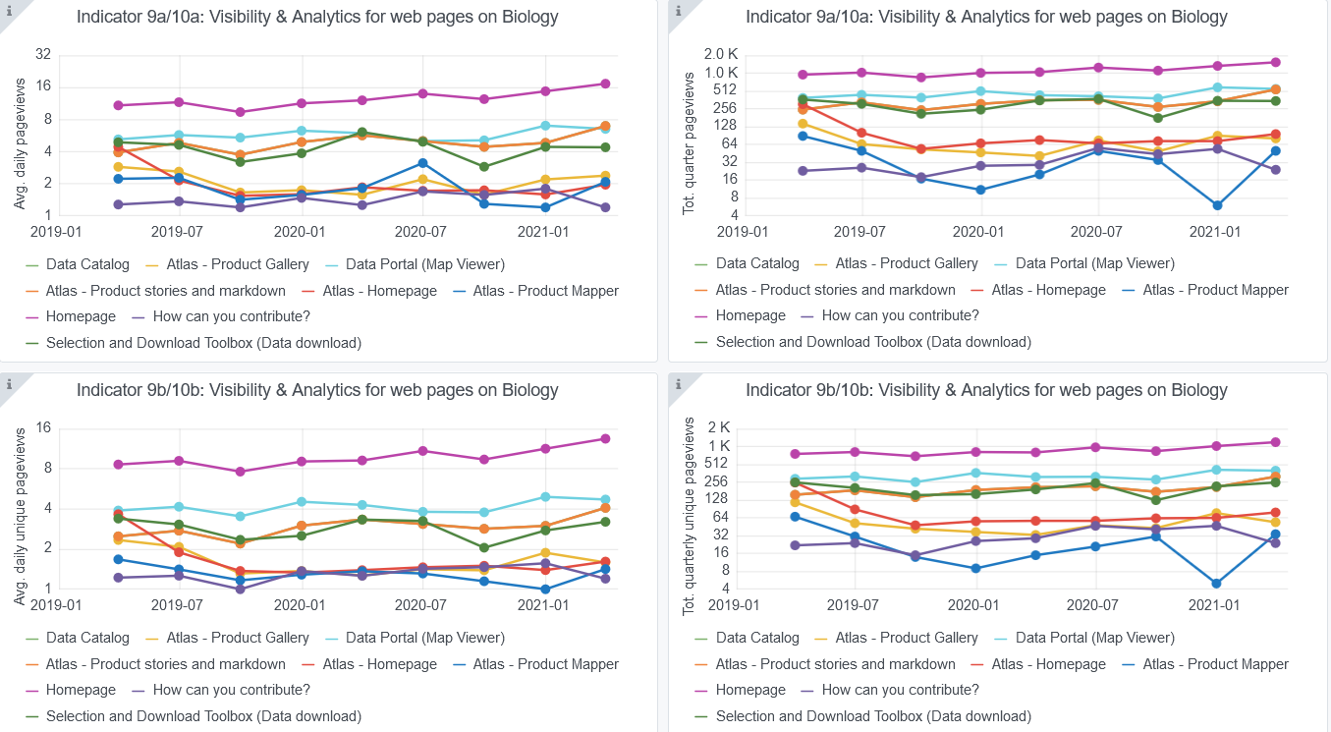

Indicator 11: Visibility & Analytics for web sections
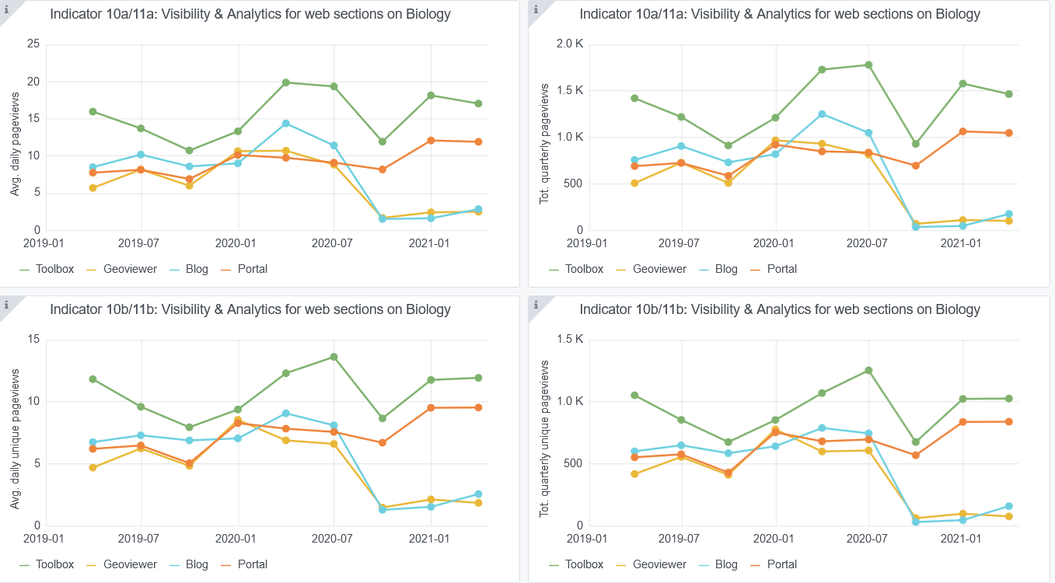

Indicator 12: Average visit duration for web pages

Explanation of the trends and statistics
10) Visibility & analytics for web pages | No big changes in either visibility or analytics throughout the reporting period.Most visited pages are the Home Page followed by the Data Portal (Map Viewer) and the Atlas Product stories and markdown.
11) Visibility & analytics for web sections | There was a decrease on visibility and analytics for web sections from last quarter of 2020. This could be due to COVID pandemic impacts on our users workload
12) Average visit duration for web pages | No big changes apparent throughout the reporting period. Daily visit duration is between 1 and 2 minutes for all pages monitored.

