7(Analytics)
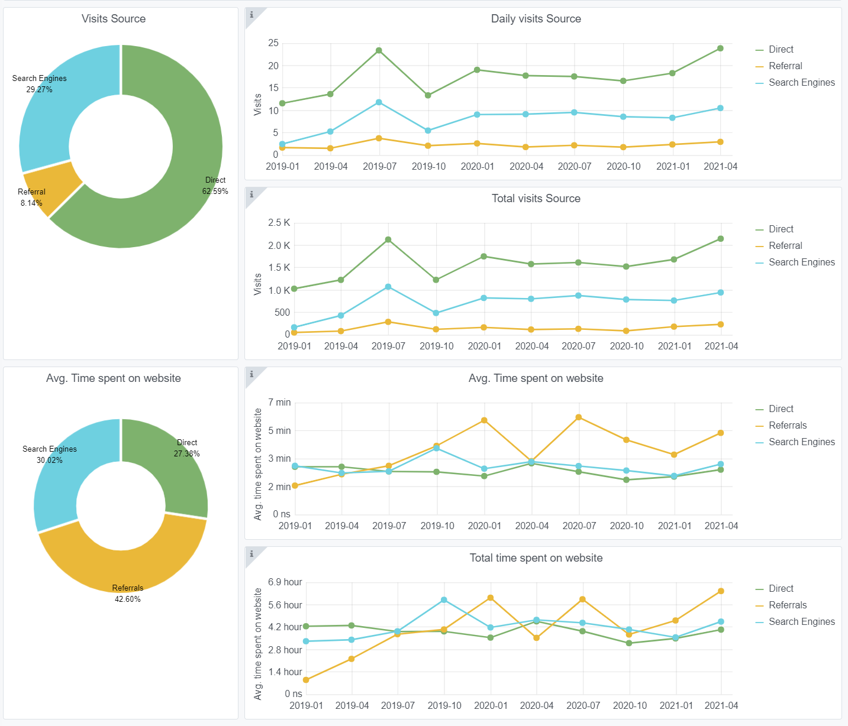
Copy-paste screenshots of the graphs of the information from dashboard
Indicator 7: Portal & Social Media visibility
7.1 Visibility & Analytics (Portal overview)
Reporting date | Portal name | Analytics tool
2021-01-04 | Ingestion | Matomo
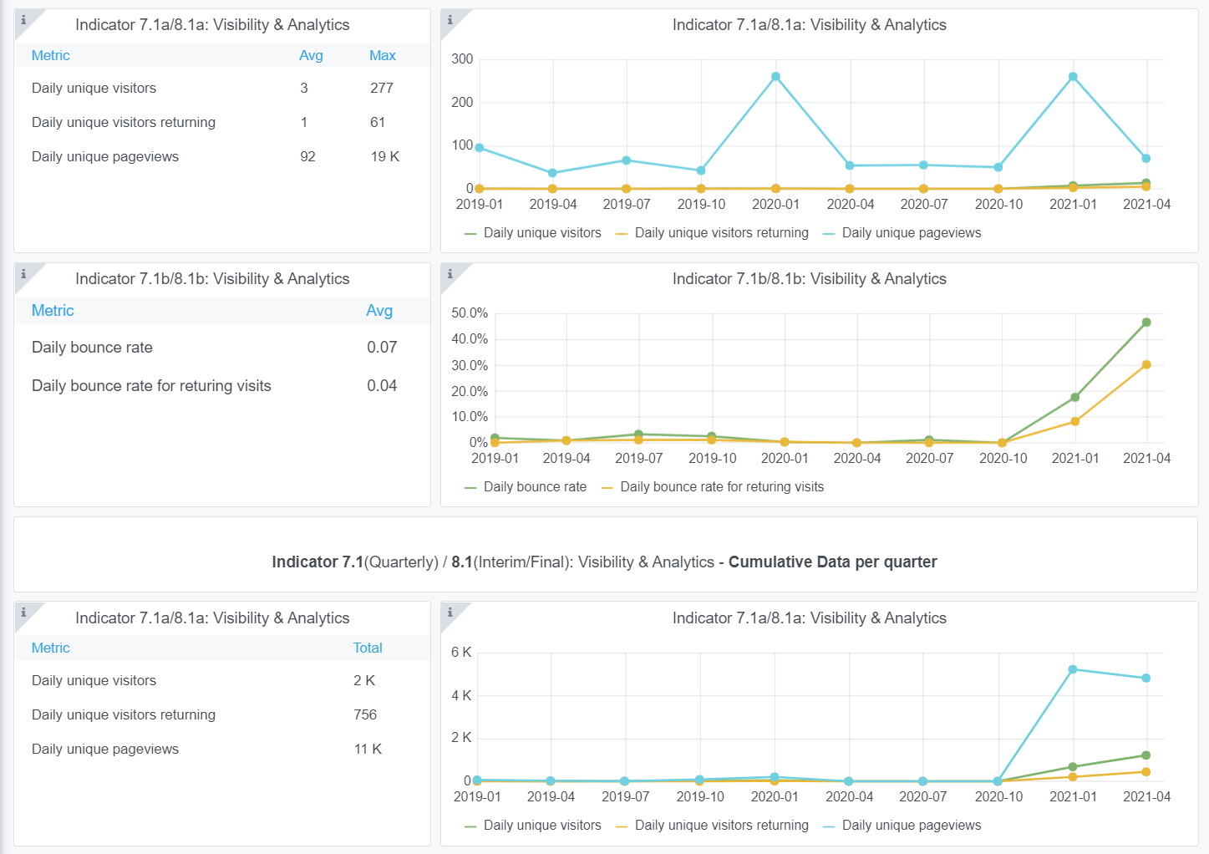

7.2 SEO assessment - Acquisitions
Reporting date | Portal name | Analytics tool
2021-01-04 | Ingestion | Matomo

9-10-11(User stats)
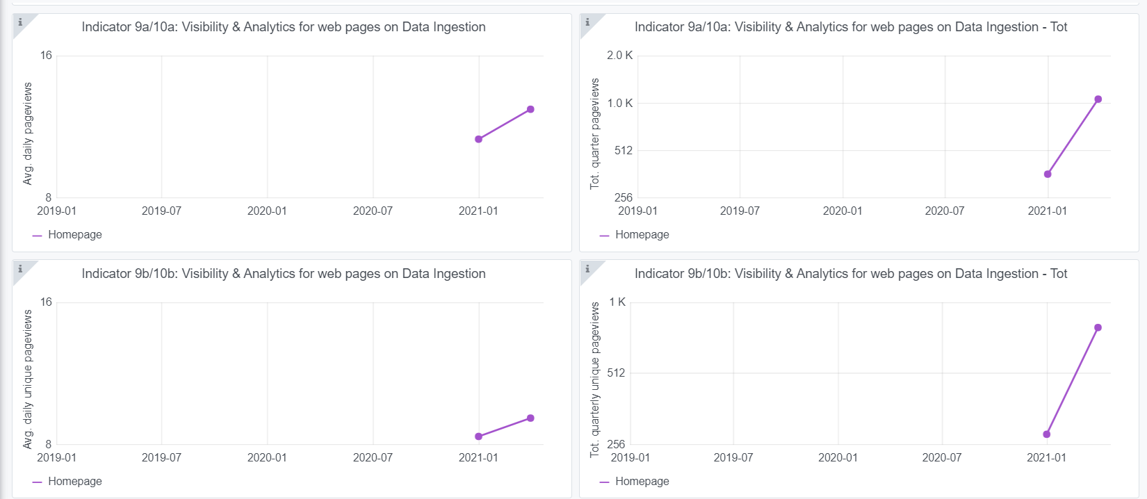
Copy-paste screenshots of the graphs of the information from dashboard
Please refer to "Explanation of the trends and statistics" below
Indicator 9: Visibility & Analytics for web pages

Indicator 10: Visibility & Analytics for web sections
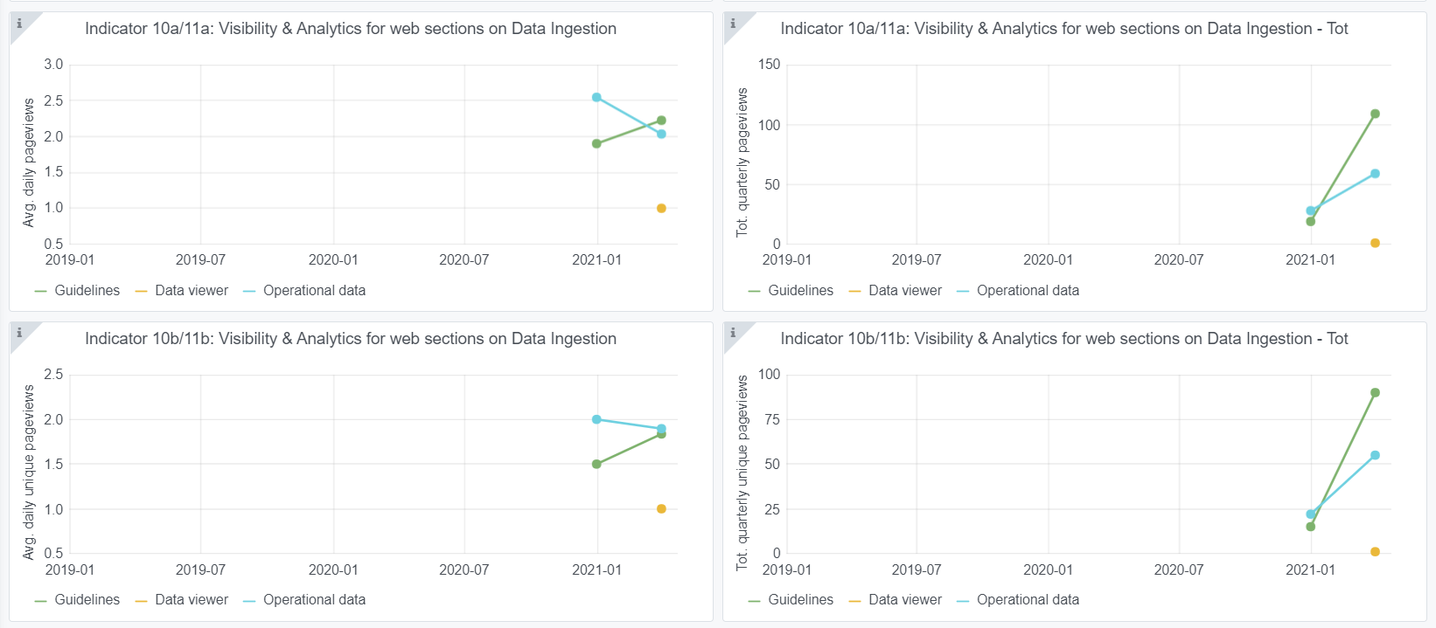

Indicator 11: Average visit duration for web pages

Explanation of the trends and statistics
9) Visibility & analytics for web pages | The grafana application has just been configured for Ingestion so there is not much yet to report in trends. Also it seems that not all requested sections are reported.
10) Visibility & analytics for web sections | The grafana application has just been configured for Ingestion so there is not much yet to report in trends. Also it seems that not all requested sections are reported.
11) Average visit duration for web pages | The grafana application has just been configured for Ingestion so there is not much yet to report in trends. Also it seems that not all requested sections are reported.

