7(Analytics)
Copy-paste screenshots of the graphs of the information from dashboard
Indicator 7: Portal & Social Media visibility
7.1 Visibility & Analytics (Portal overview)
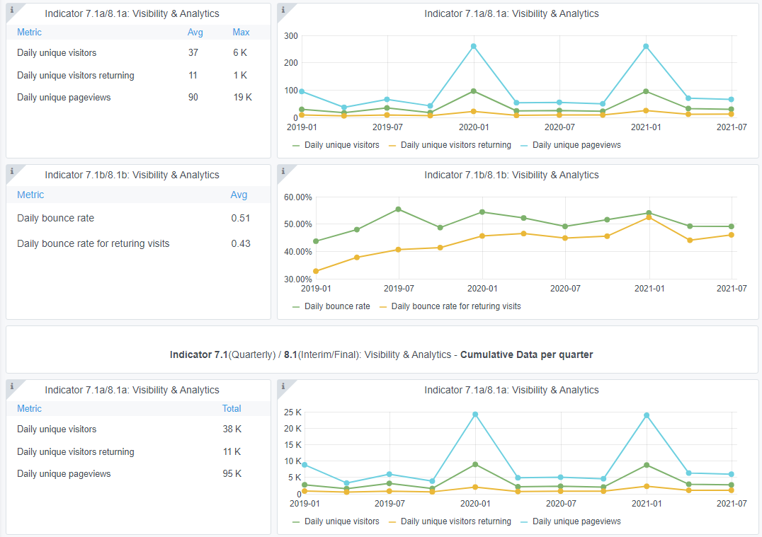
Reporting date | Portal name | Analytics tool
2021-07-01 | GEOLOGY | Matomo

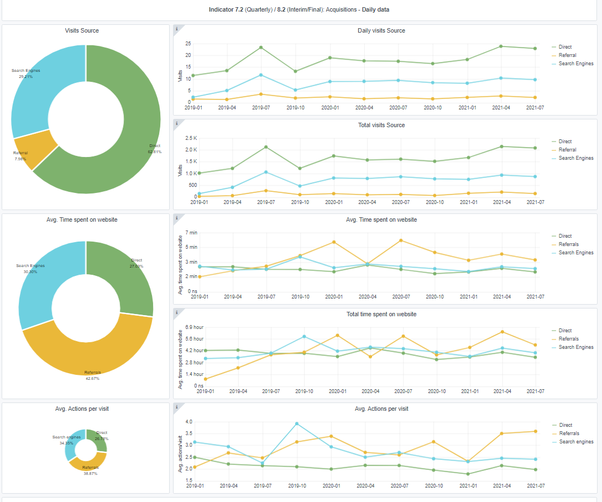

7.2 SEO assessment - Acquisitions
Reporting date | Portal name | Analytics tool
2021-07-01 | GEOLOGY | Matomo

9-10-11(User stats)
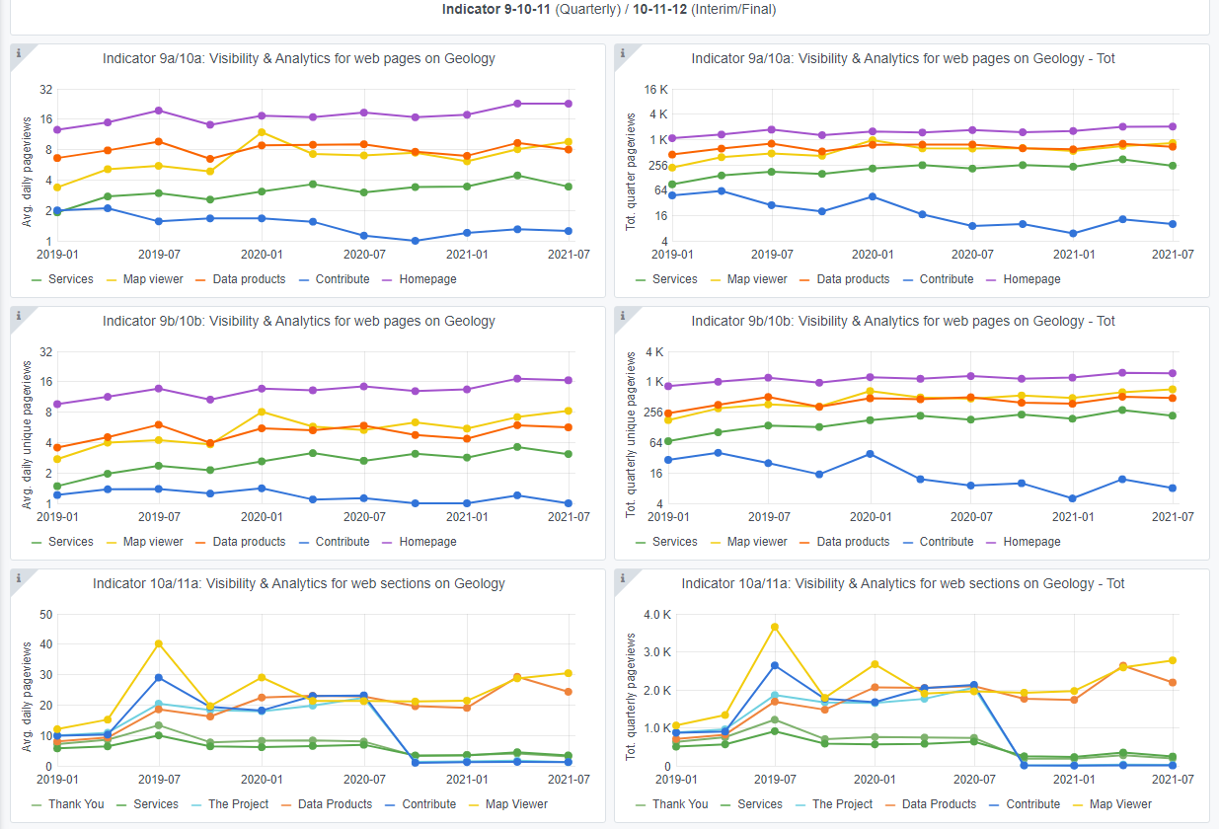
Copy-paste screenshots of the graphs of the information from dashboard
Please refer to "Explanation of the trends and statistics" below
Indicator 9: Visibility & Analytics for web pages

Indicator 10: Visibility & Analytics for web sections

Indicator 11: Average visit duration for web pages

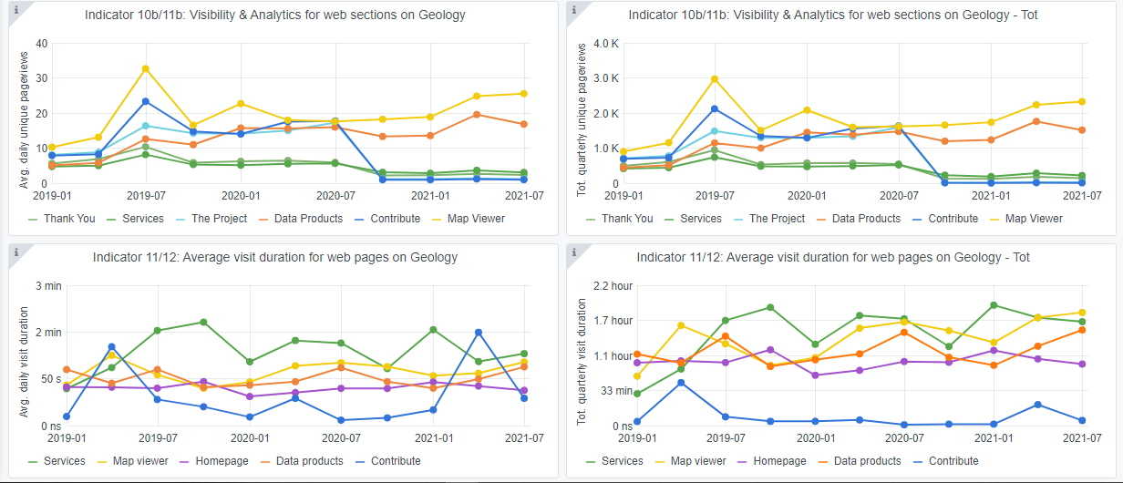
Explanation of the trends and statistics
9) Visibility & analytics for web pages | Stable trend on all parameters since last quarter.
10) Visibility & analytics for web sections | Stable trend on all parameters since last quarter.
11) Average visit duration for web pages | An indication of higher visit duration could indicate more thorough visits currently.

