7(Analytics)
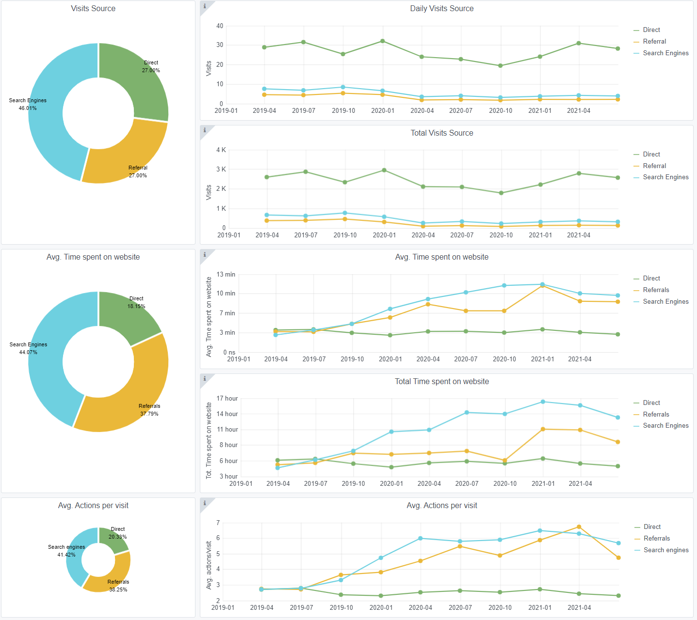
Copy-paste screenshots of the graphs of the information from dashboard
Indicator 7: Portal & Social Media visibility
7.1 Visibility & Analytics (Portal overview)
Reporting date | Portal name | Analytics tool
2021-07-15 | Seabed Habitats | Matomo
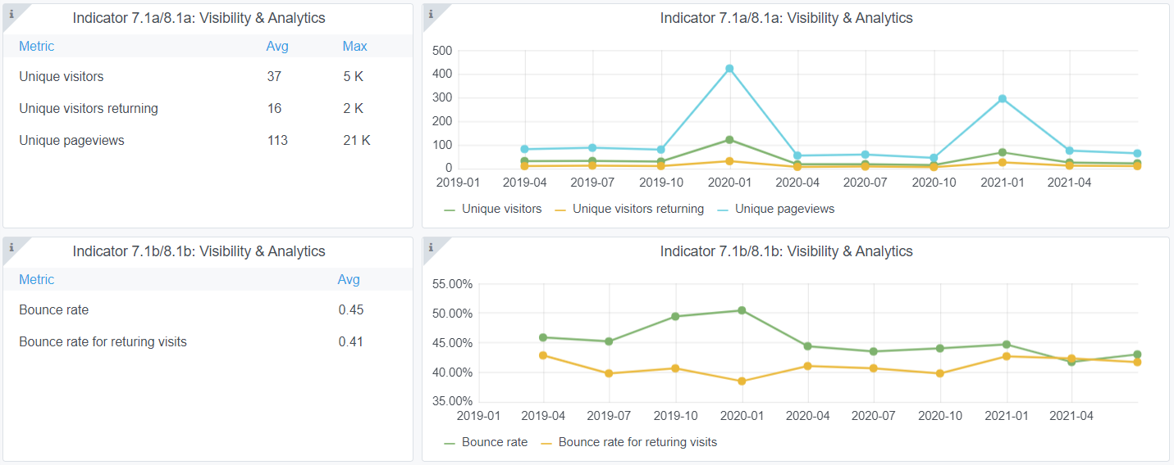

7.2 SEO assessment - Acquisitions
Reporting date | Portal name | Analytics tool
2021-07-15 | Seabed Habitats | Matomo

9-10-11(User stats)
Copy-paste screenshots of the graphs of the information from dashboard
Please refer to "Explanation of the trends and statistics" below
Indicator 9: Visibility & Analytics for web pages

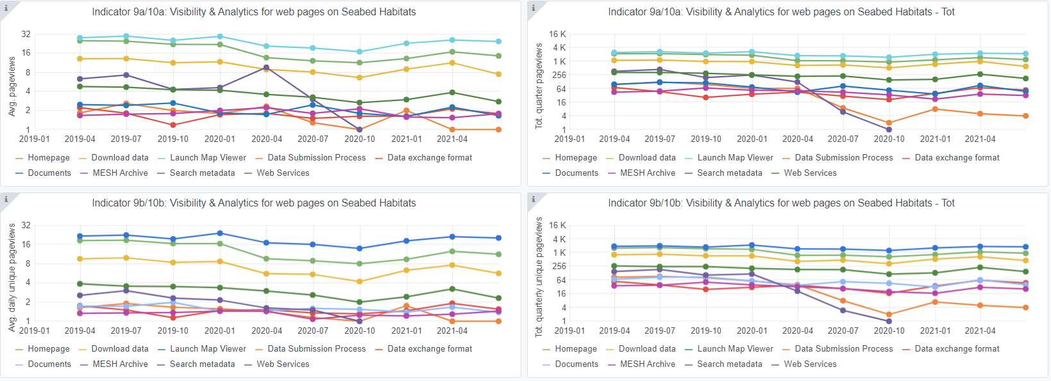

Indicator 10: Visibility & Analytics for web sections
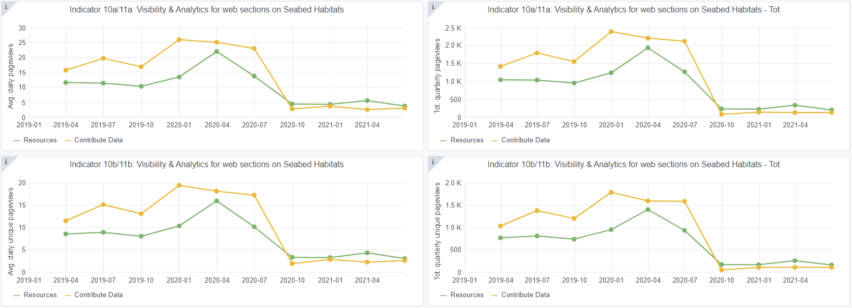

Indicator 11: Average visit duration for web pages

Explanation of the trends and statistics
9) Visibility & analytics for web pages | Page views generally consistent with previous quarter, but lower than last year for Data Exchange Formats, possibly due to community's increased knowledge of required formats.
10) Visibility & analytics for web sections | Relatively stable through low viewership of the two sections. No general trends.
11) Average visit duration for web pages | In general stable, however, data submission process has taken a large drop in average duration, perhaps due to general knowledge of submission process. Exit stats not taken. Increased viewing time of mesh archive may be an anomaly (e.g. idle user) as page itself is relatively brief and does not necessarily warrant the amount of time shown.

