8(Analytics)
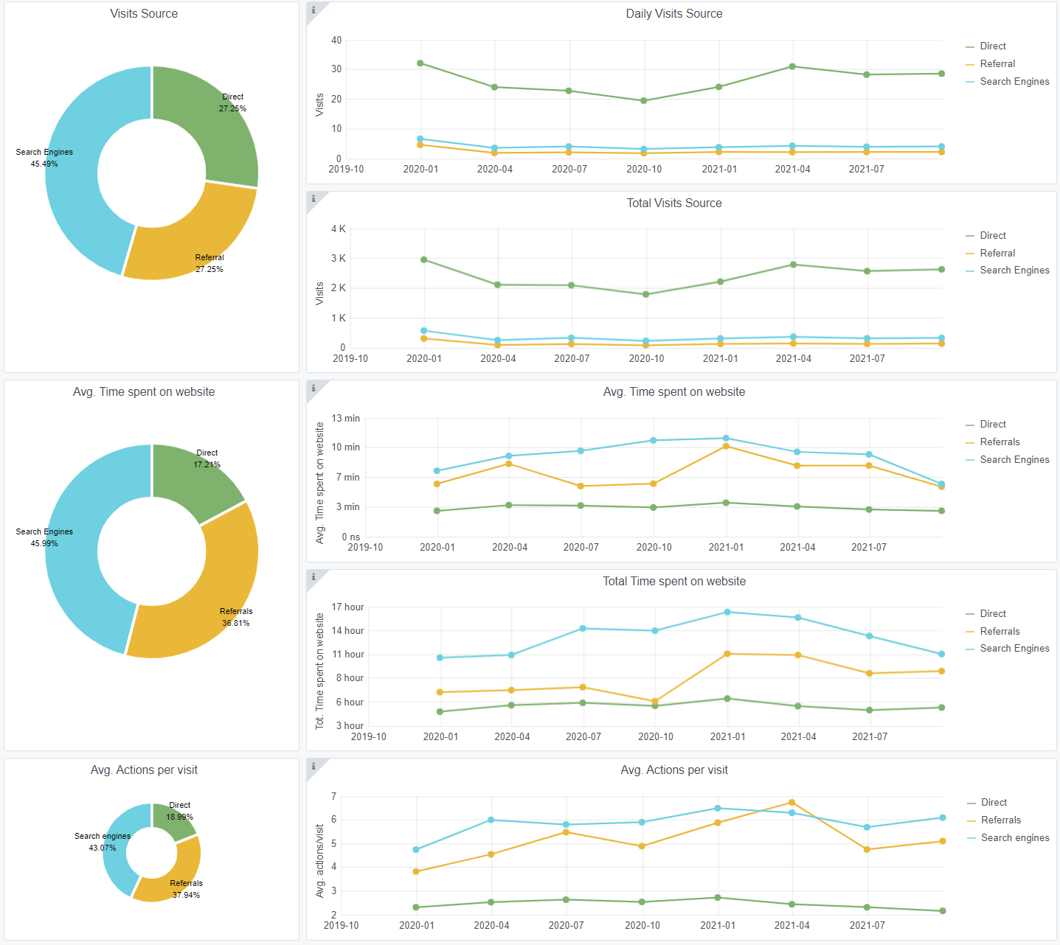
Copy-paste screenshots of the graphs of the information from dashboard
Indicator 8: Portal & Social Media visibility
8.1 Visibility & Analytics (Portal overview)
Reporting date | Portal name | Analytics tool
2021-10-15 | Seabed Habitats | Matomo

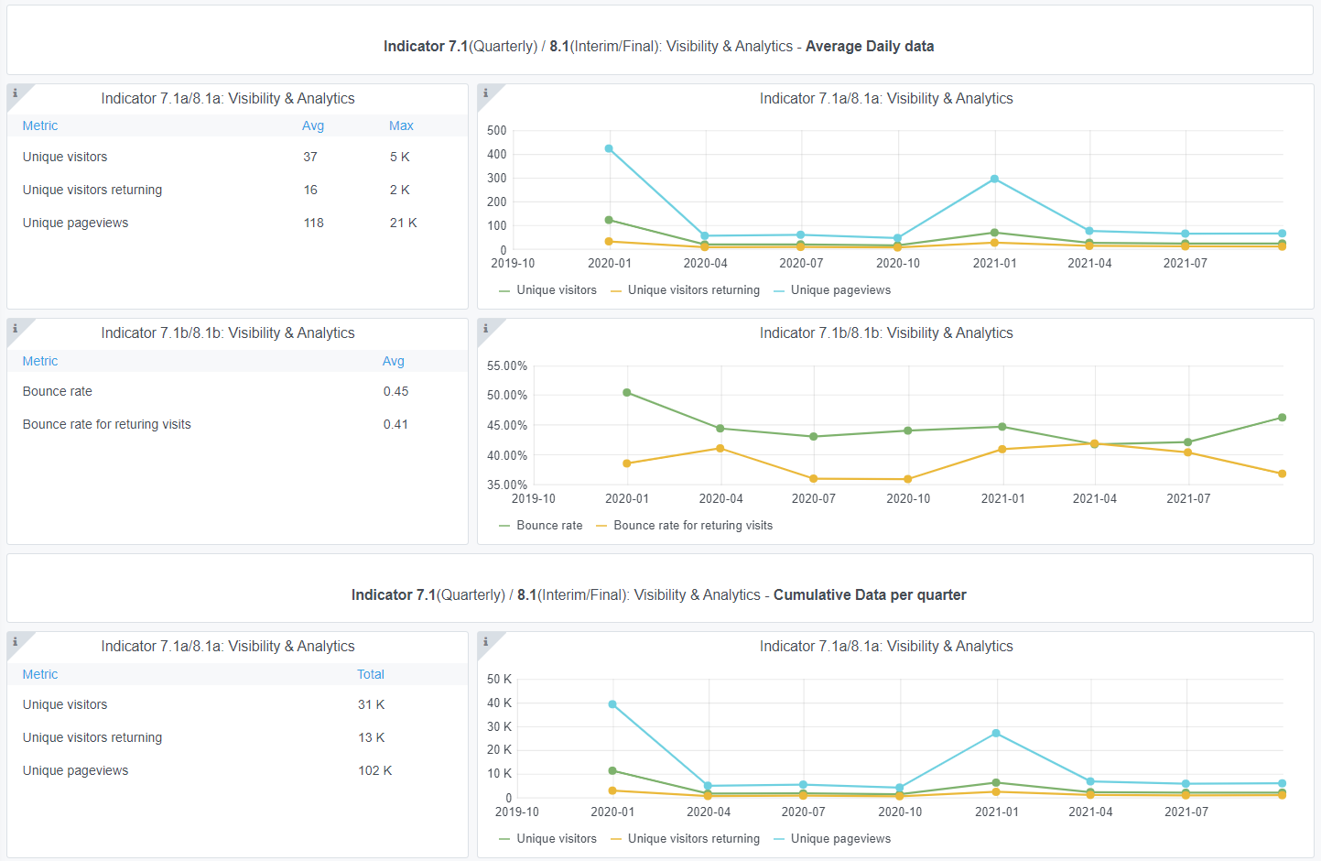

8.2 SEO assessment - Acquisitions
Reporting date | Portal name | Analytics tool
2021-10-15 | Seabed Habitats | Matomo

10-11-12(User stats)
Copy-paste screenshots of the graphs of the information from dashboard
Please refer to "Explanation of the trends and statistics" below
Indicator 10: Visibility & Analytics for web pages
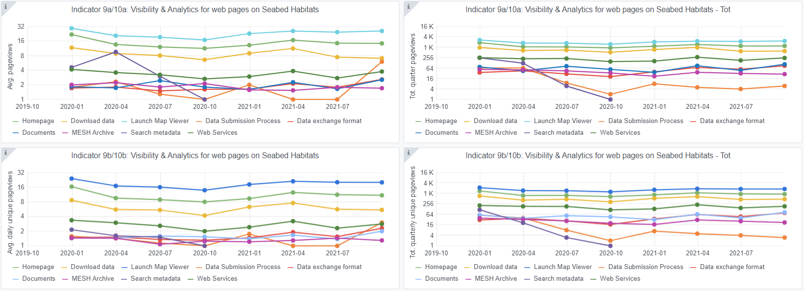

Indicator 11: Visibility & Analytics for web sections
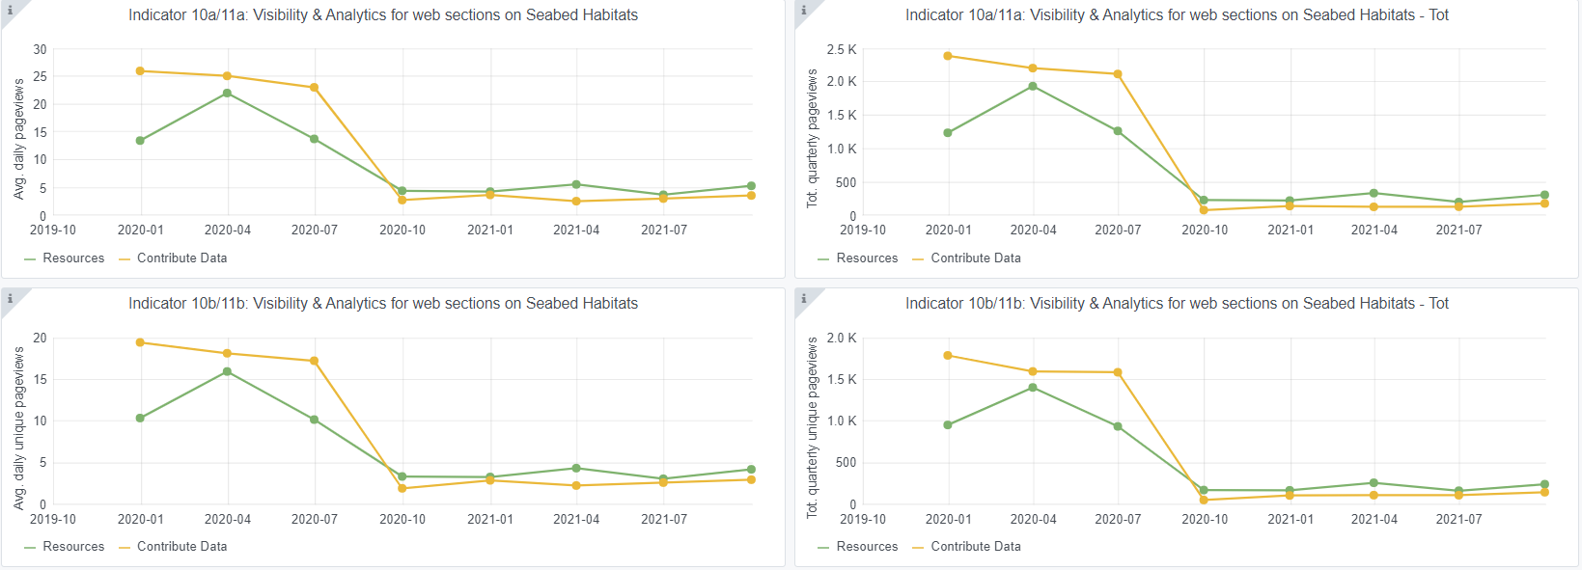

Indicator 12: Average visit duration for web pages
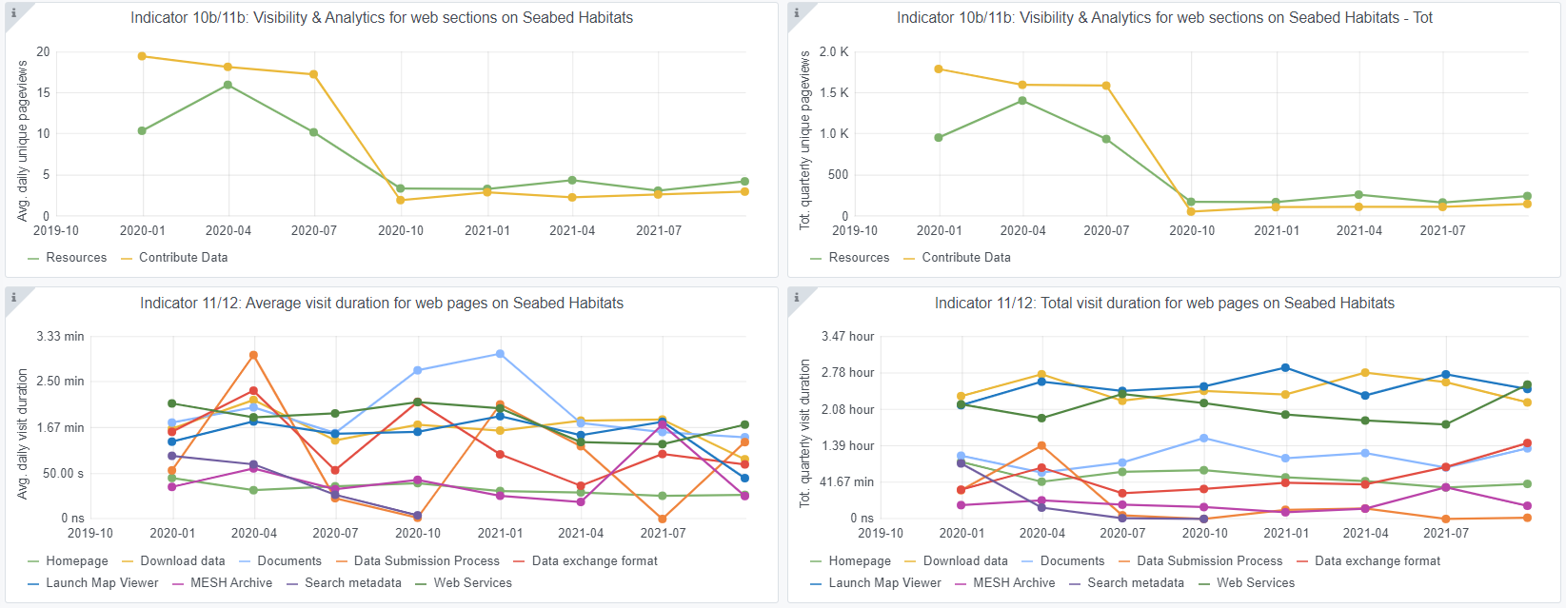

Explanation of the trends and statistics
10) Visibility & analytics for web pages | Generally consistent pageviews across phase, with the most popular pages being those themed on data access, which is expected but welcome. Interactive map has a higher viewership than the homepage, suggesting that the interactive map now has a core base of repeat customers (e.g. through bookmarking), again showing success of the interactive map. A peak in Data Exchange Format viewership towards the end of the phase, which is to be expected due to increased supply of data at this time. Search metadata page shows marked decline and possible end of monitoring around October 2020, this is being investigated with central portal.
11) Visibility & analytics for web sections | Marked decline around October 2020, suggests a change in infrastructure or monitoring statistic used, as usage remains relatively consistent both before and after.
12) Average visit duration for web pages | Highest visit duration appears through documentation and interactive map, which is to be expected. However, marked decline in interactive map viewership duration at the last reporting period. Reasoning is unknown, as it remained consistent to this point. Low time psent on homepage suggests that users are finding the route that they need to pages rather than lingering.

