7(Analytics)
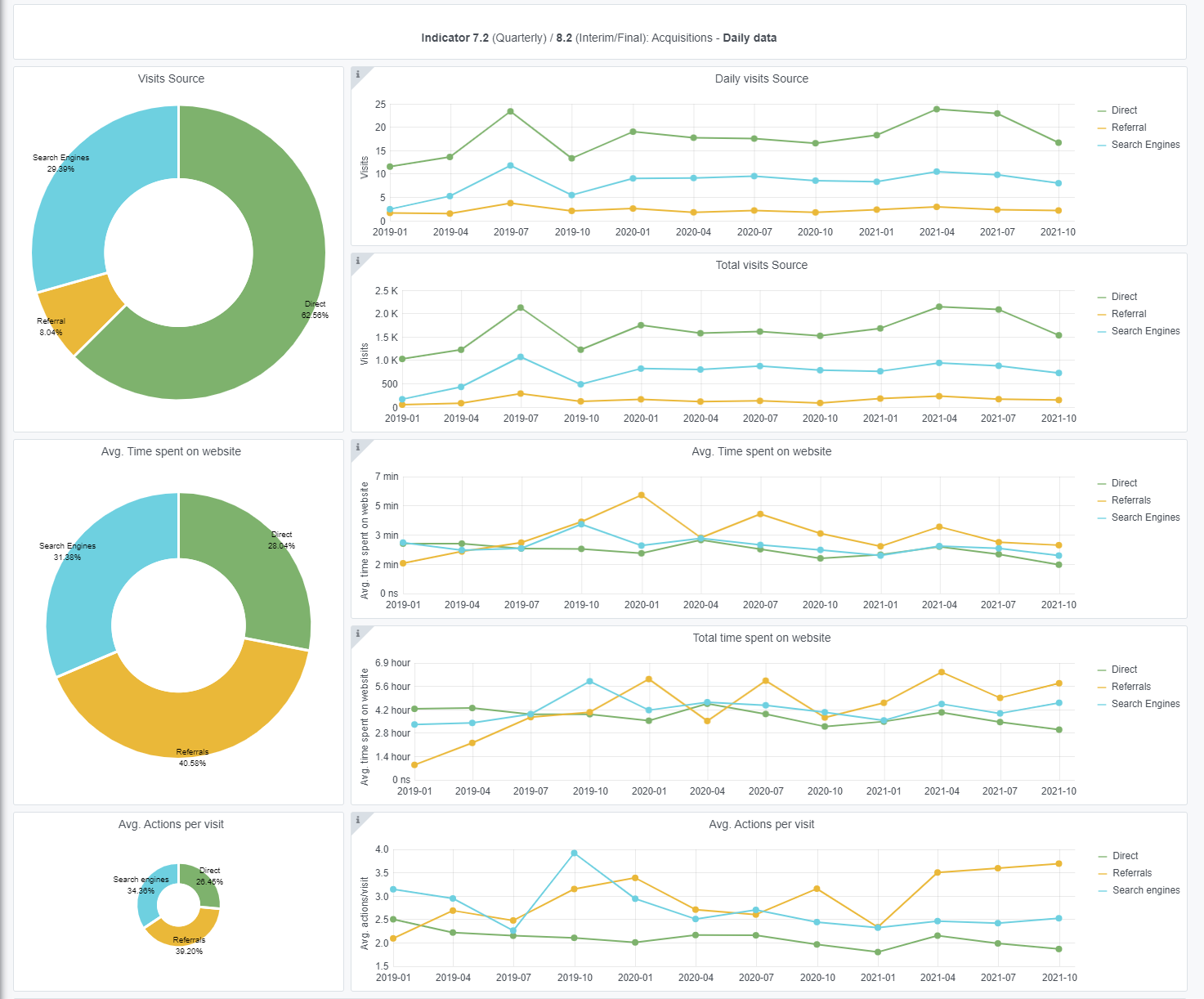
Copy-paste screenshots of the graphs of the information from dashboard
Indicator 7: Portal & Social Media visibility
7.1 Visibility & Analytics (Portal overview)
Reporting date | Portal name | Analytics tool
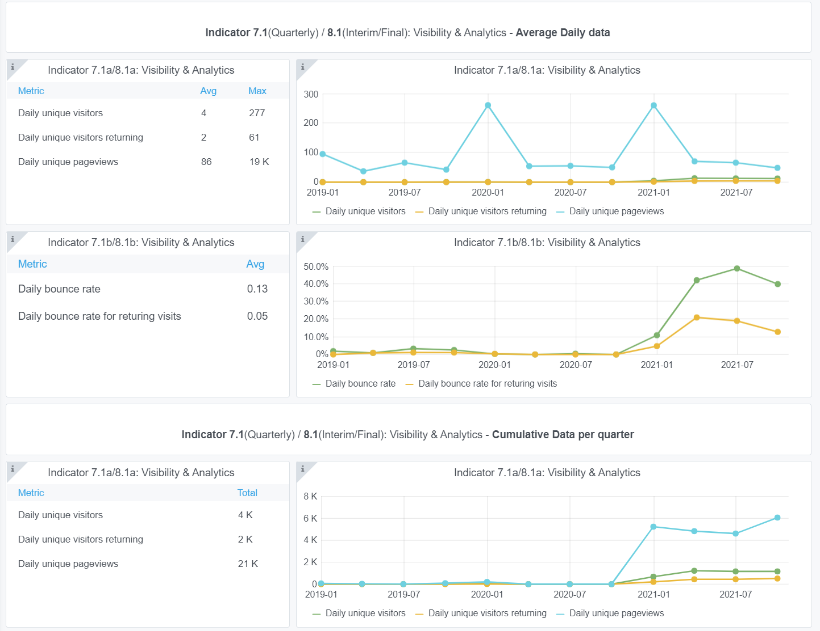
2021-01-10 | Ingestion | Matomo

7.2 SEO assessment - Acquisitions
Reporting date | Portal name | Analytics tool
2021-01-10 | Ingestion | Matomo

9-10-11(User stats)
Copy-paste screenshots of the graphs of the information from dashboard
Please refer to "Explanation of the trends and statistics" below
Indicator 9: Visibility & Analytics for web pages
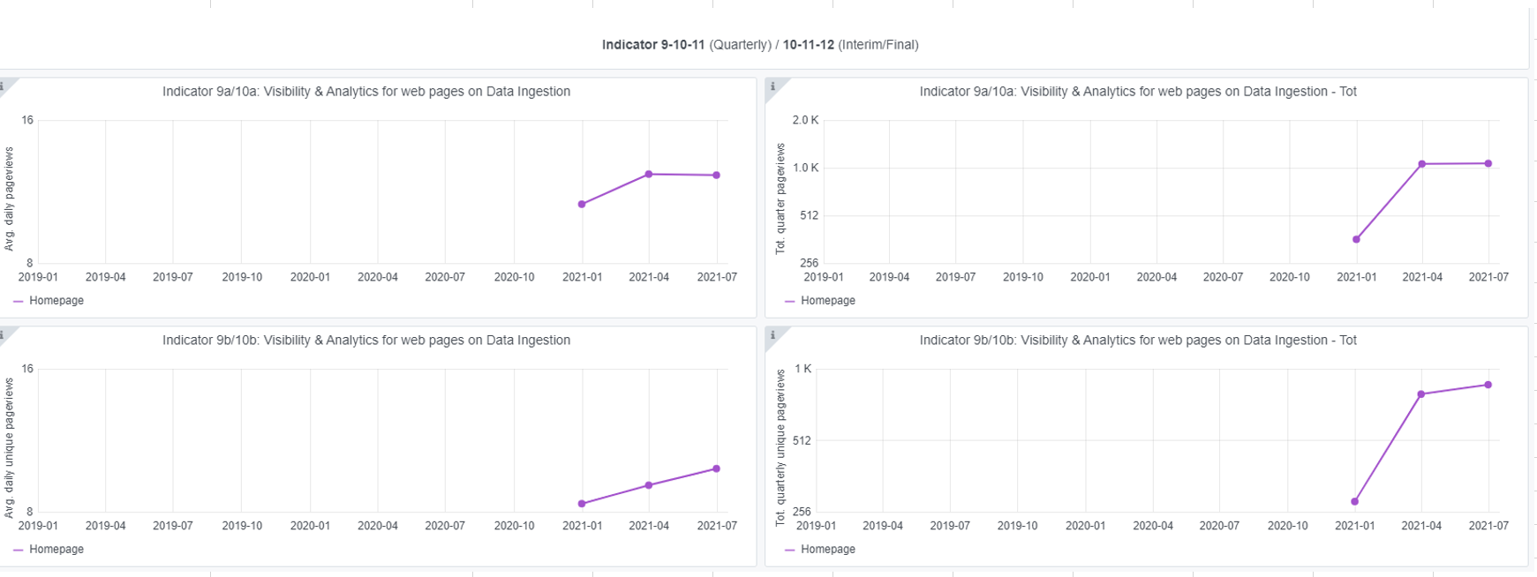

Indicator 10: Visibility & Analytics for web sections

Indicator 11: Average visit duration for web pages

Explanation of the trends and statistics
9) Visibility & analytics for web pages | The grafana application has just been configured for Ingestion a while ago, so there is not much yet to report in trends. Issue is that this Grafana graph has not been updated for the last quarter. And it only shows the homepage. Therefore, there is an action in JIRA for Trust-IT to look into this and also report on the Submission service.
10) Visibility & analytics for web sections | The grafana application shows the visit stats of several sections, such as the Guidelines and Operational data. The total quarterly data views are moderate, but this is also expected as EMODnet Ingestion is more a dedicated site to get new data providers in. The grafana monitoring of the data viewer has been added by Trust-IT and it works well. It shows quite good activity of users as was expected considering the download stats. Still missing are stats from the Submission service for which a JIRA action is open (see also comments above).
11) Average visit duration for web pages | The grafana application only shows the visit durations for the homepage while this functions more as a menu for starting, while real action takes place at other pages. This also needs further action by Trust-IT as it now misses data.

