7(Analytics)
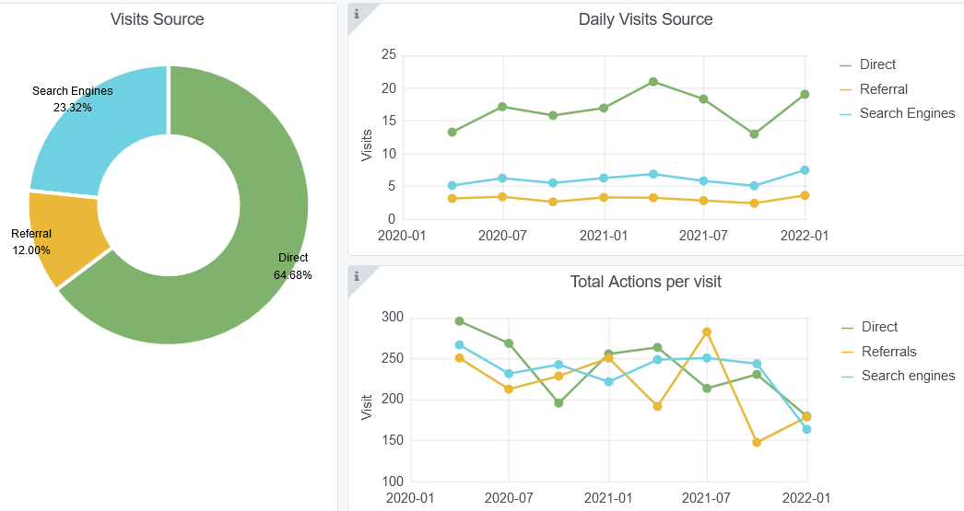
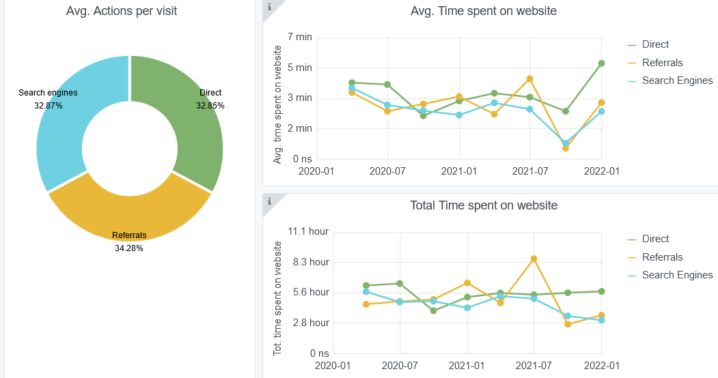
Copy-paste screenshots of the graphs of the information from dashboard
Indicator 7: Portal & Social Media visibility
7.1 Visibility & Analytics (Portal overview)
Reporting date | Portal name | Analytics tool
2022-01-01 | Biology | Matomo
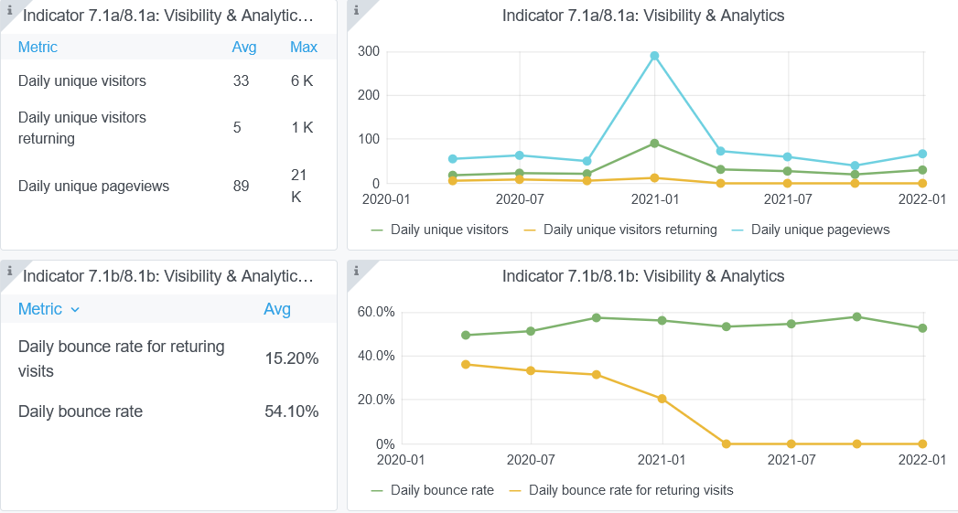

7.2 SEO assessment - Acquisitions
Reporting date | Portal name | Analytics tool
 |  | Matomo

