7(Analytics)
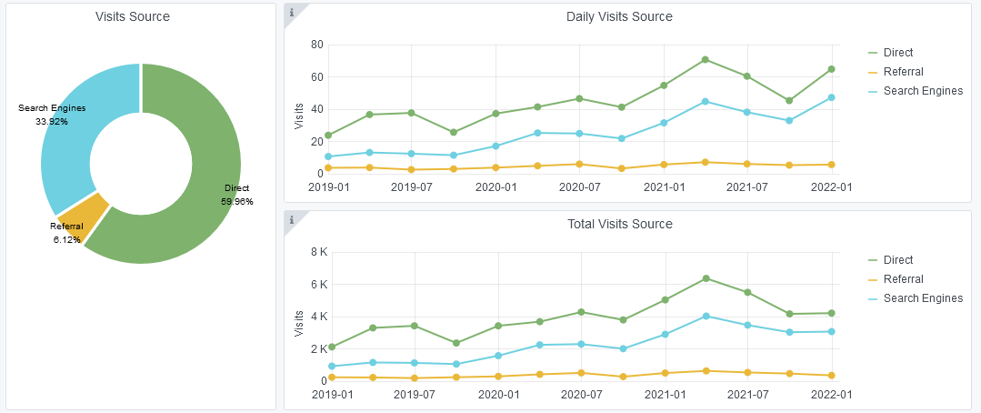
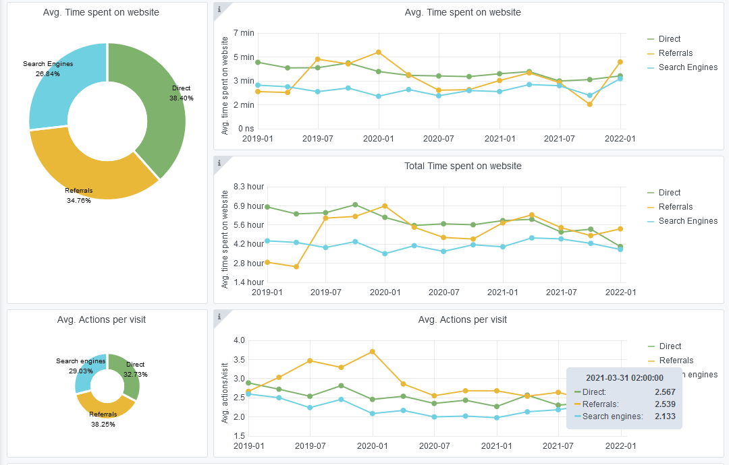
Copy-paste screenshots of the graphs of the information from dashboard
Indicator 7: Portal & Social Media visibility
7.1 Visibility & Analytics (Portal overview)
Reporting date | Portal name | Analytics tool
2022-01-01 | Human Activities | Matomo
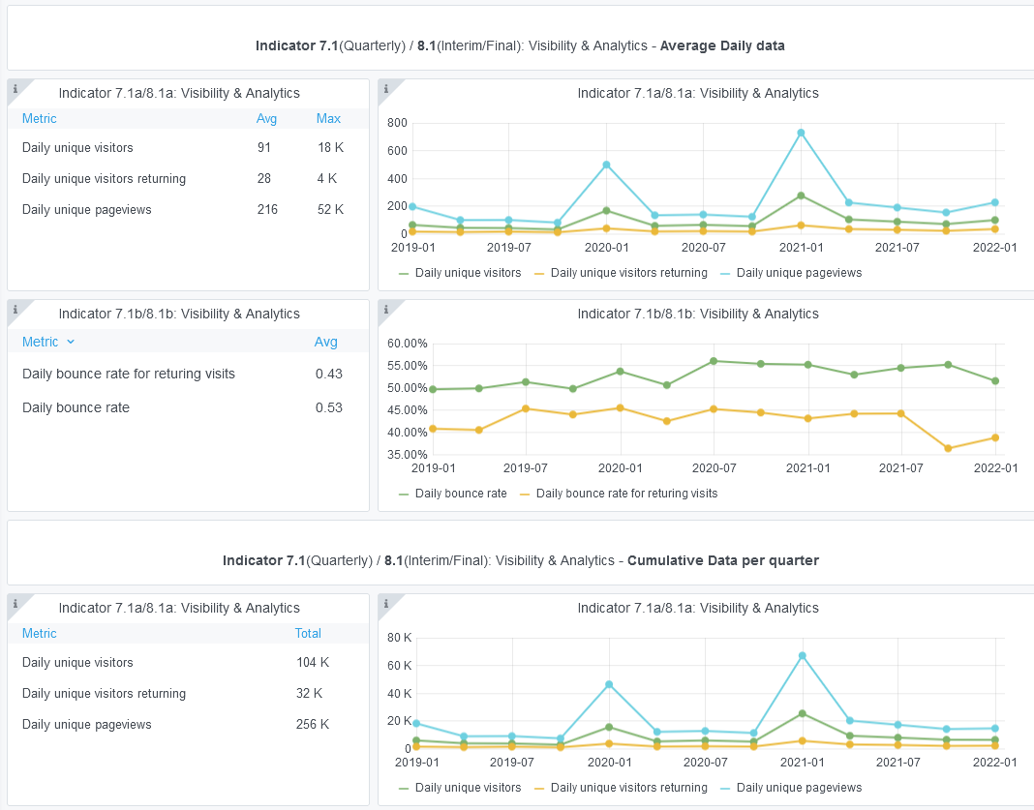

7.2 SEO assessment - Acquisitions
Reporting date | Portal name | Analytics tool
2022-01-01 | Human Activities | Matomo

9-10-11(User stats)
Copy-paste screenshots of the graphs of the information from dashboard
Please refer to "Explanation of the trends and statistics" below
Indicator 9: Visibility & Analytics for web pages
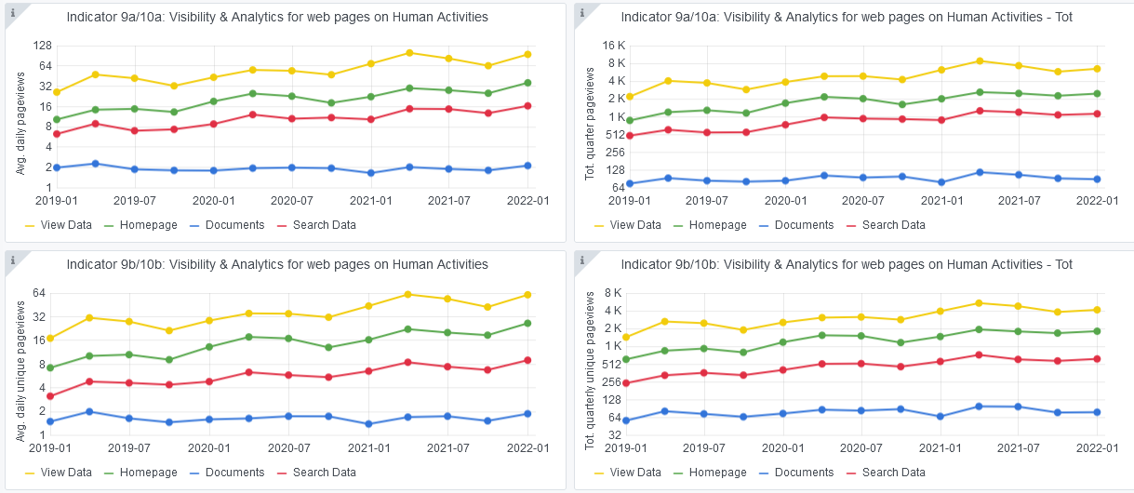

Indicator 10: Visibility & Analytics for web sections
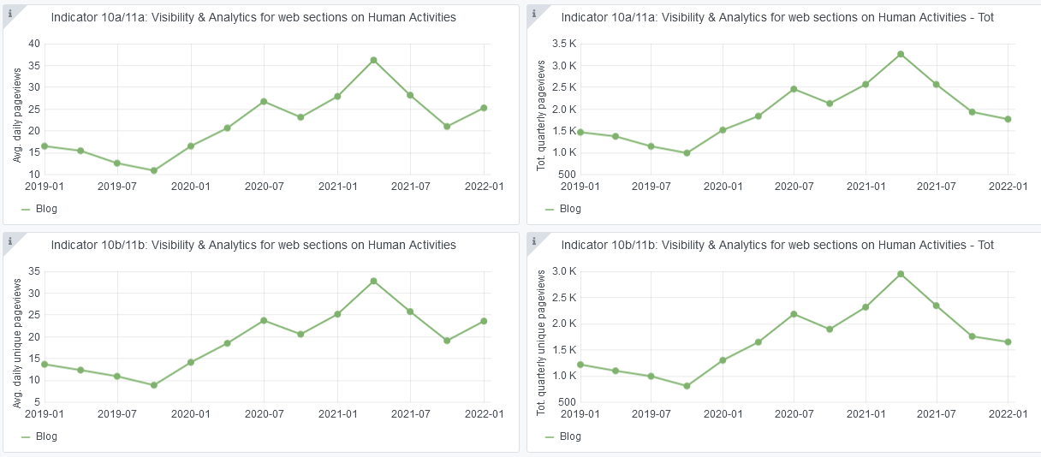

Indicator 11: Average visit duration for web pages

Explanation of the trends and statistics
9) Visibility & analytics for web pages | Visibility slightly increasing after the summer months, as expected
10) Visibility & analytics for web sections | Blog visibility decreasing as no new posts were released
11) Average visit duration for web pages | Nothing to report

