1(Data)
Indicator 1: Current status and coverage of total available thematic data
The purpose of this sheet is to provide a status overview of the different sub-theme data available on the portal and the download frequency by users
Please refer to "Explanation of the trends and statistics" below
1.A) Volume and coverage of available data
Reporting date | Portal name | Volume unit [1]
03/03/2022 | Human Activities | records, related records

Sub-theme [2] |  | Total data volume per sub-theme (records) | Total data volume per sub-theme (since start of project phase, i.e. since last final report) | Total data volume per sub-theme (related records) | Total data volume per sub-theme (since start of project phase, i.e. since last final report) | Trend in total data volume (%) [records] | Trend in total data volume (%) [related records] | Total data Volume in GigaBytes [4]
Aggregate extraction | Aggregate Extraction points | 416 | 406 | 3172 | 2974 | 2% | 6% | 0.001
 | Aggregate Extraction areas | 955 | 1059 |  |  | -11% |  | 0.001
Cultural heritage | Ship Wrecks | The provider shares data via WFS only
 | Ship Wrecks SHOM | 4740 | new |  |  | n.a. |  | 0.015
 | Lighthouses | 4062 | 4062 |  |  | 0% |  | 0.002
 | Submerged Prehistoric Archaeology and Landscapes | The provider shares data via WFS only
Dredging | Dredging | 5022 | 4446 | 9555 | 8733 | 11% | 9% | 0.004
Environment | Nationally designated areas (CDDA) | 100967 | 100658 |  |  | 0.31% |  | 0.368
 | Natura 2000 areas | 26917 | 27845 |  |  | -3% |  | 0.334
 | State of bathing waters | Coastal or transitional |  |  |  |  |  | 0.149
 |  | 15096 | 15145 | 476056 | 454350 | -0.32% | 5%
 |  | Total
 |  | 22276 | 22295 | 690556 | 668850 | -0.09% | 3%
Fisheries | FAO fishery statistical areas | 322 | 322 |  |  | 0% |  | 0.009
 | ICES statistical areas | 65 | 65 |  |  | 0% |  | 0.022
 | Fishery catches by FAO statistical area | 137 | 137 | 90446 | 83831 | 0% | 7% | 0.057
 | Monthly first sales, EUMOFA | 2243 | 2385 | 4261694 | 4101733 | -6% | 4% | 1.330
 | Fishing intensity | 435035 | 159529 |  |  | 63% |  | 0.105
 | Fishing effort | 169 | 169 | 46751 | 46751 | 0% | 0% | 0.015
Oil and gas | Boreholes | 26457 | 26457 |  |  | 0% |  | 0.004
 | Active Licences | 1414 | 2214 |  |  | -57% |  | 0.001
 | Offshore installations | 2105 | 2105 |  |  | 0% |  | 0.001
Main ports | Goods | 2440 | 2440 | 369359 | 351657 | 0% | 5% | 2.16
 | Passengers | 2440 | 2440 | 281903 | 271500 | 0% | 4%
 | Vessels | 2440 | 2440 | 7305984 | 7297920 | 0% | 0.11%
Algae production | Macroalgae, microalgae and spirulina production sites | 434 | 422 | 1538 | 1492 | 3% | 3% | 0.001
Aquaculture | Shellfish production | 7236 | 2170 | 6247 |  | 70% | n.a. | 0.003
 | Finfish production | 2469 | 2561 | 5659 |  | -4% | n.a. | 0.002
 | Freshwater production | 9148 | 9148 | 20632 | 20632 | 0% | 0% | 0.005
Ocean energy | Projects | 174 | 165 | 270 | 252 | 5% | 7% | 0.0004
 | Test sites | 34 | 34 |  |  | 0% |  | 0.0005
Other forms of area management / designation | International conventions | 8 | 8 |  |  | 0% |  | 0.103
 | Maritime boundaries (lines) | 76381 | 198 |  |  | 100% |  | 0.065
 | EEZ areas | 75 | 21 |  |  | 72% |  | 0.015
 | Advisory councils | 11 | 11 |  |  | 0% |  | 0.307
 | MSFD Reporting Units | 20 | 20 |  |  | 0% |  | 0.031
Pipelines | Actual route locations | 3935 | 3933 |  |  | 0% |  | 0.007
Cables | Landing stations (schematic cables) | 415 | 415 |  |  | 0% |  | 0.0004
 | Schematic cables | 166 | 166 |  |  | 0%
 | Telecom cables Actual route locations | 209 | 209 |  |  | 0% |  | 0.0005
 | Power cables | 1097 | new |  |  | n.a. |  | 0.0005
Waste disposal | Dumped munitions points | 600 | 198 |  |  | 67% |  | 6.256E-04
 | Dumped munitions areas | 166 | 163 |  |  | 2%
 | Dredge spoil dumping points | 1161 | 686 | 1595 |  | 41% | n.a. | 0.001
 | Dredge spoil dumping areas | 1919 | 437 | 2600 |  | 77% | n.a.
 | UWW Treatment Plants | 12619 | 8771 | 40348 |  | 30% | n.a. | 0.021
 | UWW Discharge Points | 14933 | 10558 | 37903 |  | 29% | n.a. | 0.019
 | Waste at ports | 59 | 59 | 276 | 276 | 0% | 0% | 0.001
Wind farms | Wind Farms points | 276 | 186 |  |  | 33% |  | 0.0008
 | Wind Farms areas | 306 | 137 |  |  | 55%
Nuclear power plants | Nuclear Power plants sites | 45 | 45 | 121 | 121 | 0% | 0% | 0.001
Military zones | Military zones points | 36 | 36 |  |  | 0% |  | 0.0005
 | Military zones areas | 227 | 225 |  |  | 1%
MSP | Spatial Plan areas, polygons | 9 | new |  |  | n.a. |  | 0.0423
 | Regulation, polygons | 9 | new |  |  | n.a.
 | Zoning element, polygons | 2209 | new |  |  | n.a.
 | Zoning element, lines | 205 | new |  |  | n.a.
 | Zoning elements, points | 515 | new |  |  | n.a.
Desalination | Desalination plants | 955 | new | 3911 | new | n.a. | n.a. | 0.0033

Volume unit | Sea-basins [5]
Indicate here unit of measurement: % area, or number of platforms/CDIs/ records or…? | Atlantic EEA (North East Atlantic Ocean, Macaronesia, Iceland Sea, Norwegian Sea, Celtic Seas, Bay of Biscay and Iberian coast, White Sea, Barents Sea) |  | Arctic (not defined by EEA shapefile) [6] |  | Baltic Sea EEA |  | Black Sea EEA |  | Med Sea EEA (Adriatic Sea, Ionian Sea and the Central Mediterranean Sea, Western Meditarranean Sea, Aegean-Levantine Sea) |  | Greater North Sea EEA |  | Caspian Sea (not defined by EEA shapefile) |  | Caribbean Sea (not defined by EEA shapefile) |  | Other Seas (Other regions not defined by EEA shapefiles)
Sub-theme [2] | Total area coverage (total %) or data density (number) | Added this phase (% or number) | Total area coverage (total %) or data density (number) | Added this phase (% or number) | Total area coverage (total %) or data density (number) | Added this phase (% or number) | Total area coverage (total %) or data density (number) | Added this phase (% or number) | Total area coverage (total %) or data density (number) | Added this phase (% or number) | Total area coverage (total %) or data density (number) | Added this phase (% or number) | Total area coverage (total %) or data density (number) | Added this phase (% or number) | Total area coverage (total %) or data density (number) | Added this phase (% or number) | Total area coverage (total %) or data density (number) | Added this phase (% or number)

Provide your opinion on data coverage in the narrative
Provide your opinion on data coverage in the narrative

Please highlight newly added data within this reporting period.
[1] Indicate the volume unit of measurement: “records”, "CDI", “data sets”, or “platforms”.
[2] The list of sub-themes is provided in the first tab.
[3] Trend is calculated from the figures at the end of the last project phase as compared with the figures at this stage.
Explanation of trend value in the narrative.
[4] Decimal definition 1 GB = 1000^3 bytes.
[5] Total % sea-basin area covered by all data or number of CDIs/platforms/records in this area (left column) ; % area covered by data added in this phase or number of CDIs/platforms/records added this phase (right column).
Please feel free to record the areas as you did in the past, if you have problems with this lay-out. If you do that, please record this fact in the narrative.
[6] Please note that the data that occur in the Arctic will also occur in the other areas.

1.B) Usage of data since the start of the project phase
Reporting date | Portal name | Manual download unit [1]
03/03/2022 | Human Activities | datasets
 |  | Trend on data |  |  |  |  | Web service Trends
Name of sub-theme/ interface | Breakdown of sub-theme | Unit and Total Volume available for download [2] | Total Volume downloaded in GigaBytes [3] | Number of manual downloads (this reporting period) | Number of manual downloads (status last final report) | Trend number of downloads (%) [4] | Number of Map visualisations (this reporting period) | Number of Map visualisations (last final report) | Trend number of map visualisations (%) [4] | Number of WMS requests (this reporting period) | Number of WMS requests (last final report) | Trend number of WMS requests (%) [4] | Number of WFS requests (this reporting period) | Number of WFS requests (last final report) | Trend number of WFS requests (%) [4]
Aggregate extraction | Aggregate Extraction points | 1 | 0.16 | 107 | 241 | -56% | n.a. | n.a. | n.a. | 6 | 15 | -60% | 4 | 19 | -79%
 | Aggregate Extraction areas | 1 | 0.17 | 170 | 268 | -37% | n.a. | n.a. | n.a. | 13 | 18 | -28% | 9 | 26 | -65%
Cultural heritage | Ship Wrecks | 0 | n.a. | n.a. | n.a. | n.a. | n.a. | n.a. | n.a. | n.a. | n.a. | n.a. | n.a. | n.a. | n.a.
 | Ship Wrecks | 1 | n.a. | n.a. | n.a. | n.a. | n.a. | n.a. | n.a. | n.a. | n.a. | n.a. | n.a. | n.a. | n.a.
 | Lighthouses | 1 | 0.33 | 190 | 160 | 19% | n.a. | n.a. | n.a. | 20 | 11 | 82% | 22 | 17 | 29%
 | Submerged Prehistoric Archaeology and Landscapes | 0 | n.a. | n.a. | n.a. | n.a. | n.a. | n.a. | n.a. | n.a. | n.a. | n.a. | n.a. | n.a. | n.a.
Dredging | Dredging | 1 | 0.63 | 165 | 203 | -19% | n.a. | n.a. | n.a. | 3 | 14 | -79% | 7 | 12 | -42%
Environment | Nationally designated areas (CDDA) | 1 | 128.12 | 348 | 280 | 24% | n.a. | n.a. | n.a. | 16 | 17 | -6% | 19 | 11 | 73%
 | Natura 2000 areas | 1 | 172.00 | 515 | 339 | 52% | n.a. | n.a. | n.a. | 35 | 18 | 94% | 35 | 19 | 84%
 | State of bathing waters | 1 | 15.39 | 103 | 111 | -7% | n.a. | n.a. | n.a. | 0 | 5 | -100% | 7 | 6 | 17%
Fisheries | FAO fishery statistical areas | 1 | 0.01 | 1 | 9 | -89% | n.a. | n.a. | n.a. | 0 | 0 | 0% | 22 | 15 | 47%
 | ICES statistical areas | 1 | 0.00 | 0 | 1 | n.a. | n.a. | n.a. | n.a. | 9 | 8 | 13% | 13 | 7 | 86%
 | Fishery catches by FAO statistical area | 1 | 5.74 | 100 | 121 | -17% | n.a. | n.a. | n.a. | 0 | 0 | 0% | 5 | 8 | -38%
 | Monthly first sales, EUMOFA | 1 | 134.33 | 101 | 85 | 19% | n.a. | n.a. | n.a. | 0 | 0 | 0% | 3 | 1 | 200%
 | Fishing intensity | 1 | 39.13 | 371 | 109 | 240% | n.a. | n.a. | n.a. | 46 | 13 | 254% | 20 | 4 | 400%
 | Fishing effort | 1 | 1.40 | 92 | 54 | 70% | n.a. | n.a. | n.a. | 0 | 0 | 0% | 9 | 1 | 800%
Oil and gas | Boreholes | 1 | 1.02 | 289 | 228 | 27% | n.a. | n.a. | n.a. | 5 | 7 | -29% | 4 | 3 | 33%
 | Active Licences | 1 | 0.41 | 330 | 248 | 33% | n.a. | n.a. | n.a. | 9 | 10 | -10% | 8 | 10 | -20%
 | Offshore installations | 1 | 0.44 | 557 | 569 | -2% | n.a. | n.a. | n.a. | 23 | 21 | 10% | 16 | 15 | 7%
Main ports | Goods, Passengers, Vessels | 1 | 1555.20 | 720 | 517 | 39% | n.a. | n.a. | n.a. | 31 | 27 | 15% | 26 | 15 | 73%
Algae production | Macroalgae and microalgae production sites | 3 | 0.41 | 441 | 223 | 98% | n.a. | n.a. | n.a. | 11 | 9 | 22% | 7 | 3 | 133%
Aquaculture | Shellfish production | 1 | 0.62 | 181 | 266 | -32% | n.a. | n.a. | n.a. | 9 | 9 | 0% | 8 | 15 | -47%
 | Finfish production | 1 | 0.38 | 229 | 224 | 2% | n.a. | n.a. | n.a. | 15 | 6 | 150% | 14 | 11 | 27%
 | Freshwater production | 1 | 0.35 | 77 | 64 | 20% | n.a. | n.a. | n.a. | 2 | 1 | 100% | 0 | 3 | -100%
Ocean energy | Projects | 1 | 0.08 | 190 | 172 | 10% | n.a. | n.a. | n.a. | 7 | 6 | 17% | 2 | 8 | -75%
 | Test sites | 1 | 0.04 | 75 | 92 | -18% | n.a. | n.a. | n.a. | 1 | 3 | -67% | 1 | 2 | -50%
Other forms of area management / designation | International conventions | 4 | 9.33 | 91 | 58 | 57% | n.a. | n.a. | n.a. | 5 | 5 | 0% | 2 | 2 | 0%
 | Maritime boundaries (lines) | 1 | 16.68 | 255 | 195 | 31% | n.a. | n.a. | n.a. | 12 | 14 | -14% | 11 | 5 | 120%
 | EEZ areas | 1 | 4.70 | 321 | 190 | 69% | n.a. | n.a. | n.a. | 14 | 2 | 600% | 7 | 3 | 133%
 | EEZ coastline | 1 |  | 204 | new | n.a. | n.a. | n.a. | n.a. | 2 | new | n.a. | 5 | new | n.a.
 | Advisory councils | 1 | 16.87 | 55 | 53 | 4% | n.a. | n.a. | n.a. | 2 | 0 | n.a. | 4 | 0 | n.a.
 | MSFD Reporting Units | 1 | 9.38 | 300 | 96 | 213% | n.a. | n.a. | n.a. | 6 | 0 | n.a. | 9 | 3 | 200%
Pipelines | Actual route locations | 1 | 4.12 | 631 | 423 | 49% | n.a. | n.a. | n.a. | 32 | 20 | 60% | 24 | 20 | 20%
Cables | Landing stations (schematic cables) | 1 | 0.22 | 562 | 11 | 5009% | n.a. | n.a. | n.a. | 23 | 3 | 667% | 7 | 1 | 600%
 | Schematic cables | 4 | 0.29 | 735 | 658 | 12% | n.a. | n.a. | n.a. | 48 | 33 | 45% | 34 | 26 | 31%
 | Actual route locations / power cables | 1 | 0.27 | 577 | 521 | 11% | n.a. | n.a. | n.a. | 41 | 26 | 58% | 22 | 15 | 47%
Waste disposal | Dumped munitions | 1 | 0.17 | 265 | 220 | 20% | n.a. | n.a. | n.a. | 7 | 3 | 133% | 10 | 4 | 150%
 | Dredge spoil dumping points | 1 | 0.29 | 198 | 164 | 21% | n.a. | n.a. | n.a. | 1 | 6 | -83% | 0 | 4 | -100%
 | UWW Treatment Plants | 1 | 2.32 | 108 | 58 | 86% | n.a. | n.a. | n.a. | 2 | 1 | 100% | 6 | 2 | 200%
 | UWW Discharge Points | 1 | 1.96 | 103 | 96 | 7% | n.a. | n.a. | n.a. | 2 | 1 | 100% | 3 | 1 | 200%
 | Waste at ports | 1 | 0.05 | 68 | 47 | 45% | n.a. | n.a. | n.a. | 6 | 1 | 500% | 2 | 0 | n.a.
Wind farms | Wind Farms locations (centroid) | 1 | 1.44 | 1896 | 1433 | 32% | n.a. | n.a. | n.a. | 67 | 44 | 52% | 55 | 79 | -30%
 | Wind Farms areas | 1 |  |  |  |  | n.a. | n.a. | n.a. | 64 | 66 | -3% | 117 | 81 | 44%
Nuclear power plants | Nuclear Power plants sites (points) | 1 | 0.16 | 227 | 73 | 211% | n.a. | n.a. | n.a. | 6 | 1 | 500% | 4 | 21 | -81%
Military areas | Military areas | 4 | 0.18 |  | new | n.a. | n.a. | n.a. | n.a. | 11 | new | n.a. | 11 | new | n.a.
MSP | MSP | 1 | 7.92 | 187 | new | n.a. | n.a. | n.a. | n.a. | 6 | new | n.a. | 12 | new | n.a.
Desalination | Desalination plants | 1 | 0.08 | 25 | new | n.a. | n.a. | n.a. | n.a. | 0 | new | n.a. | 1 | new | n.a.
[1] Define unit of manual download (e.g. datasets, requests, records, …); additional explanation can be provided in the narrative.
[2] Indicate the unit and total volume of downloadable items in relation to the unit in which they are downloadable (e.g. the total volume or number of CDIs/records/datasets/... available for download) – clearly specify the unit.
[3] Decimal definition 1 GB = 1000^3 bytes.
[4] Trend is calculated from the figures at the end of the last phase as compared with the figures at this stage.
Explanation of trend value in the narrative.

Explanation of the trends and statistics
1A) Volume and coverage of available data | Volume usually increases over time, as new data sets and new data sources are added on a regular basis
1B) Usage of data since the start of the project phase | Usage's also increased since last yearly report. Interestingly, web services increase more than downloads

6(User stats)&7(Use case stats)
Please refer to "Explanation of the trends and statistics" below
Indicator 6: Statistics on information volunteered through download forms
The purpose of this indicator is to gauge the extent of the dedicated community
Data derived from the portal's download form(s)
Reporting date | Portal name
03/03/2022 | Human Activities
Interfaces [1] | Means of information collection | Number of users giving information [2] | Total number of users since end of the last final
Data download service | Download form | 6580

Organisation type | % of users [3] | Main use cases and application areas [4]
Academia/Research | 53.82% | ­ Positioning of windfarm licence area in comparison to O&G licence blocks; ­ We are undertaking a project looking at the potential spread of oil from shipwrecks around the UK, and the potential impacts associated with this; ­ Statistical Analysis Italian Coast Guard; ­ Maritime Spatial Planning; ­ GIS Mapping, to assist in EIA reporting; ­ We are currently performing research on NOx and SO2 shipping emissions over the Mediterranean using state-of-the art modeling, provided by the LOTOS-EUROS CTM model, and satellite observations provided by the S5P/TROPOMI sensor; ­ Get shipping intensity for acoustic analysis; ­ Research in underwater noise, aiming to compare underwater noise and shipping activity during 1st COVID lockdown with before and after; ­ Mapping density of shipping activities for the designation of an ideal location for the installation of an instrument measuring emissions; ­ We are creating a global algae landscape of companies operating in the algae industry; ­ Data will be used for a study that aims at selecting a suitable site for the setup of a mooring dedicated to vicarious calibration of European ocean color satellite sensors; ­ Creating some maps to support a project for a telecom cable decommissioning; ­ Offshore wind development; ­ Oyster site suitability; ­ WWF is producing a report on whale migration and human activities; ­ Economic analysis related to offshore wind generation in the North Sea; ­ Weather radar sea clutter identification; ­ Conducting renewable energy geophysical surveys in Danish sector of Baltic Sea; ­ Review management plans for existing marine/ coastal Natura 2000 sites on Romanian coast; ­ To be used to model effect of ship noise on the ecosystem of the Norwegian and Barents Sea; ­ Background research on the looming competition between fisheries and offshore wind; ­ Pipeline route study; ­ Interactions of birds with offshore wind farms; ­ Evaluate distance of offshore wind farms to shore, gain experience to apply in Brazi
Government/Public administration | 9.10%
Business and Private company | 27.52%
NGOs/Civil society | 2.85%
Others | 6.71%
Countries and regions [5] | % of users [6]
Albania | 0.05%
Andorra | 0.00%
Armenia | 0.01%
Austria | 0.51%
Azerbaijan | 0.08%
Belarus | 0.02%
Belgium | 1.57%
Bosnia and Herzegovina | 0.03%
Bulgaria | 0.24%
Croatia | 0.50%
Cyprus | 0.00%
Czech Republic (Czechia) | 0.35%
Denmark | 1.09%
Estonia | 0.08%
Finland | 1.30%
France | 4.72%
Georgia | 0.02%
Germany | 3.77%
Greece | 2.12%
Hungary | 0.16%
Iceland | 0.17%
Ireland | 1.23%
Italy | 7.71%
Latvia | 0.11%
Liechtenstein | 0.00%
Lithuania | 0.10%
Luxembourg | 0.20%
Malta | 0.29%
Moldova | 0.03%
Monaco | 0.01%
Montenegro | 0.01%
Netherlands | 4.43%
North Macedonia | 0.02%
Norway | 1.95%
Poland | 1.33%
Portugal | 1.29%
Romania | 0.48%
Russia | 1.11%
San Marino | 0.00%
Serbia | 0.03%
Slovakia | 0.04%
Slovenia | 0.11%
Spain | 5.15%
Sweden | 1.45%
Switzerland | 0.28%
Turkey | 0.62%
Ukraine | 0.16%
United Kingdom | 19.49%
Vatican City | 0.00%
Sum European countries | 64.32%
Asia | 8.15%
North America | 24.62%
South America | 0.75%
Central America | 0.03%
Oceania | 0.66%
Africa | 1.46%
[1] Which portal interfaces are concerned by the table statistics: e.g. map viewer, data download service? Some interfaces like web-services are not well suited for user information gathering and can be reported in a separate table.
[2] Relevant when the user form is optional.
[3] Percentage of users which belong to this organisation type.
[4] Compile a bullet-point list of use cases from user form or oral feedback. A few words per use-case suffice. These use cases can be repeated in each interface table.
[5] Distribution of users per region. European countries taken from https://europa.eu/european-union/about-eu/countries_en
[6] Percentage of users belonging to this region.

Indicator 7: Published use cases
Refer to the guidance provided by the EMODnet Secretariat ("EMODnet Use Cases: Guidance and Procedures").
Copy-paste screenshot of the graphs of the information from dashboard
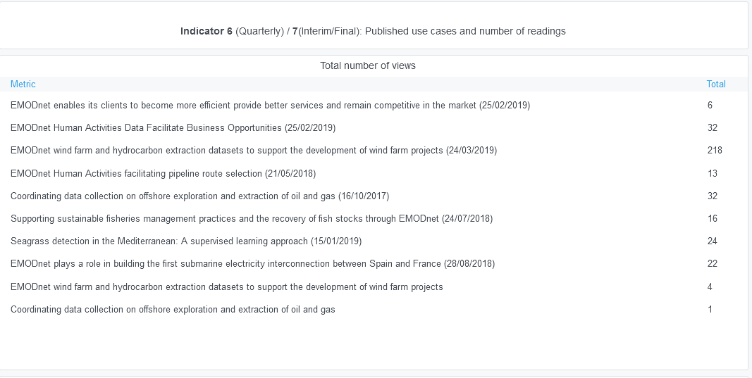

Explanation of the trends and statistics
6) Statistics on information volunteered through download forms | Breakdown by user category tends to be pretty stable, with industry users at around 30%
7) Published use cases | Having stopped collecting users' email addresses, it's become extremely difficult to find new use cases

8(Analytics)
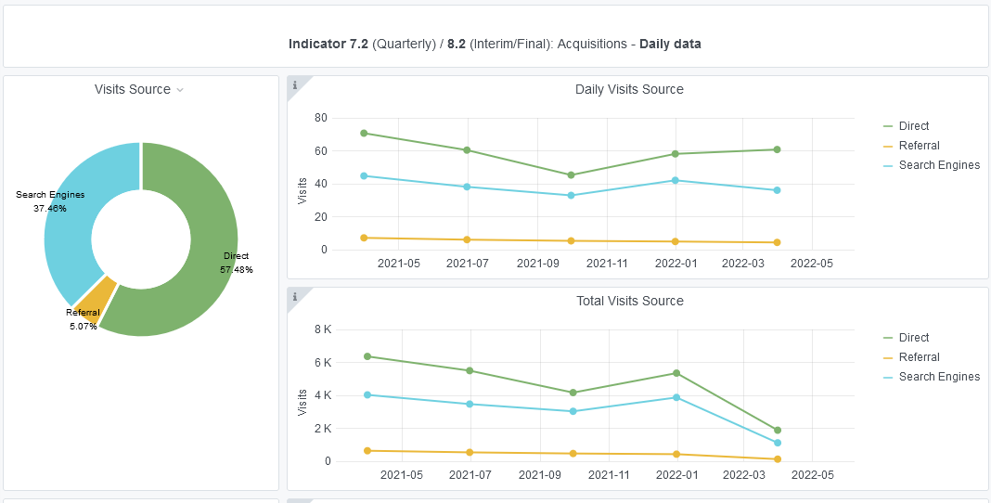
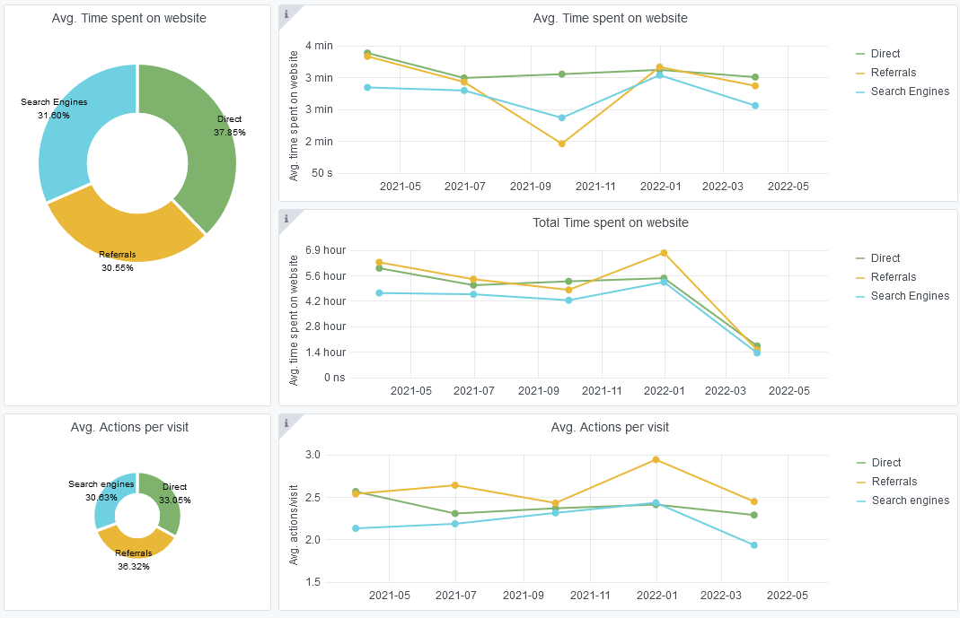
Copy-paste screenshots of the graphs of the information from dashboard
Indicator 8: Portal & Social Media visibility
8.1 Visibility & Analytics (Portal overview)
Reporting date | Portal name | Analytics tool
03/03/2022 | Human Activities | Matomo
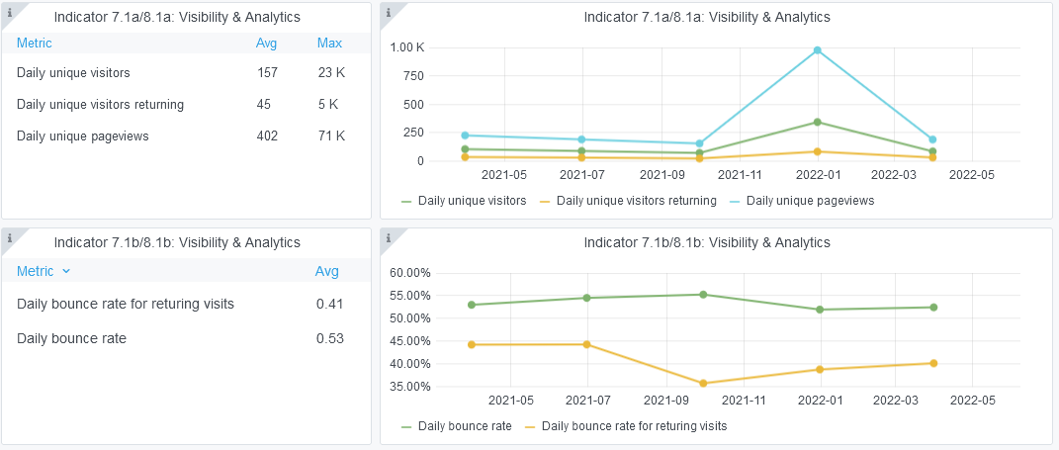

8.2 SEO assessment - Acquisitions
Reporting date | Portal name | Analytics tool
03/03/2022 | Human Activities | Matomo

10-11-12(User stats)
Copy-paste screenshots of the graphs of the information from dashboard
Please refer to "Explanation of the trends and statistics" below
Indicator 10: Visibility & Analytics for web pages
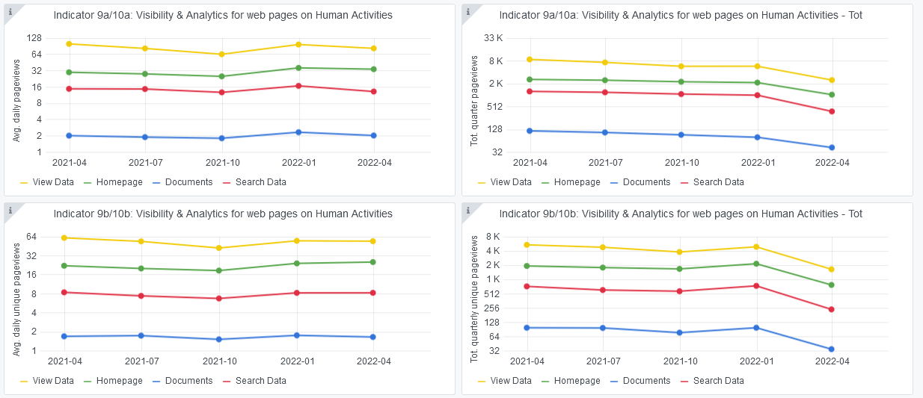

Indicator 11: Visibility & Analytics for web sections
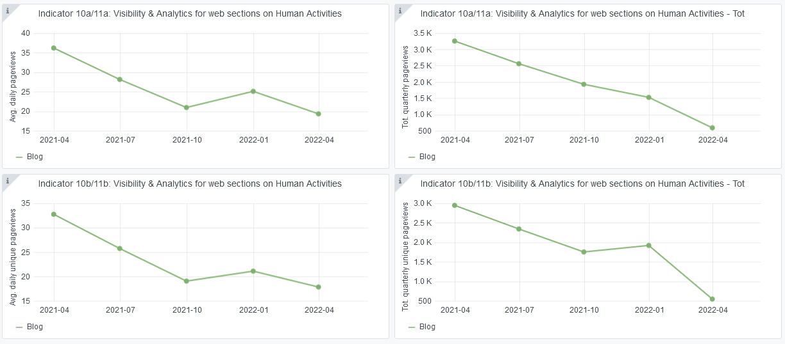

Indicator 12: Average visit duration for web pages

Explanation of the trends and statistics
10) Visibility & analytics for web pages | Visibility on a pretty stable trend, with some pages going up and some others going down. Trend worsens in the 1st quarter of 2022, but on average there are no big differences.
11) Visibility & analytics for web sections | Visibility for web sections going down, but it is difficult to understand why
12) Average visit duration for web pages | Average visit duration more or less stable. Average visit duration for documents on an upward trend. This is probably related to the method for vessel density maps, which has been receiving an increasing number of citations.

