1(Data)
Indicator 1: Current status and coverage of total available thematic data
The purpose of this sheet is to provide a status overview of the different sub-theme data available on the portal and the download frequency by users
Please refer to "Explanation of the trends and statistics" below
1.A) Volume and coverage of available data
Reporting date | Portal name | Volume unit [1]
2022-05-15 | Seabed Habitats | number of records

Sub-theme [2] | Total data volume per sub-theme (refer to [1]) | Total data volume per sub-theme (previous quarter) | Trend in total data volume (%) [3] | Total data Volume in GigaBytes [4]
Habitats - seabed habitats (including coastal wetlands): collection of classified points | 476236 | 476236 | 0.0% | 0.82

Volume unit | Sea-basins [5]
Indicate here unit of measurement: number of records | Atlantic (%) |  | Arctic (%) |  | Baltic (%) |  | Black Sea (%) |  | Med Sea (%) |  | North Sea (%) |  | Other Seas (%) |  | Other seas Phase IV (%)
Sub-theme [2] | Total area coverage (number of records) | Added this quarter (number of records) | Total area coverage (number of records) | Added this quarter (number of records) | Total area coverage (number of records) | Added this quarter (number of records) | Total area coverage (number of records) | Added this quarter (number of records) | Total area coverage (number of records) | Added this quarter (number of records) | Total area coverage (number of records) | Added this quarter (number of records) | Total area coverage (number of records) | Added this quarter (number of records) | Total area coverage (number of records) | Added this quarter (number of records)
Habitats - seabed habitats (including coastal wetlands): collection of classified points | 236019 | 0 | 3774 | 0 | 116721 | 0 | 4385 | 0 | 45219 | 0 | 70118 | 0 | 0 | 0 | 0 | 0

Provide your opinion on data coverage in the narrative

Please highlight newly added data within this reporting period.
[1] Indicate the volume unit of measurement: “records”, "CDI", “data sets”, or “platforms”.
[2] The list of sub-themes is provided in the first tab.
[3] Trend is calculated from the figures at the end of the last quarter as compared with the figures at this stage.
Explanation of trend value in the narrative.
[4] Decimal definition 1 GB = 1000^3 bytes.
[5] Total % sea-basin area covered by all data or number of CDIs/platforms/records in this area (left column) ; % area covered by data added in this phase or number of CDIs/platforms/records added this phase (right column).
Please feel free to record the areas as you did in the past, if you have problems with this lay-out. If you do that, please record this fact in the narrative.
[6] Please note that the data that occur in the Arctic will also occur in the other areas.

1.B) Usage of data in this quarter
Reporting date | Portal name | Manual download unit [1]
44696 | Seabed Habitats | number of records
 |  | Trend on data |  |  |  |  | Web service Trends
Name of sub-theme/ interface | Breakdown of sub-theme | Unit and Total Volume available for download [2] | Total Volume downloaded in GigaBytes [3] | Number of manual downloads (this quarter) | Number of manual downloads (previous quarter) | Trend number of downloads (%) [4] | Number of Map visualisations (this quarter) | Number of Map visualisations (previous quarter) | Trend number of map visualisations (%) [4] | Number of WMS requests (this quarter) | Number of WMS requests (previous quarter) | Trend number of WMS requests (%) [4] | Number of WFS requests (this quarter) | Number of WFS requests (previous quarter) | Trend number of WFS requests (%) [4]
Habitats - seabed habitats (including coastal wetlands): collection of classified points | - | 476236 | 5.45 | 27389408 | 27389692 | 0 | 887334 | 750642 | 18% | 1560933 | 1050719 | 49% | 248 | 166 | 49%

[1] Define unit of manual download (e.g. datasets, requests, records, …); additional explanation can be provided in the narrative.
[2] Indicate the unit and total volume of downloadable items in relation to the unit in which they are downloadable (e.g. the total volume or number of CDIs/records/datasets/... available for download) – clearly specify the unit.
[3] Decimal definition 1 GB = 1000^3 bytes.
[4] Trend compares the result with previous period.

Explanation of the trends and statistics
1A) Volume and coverage of available data | no change since last quarter - next bulk upload due in April 2022. Sub-themes renamed to match new list of sub-themes. Same regions used as in last quarter but we intend to start using the same region boundaries as EMODnet Biology from next quarter onwards
1B) Usage of data in this quarter | not much change in downloads, but some increase is noted for WMS and WFS requests. Part of this is because there was a 2 week gap in the records for December (last quarter).

7(Analytics)
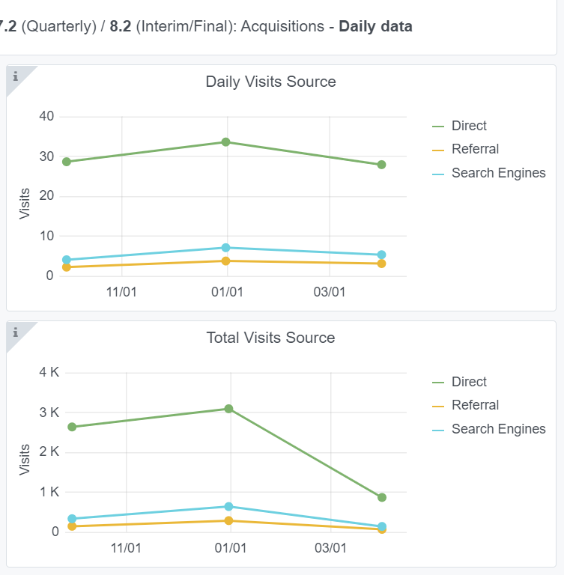
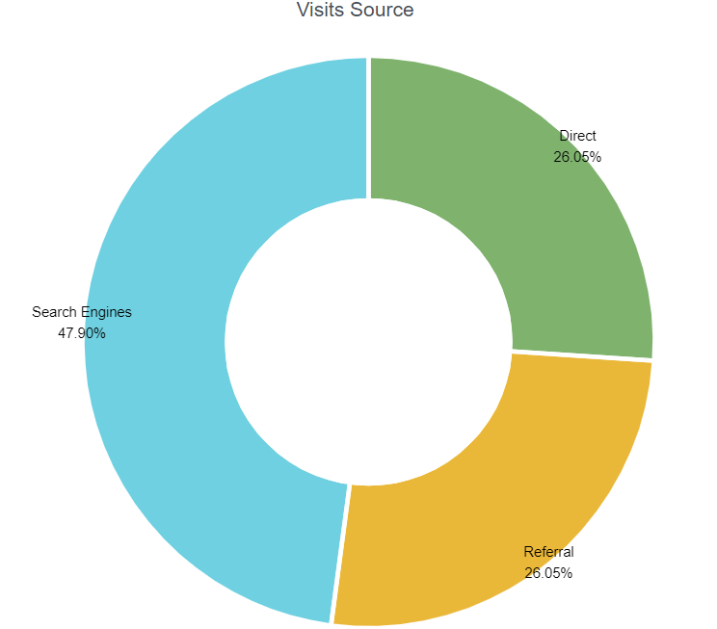
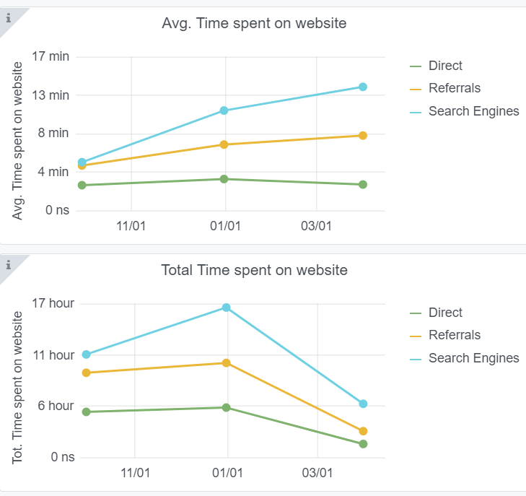
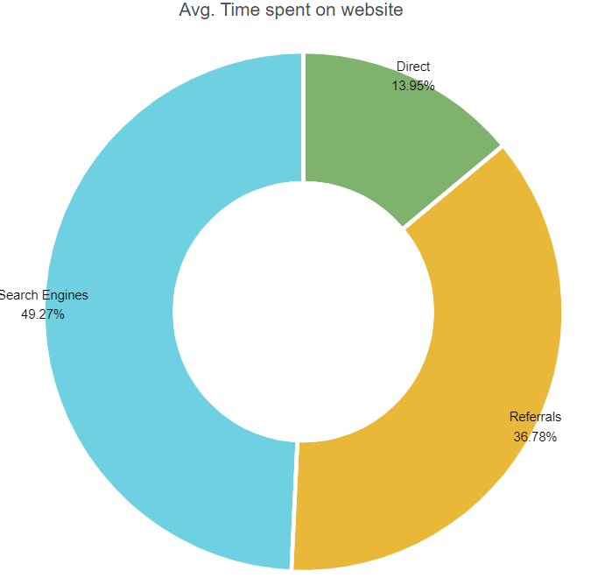
Copy-paste screenshots of the graphs of the information from dashboard
Indicator 7: Portal & Social Media visibility
7.1 Visibility & Analytics (Portal overview)
Reporting date | Portal name | Analytics tool
2022-04-15 | Seabed Habitats | Matomo
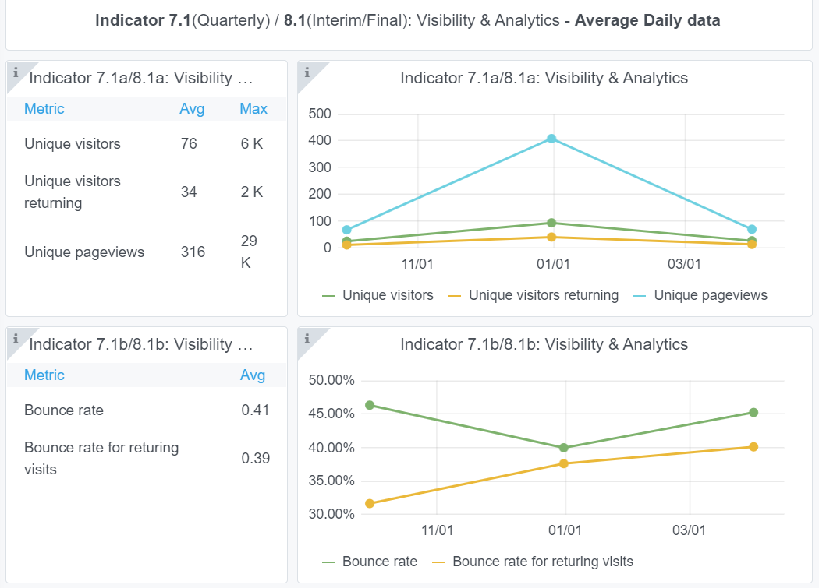

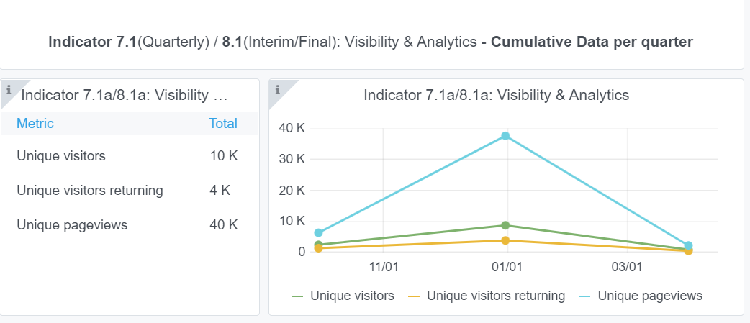

7.2 SEO assessment - Acquisitions
Reporting date | Portal name | Analytics tool
2022-04-15 | Seabed Habitats | Matomo

8(User friendliness)
Please refer to "Explanation of the trends and statistics" below
Indicator 8: Technical monitoring
Copy-paste screenshot of the graphs of the information from dashboard
Reporting date | Portal name
2022-04-15 | Seabed Habitats
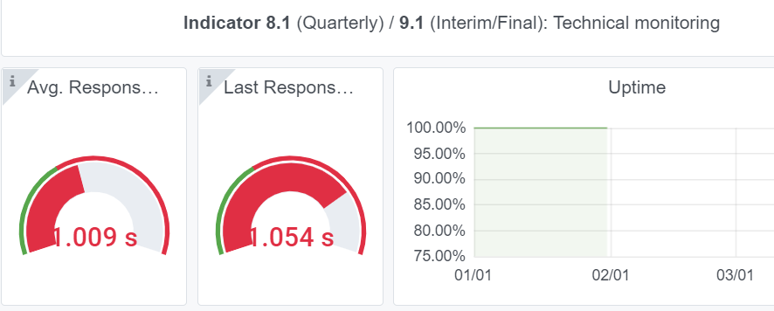

Explanation of the trends and statistics
8) Technical monitoring | longer than usual average response time. Not sure why

9-10-11(User stats)
Copy-paste screenshots of the graphs of the information from dashboard
Please refer to "Explanation of the trends and statistics" below
Indicator 9: Visibility & Analytics for web pages
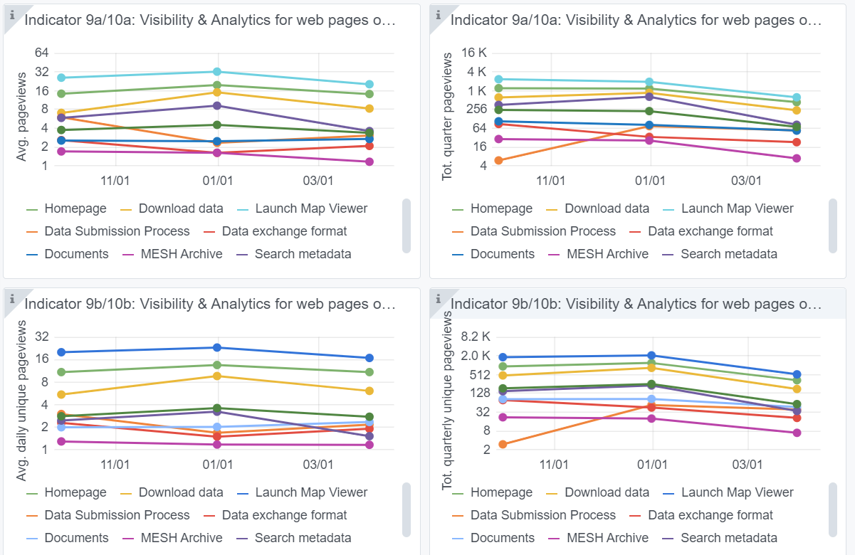

Indicator 10: Visibility & Analytics for web sections
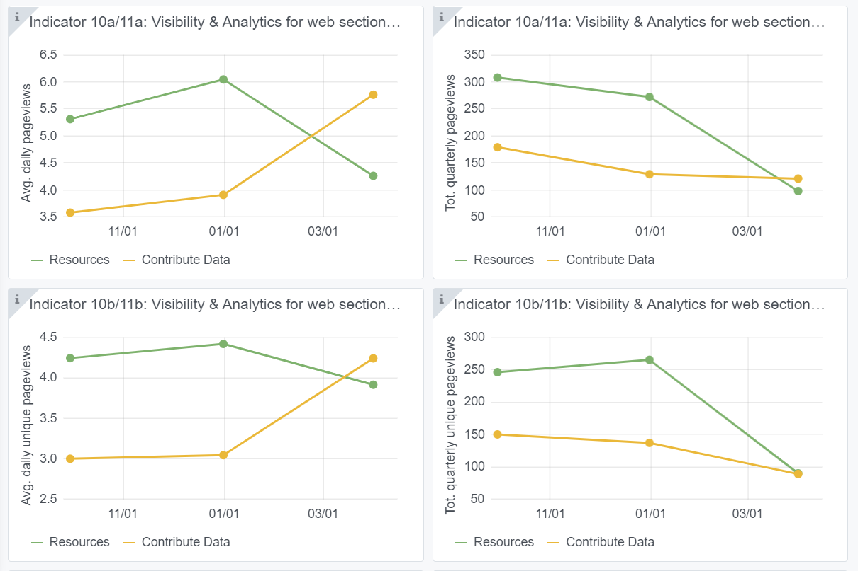

Indicator 11: Average visit duration for web pages
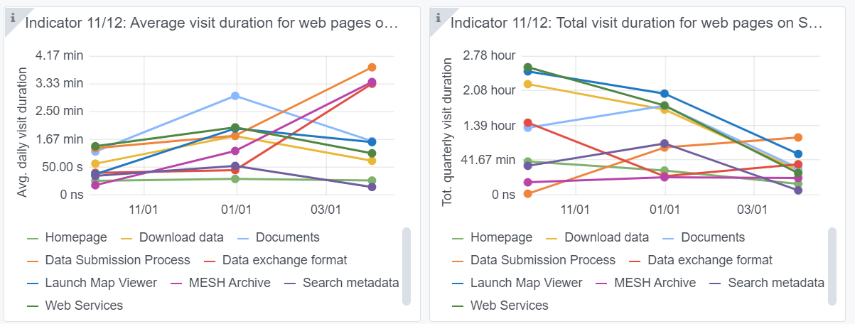

Explanation of the trends and statistics
9) Visibility & Analytics for web pages | overall decrease this quarter perhaps due to higher than average page views last quarter by secretariat/central portal team while doing the page mapping exercise
10) Visibility & analytics for web sections | overall decrease this quarter perhaps due to higher than average page views last quarter by secretariat/central portal team while doing the page mapping exercise
11) Average visit duration for web pages | increase in time spent on pages related to contributing data probably due to project partners accessing the guidance for formatting and submitting data under WP2

