1(Data)
Indicator 1: Current status and coverage of total available thematic data
The purpose of this sheet is to provide a status overview of the different sub-theme data available on the portal and the download frequency by users
Please refer to "Explanation of the trends and statistics" below
1.A) Volume and coverage of available data
Reporting date | Portal name | Volume unit [1]
2022-04-19 | Biology | Records

Sub-theme [2] | Total data volume per sub-theme (refer to [1]) | Total data volume per sub-theme (since start of project phase, i.e. since last final report) | Trend in total data volume (%) [3] | Total data Volume in GigaBytes [4]
(Macro)algae | 1960320 | 595501 | 30.4% | NA
Angiosperms | 22766 | 4893 | 21.5%
Benthos | 8682536 | 2698826 | 31.1%
Birds | 2068796 | 1639 | 0.1%
Fish | 8167438 | 166183 | 2.0%
Mammals | 474850 | 180371 | 38.0%
Phytoplankton | 3121541 | 537116 | 17.2%
Reptiles | 19544 | 3093 | 15.8%
Zooplankton | 2900667 | 131370 | 4.5%

Provide your opinion on data coverage in the narrative
Volume unit | Sea-basins [5]
Indicate here unit of measurement: % area, or number of platforms/CDIs/ records or…? | Atlantic EEA (North East Atlantic Ocean, Macaronesia, Iceland Sea, Norwegian Sea, Celtic Seas, Bay of Biscay and Iberian coast, White Sea, Barents Sea) |  | Arctic (not defined by EEA shapefile) [6] |  | Baltic Sea EEA |  | Black Sea EEA |  | Med Sea EEA (Adriatic Sea, Ionian Sea and the Central Mediterranean Sea, Western Meditarranean Sea, Aegean-Levantine Sea) |  | Greater North Sea EEA |  | Caspian Sea (not defined by EEA shapefile) |  | Caribbean Sea (not defined by EEA shapefile) |  | Other Seas (Other regions not defined by EEA shapefiles)
Sub-theme [2] | Total area coverage (total %) or data density (number) | Added this phase (% or number) | Total area coverage (total %) or data density (number) | Added this phase (% or number) | Total area coverage (total %) or data density (number) | Added this phase (% or number) | Total area coverage (total %) or data density (number) | Added this phase (% or number) | Total area coverage (total %) or data density (number) | Added this phase (% or number) | Total area coverage (total %) or data density (number) | Added this phase (% or number) | Total area coverage (total %) or data density (number) | Added this phase (% or number) | Total area coverage (total %) or data density (number) | Added this phase (% or number) | Total area coverage (total %) or data density (number) | Added this phase (% or number)
(Macro)algae | 37.5% | 71.8% | 1.4% | 0.0% | 18.5% | 1.5% | 2.4% | 1.1% | 3.9% | 0.7% | 29.4% | 24.8% |  |  |  |  | 6.9% | 0.0%
Angiosperms | 31.9% | 50.7% | 0.0% |  | 34.5% | 0.0% | 1.6% | 0.2% | 1.3% | 0.9% | 24.9% | 48.3% |  |  |  |  | 5.9% | 0.0%
Benthos | 39.0% | 69.2% | 2.3% |  | 10.7% | 3.6% | 0.6% |  | 3.8% | 0.7% | 37.5% | 26.1% |  |  |  |  | 6.0%
Birds | 37.4% | 29.1% | 9.4% |  | 3.8% |  | 0.0% |  | 0.5% | 68.8% | 36.2% | 2.1% |  |  |  |  | 12.6%
Fish | 19.0% | 64.3% | 0.4% | 1.1% | 11.8% | 0.2% | 0.0% | 0.1% | 3.1% | 3.7% | 55.6% | 30.0% |  |  |  |  | 10.0% | 0.6%
Mammals | 38.7% | 44.9% | 12.2% |  | 4.5% |  | 0.8% | 0.1% | 6.0% | 1.4% | 29.6% | 53.6% |  |  |  |  | 8.2% | 0.0%
Phytoplankton | 30.7% | 60.2% | 1.8% | 0.0% | 16.3% | 6.8% | 3.9% | 3.2% | 5.1% | 3.3% | 35.2% | 26.4% |  |  |  |  | 7.0% | 0.1%
Reptiles | 52.7% | 86.1% | 0.0% |  | 0.0% |  | 0.0% |  | 16.5% | 13.8% | 1.1% | 0.2% |  |  |  |  | 29.6%
Zooplankton | 29.0% | 25.1% | 8.7% | 0.1% | 11.5% | 3.0% | 5.1% | 17.2% | 6.9% | 29.9% | 18.5% | 20.1% |  |  |  |  | 20.3% | 4.6%
Please highlight newly added data within this reporting period.
[1] Indicate the volume unit of measurement: “records”, "CDI", “data sets”, or “platforms”.
[2] The list of sub-themes is provided in the first tab.
[3] Trend is calculated from the figures at the end of the last project phase as compared with the figures at this stage.
Explanation of trend value in the narrative.
[4] Decimal definition 1 GB = 1000^3 bytes.
[5] Total % sea-basin area covered by all data or number of CDIs/platforms/records in this area (left column) ; % area covered by data added in this phase or number of CDIs/platforms/records added this phase (right column).
Please feel free to record the areas as you did in the past, if you have problems with this lay-out. If you do that, please record this fact in the narrative.
[6] Please note that the data that occur in the Arctic will also occur in the other areas.

1.B) Usage of data since the start of the project phase
Reporting date | Portal name | Manual download unit [1]
2022-04-19 | Biology | requests
 |  | Trend on data |  |  |  |  | Web service Trends
Name of sub-theme/ interface | Breakdown of sub-theme | Unit and Total Volume available for download [2] | Total Volume downloaded in GigaBytes [3] | Number of manual downloads (this reporting period) | Number of manual downloads (status last final report) | Trend number of downloads (%) [4] | Number of Map visualisations (this reporting period) | Number of Map visualisations (last final report) | Trend number of map visualisations (%) [4] | Number of WMS requests (this reporting period) | Number of WMS requests (last final report) | Trend number of WMS requests (%) [4] | Number of WFS requests (this reporting period) | Number of WFS requests (last final report) | Trend number of WFS requests (%) [4]
Biology | NA | 28951171 | 29.2 | 818 | 1962 | -58.3% | NA | NA | NA | NA | NA | NA | NA | NA | NA
[1] Define unit of manual download (e.g. datasets, requests, records, …); additional explanation can be provided in the narrative.
[2] Indicate the unit and total volume of downloadable items in relation to the unit in which they are downloadable (e.g. the total volume or number of CDIs/records/datasets/... available for download) – clearly specify the unit.
[3] Decimal definition 1 GB = 1000^3 bytes.
[4] Trend is calculated from the figures at the end of the last phase as compared with the figures at this stage.
Explanation of trend value in the narrative.

Explanation of the trends and statistics
1A) Volume and coverage of available data | There was an increase in the amount of data available as well as the regional sea coverage. In some themes and areas, this increase was quite substantial and reflects also the publication of datasets submitted through the Phase III data grants. Note that as per tender requirements, data in the Caribbean seas are included in the Atlantic EEA.
1B) Usage of data since the start of the project phase | Note that the trend is negative as it is being compared to the numbers given in the final report, which covered a two year period, whereas this report covers only a one year period.

8(Analytics)
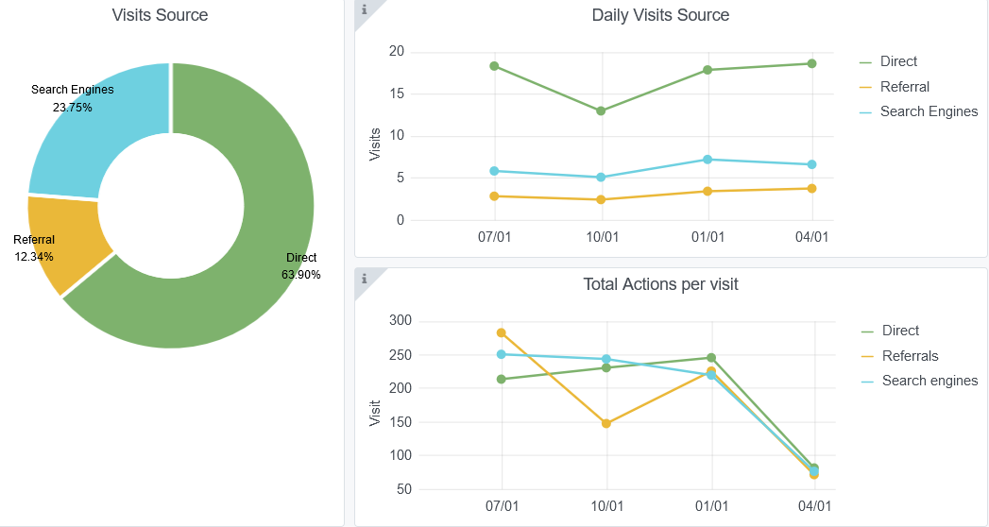
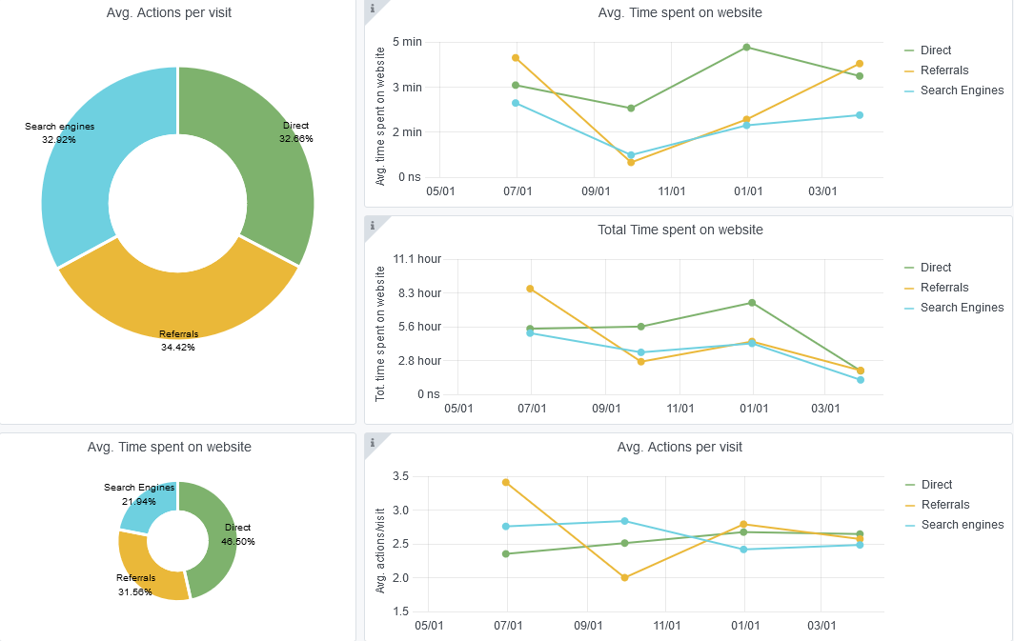
Copy-paste screenshots of the graphs of the information from dashboard
Indicator 8: Portal & Social Media visibility
8.1 Visibility & Analytics (Portal overview)
Reporting date | Portal name | Analytics tool
2022-04-19 | Biology | Matomo
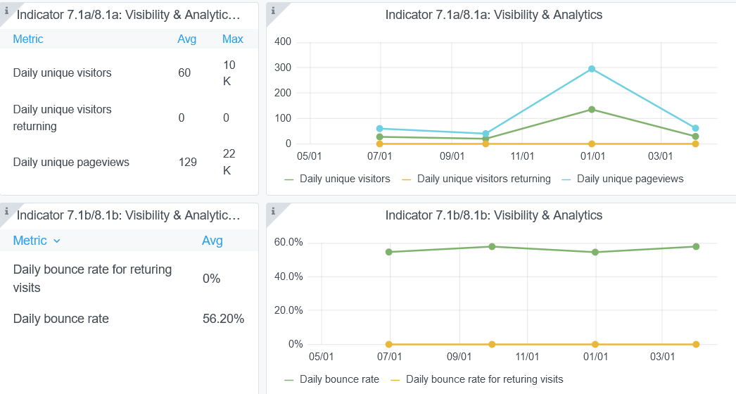

8.2 SEO assessment - Acquisitions
Reporting date | Portal name | Analytics tool
2022-04-19 | Biology | Matomo

10-11-12(User stats)
Copy-paste screenshots of the graphs of the information from dashboard
Please refer to "Explanation of the trends and statistics" below
Indicator 10: Visibility & Analytics for web pages
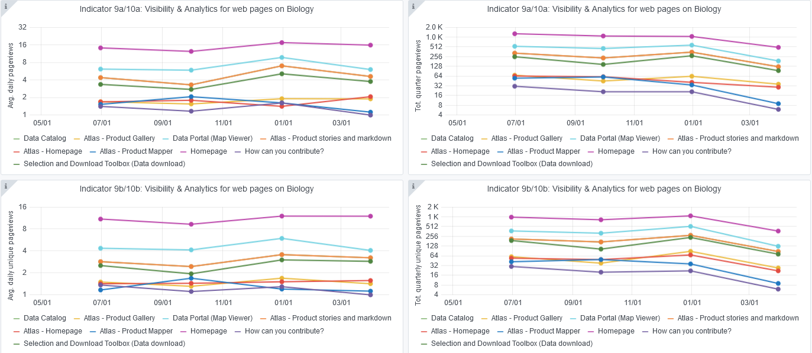

Indicator 11: Visibility & Analytics for web sections
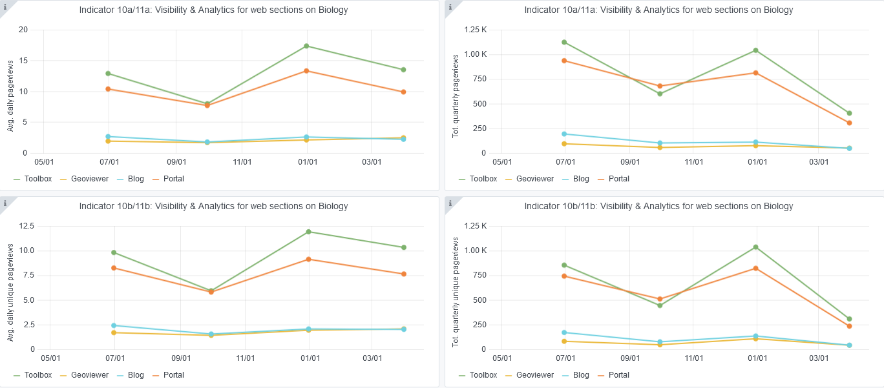

Indicator 12: Average visit duration for web pages

Explanation of the trends and statistics
10) Visibility & analytics for web pages | The quarterly figure indicates that there's been a decrease in this indicator since the last quarter. Various reasons could be presented, e.g COVID impacts delaying research activities, users opting to search and download the data via the OBIS portal
11) Visibility & analytics for web sections | As with the previous indicator, a decrease is also visible in the quarterly numbers.
12) Average visit duration for web pages | The quarterly stats indicate a light decrease in average visit duration for specific pages

