1(Data)
Indicator 1: Current status and coverage of total available thematic data
The purpose of this sheet is to provide a status overview of the different sub-theme data available on the portal and the download frequency by users
Please refer to "Explanation of the trends and statistics" below
1.A) Volume and coverage of available data
Reporting date | Portal name | Volume unit [1]
1-Apr-22 | Bathymetry | datasets [CDIs]

Sub-theme [2] | Total data volume per sub-theme (refer to [1]) | Total data volume per sub-theme (previous quarter) | Trend in total data volume (%) [3] | Total data Volume in GigaBytes [4]
Bathymetry | 36716 | 31432 | 16.81 | REMARK: As discussed earlier with Secretariat it is not possible to monitor and report data volumes for CDIs

Volume unit | Sea-basins [5]
Indicate here unit of measurement: % area, OR number of platforms/CDIs/ records or…? | Atlantic EEA (North East Atlantic Ocean, Macaronesia, Iceland Sea, Norwegian Sea, Celtic Seas, Bay of Biscay and Iberian coast, White Sea, Barents Sea) |  | Arctic (not defined by EEA shapefile) [6] |  | Baltic Sea EEA |  | Black Sea EEA |  | Med Sea EEA (Adriatic Sea, Ionian Sea and the Central Mediterranean Sea, Western Meditarranean Sea, Aegean-Levantine Sea) |  | Greater North Sea EEA |  | Caspian Sea (not defined by EEA shapefile) |  | Caribbean Sea (not defined by EEA shapefile) |  | Other Seas (Other regions not defined by EEA shapefiles)
Sub-theme [2] | Total area coverage (total %) or data density (number) | Added this quarter (% or number) | Total area coverage (total %) or data density (number) | Added this quarter (% or number) | Total area coverage (total %) or data density (number) | Added this quarter (% or number) | Total area coverage (total %) or data density (number) | Added this quarter (% or number) | Total area coverage (total %) or data density (number) | Added this quarter (% or number) | Total area coverage (total %) or data density (number) | Added this quarter (% or number) | Total area coverage (total %) or data density (number) | Added this quarter (% or number) | Total area coverage (total %) or data density (number) | Added this quarter (% or number) | Total area coverage (total %) or data density (number) | Added this quarter (% or number)
Bathymetry | 8154 | 56 | 1135 | 0 | 9709 | 3679 | 194 | 31 | 4202 | 285 | 10313 | 106 | 0 | 0 | 655 | 8 | 3895 | 961

Provide your opinion on data coverage in the narrative

Please highlight newly added data within this reporting period.
[1] Indicate the volume unit of measurement: “records”, "CDI", “data sets”, or “platforms”.
[2] The list of sub-themes is provided in the first tab.
[3] Trend is calculated from the figures at the end of the last quarter as compared with the figures at this stage.
Explanation of trend value in the narrative.
[4] Decimal definition 1 GB = 1000^3 bytes.
[5] Total % sea-basin area covered by all data or number of CDIs/platforms/records in this area (left column) ; % area covered by data added in this phase or number of CDIs/platforms/records added this phase (right column).
Please feel free to record the areas as you did in the past, if you have problems with this lay-out. If you do that, please record this fact in the narrative.
[6] Please note that the data that occur in the Arctic will also occur in the other areas.

1.B) Usage of data in this quarter
Reporting date | Portal name | Manual download unit [1]
1-Apr-22 | Bathymetry | datasets [CDIs]
 |  | Trend on data |  |  |  |  | Web service Trends
Name of sub-theme/ interface | Breakdown of sub-theme | Unit and Total Volume available for download [2] | Total Volume downloaded in GigaBytes [3] | Number of manual downloads (this quarter) | Number of manual downloads (previous quarter) | Trend number of downloads (%) [4] | Number of Map visualisations (this quarter) | Number of Map visualisations (previous quarter) | Trend number of map visualisations (%) [4] | Number of WMS requests (this quarter) | Number of WMS requests (previous quarter) | Trend number of WMS requests (%) [4] | Number of WFS requests (this quarter) | Number of WFS requests (previous quarter) |  |  | Trend number of WFS requests (%) [4]
CDI service | Data | 36716 CDIs | 8.213 | 8141 CDIs | 461 CDIs | 1665.94 | Unknown | Unknown | Unknown | Unknown | Unknown | Unknown | Unknown | Unknown |  |  | Unknown

[1] Define unit of manual download (e.g. datasets, requests, records, …); additional explanation can be provided in the narrative.
[2] Indicate the unit and total volume of downloadable items in relation to the unit in which they are downloadable (e.g. the total volume or number of CDIs/records/datasets/... available for download) – clearly specify the unit.
[3] Decimal definition 1 GB = 1000^3 bytes.
[4] Trend compares the result with previous period.

Explanation of the trends and statistics
1A) Volume and coverage of available data | There is a substantial increase of CDIs. More than 3000 of these are originating from the Estonian Transport Administration, who have contributed as part of the Baltic Sea Hydrographic Commission.
1B) Usage of data in this quarter | Enormous increase in number of downloaded CDIs compared to previous quarter. The big difference can be explained by heavy downloading by one institute from China and one from Greece. Overall, there are 45 users compared to 31 in previous quarter.

7(Analytics)
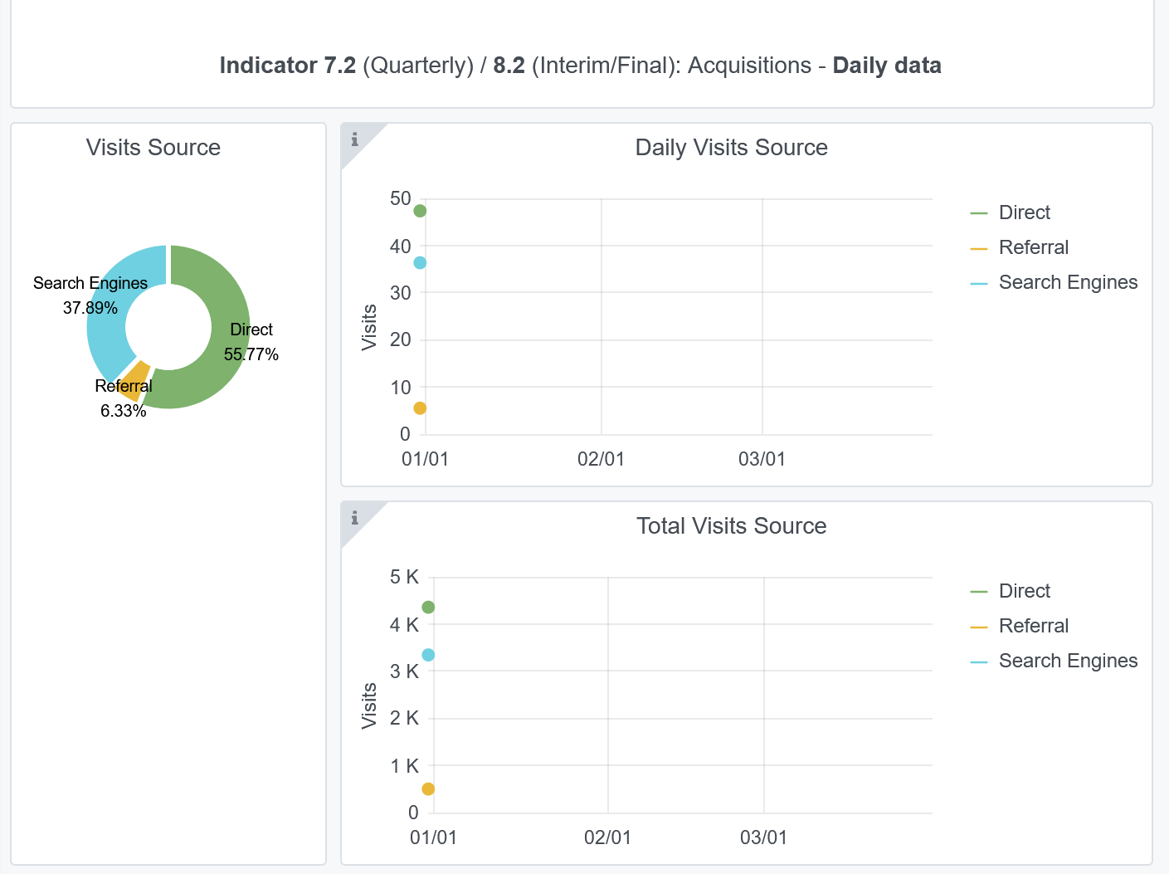
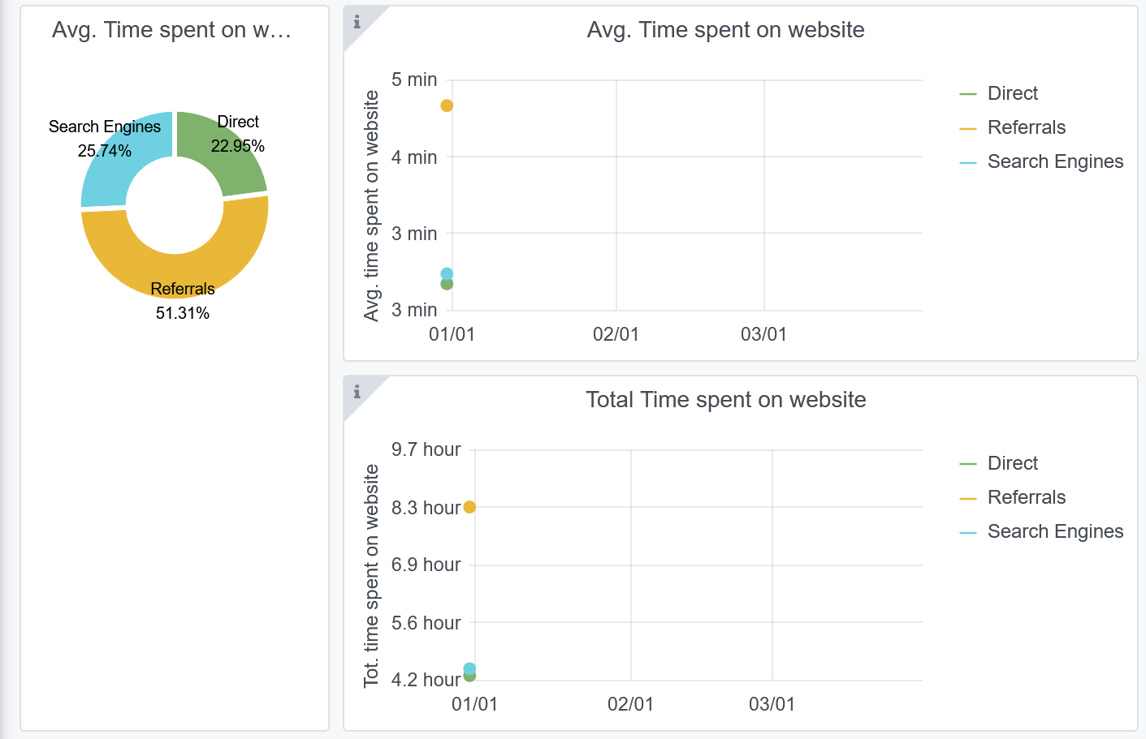
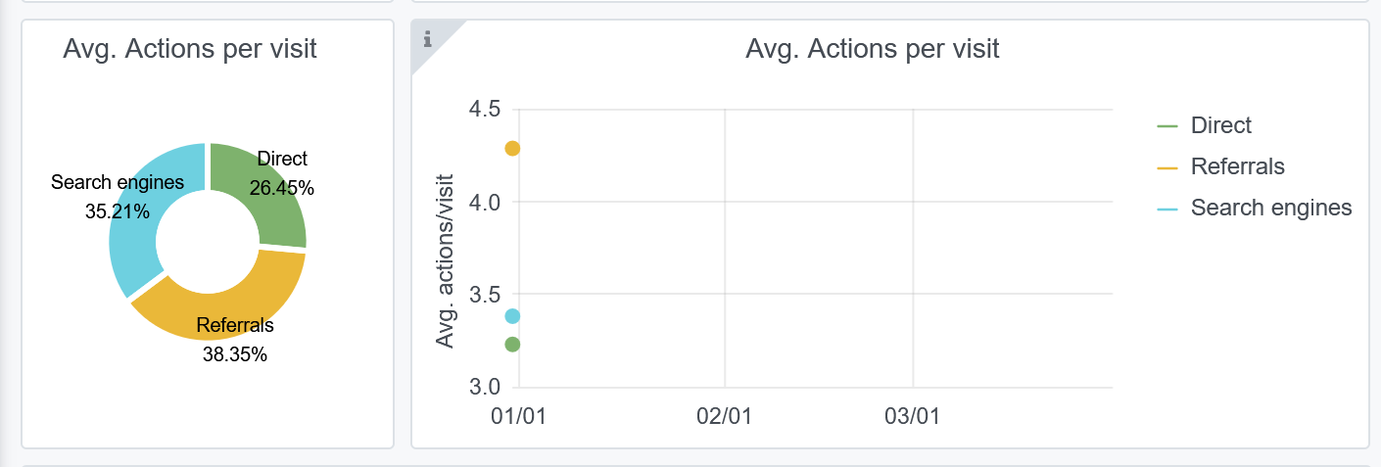
Copy-paste screenshots of the graphs of the information from dashboard
Indicator 7: Portal & Social Media visibility
7.1 Visibility & Analytics (Portal overview)
Reporting date | Portal name | Analytics tool
2022-04-01 | Bathymetry | Matomo
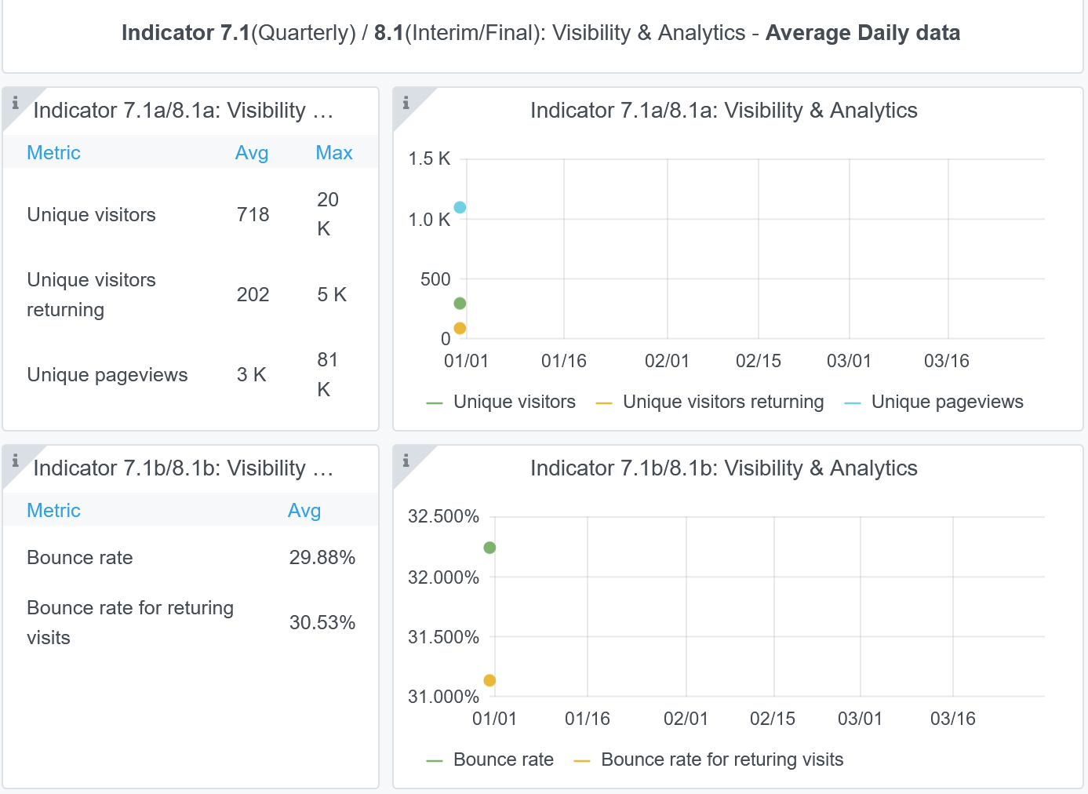

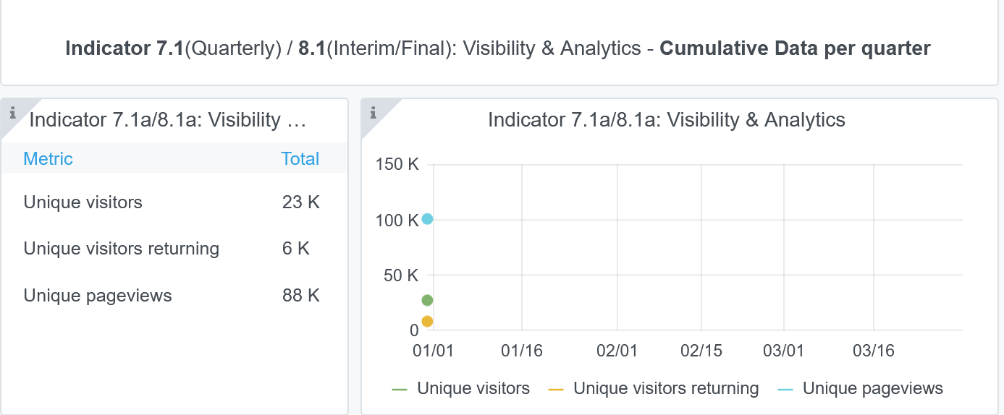

7.2 SEO assessment - Acquisitions
Reporting date | Portal name | Analytics tool
2022-04-01 | Bathymetry | Matomo

8(User friendliness)
Please refer to "Explanation of the trends and statistics" below
Indicator 8: Technical monitoring
Copy-paste screenshot of the graphs of the information from dashboard
Reporting date | Portal name
2022-04-01 | Bathymetry
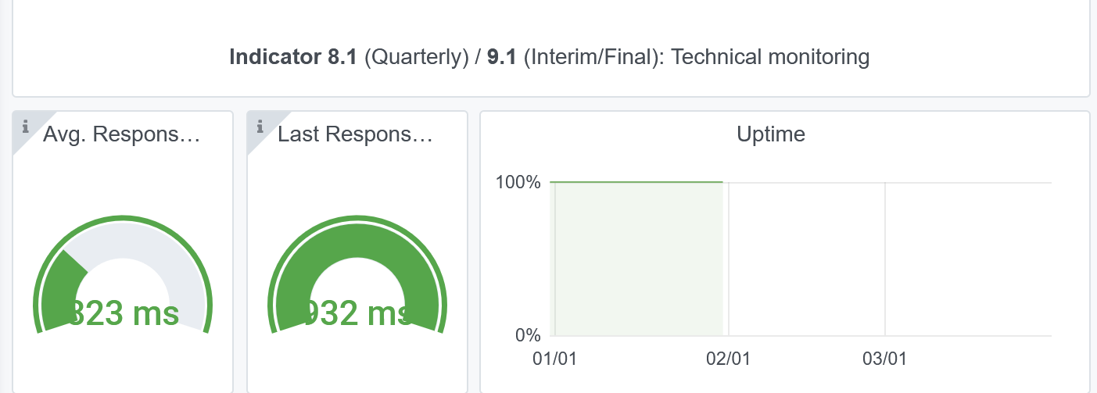

Explanation of the trends and statistics
8) Technical monitoring | The portal has a very good and stable response time and overall 100% up time.

9-10-11(User stats)
Copy-paste screenshots of the graphs of the information from dashboard
Please refer to "Explanation of the trends and statistics" below
Indicator 9: Visibility & Analytics for web pages
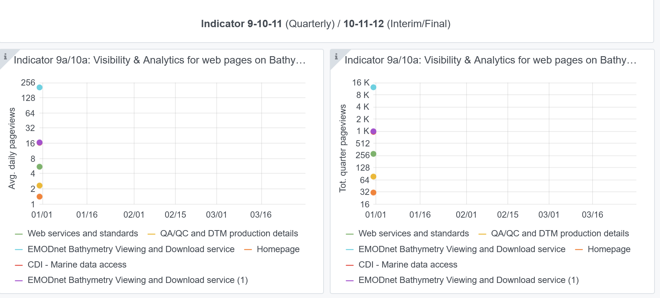

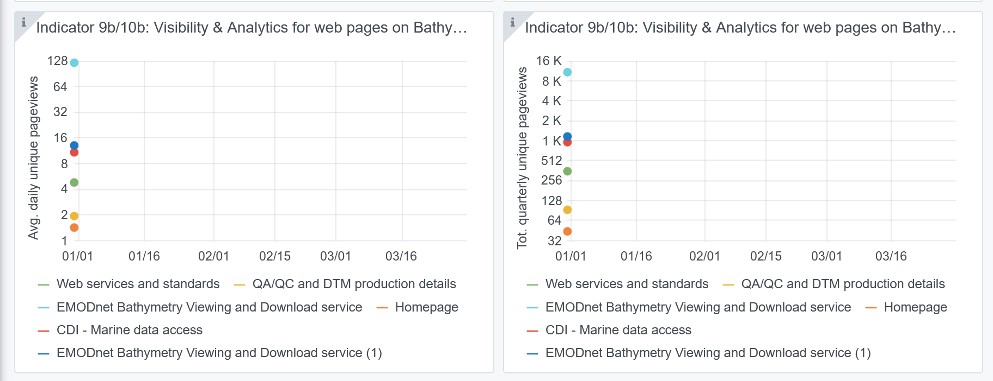

Indicator 10: Visibility & Analytics for web sections
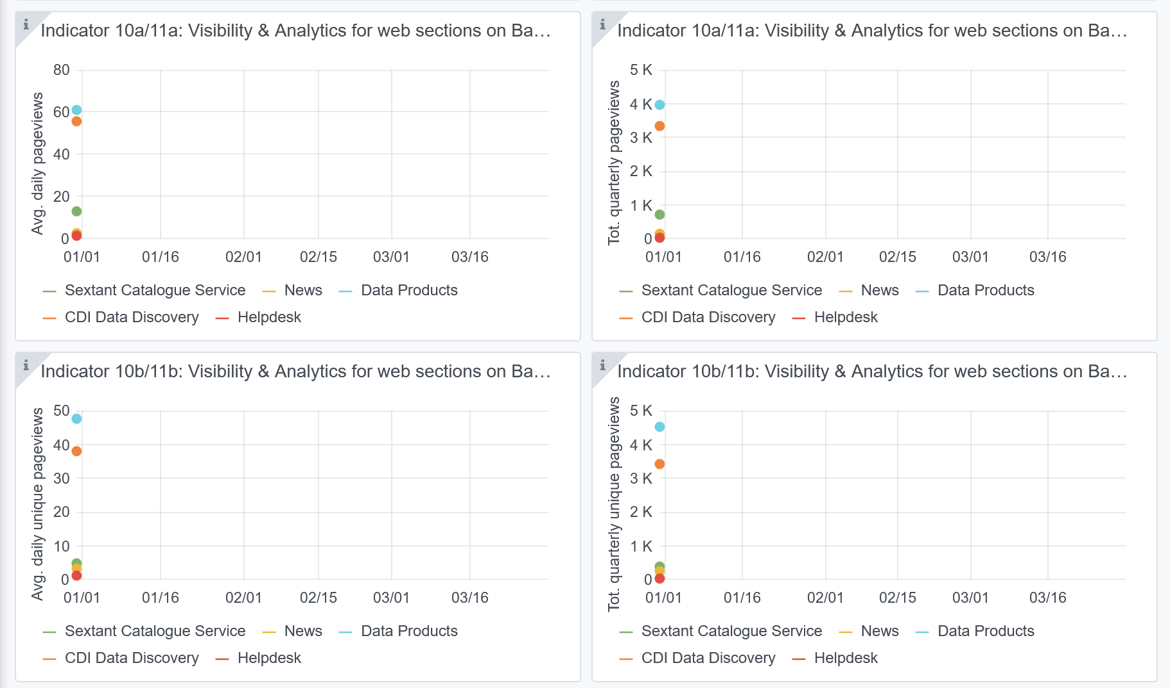

Indicator 11: Average visit duration for web pages
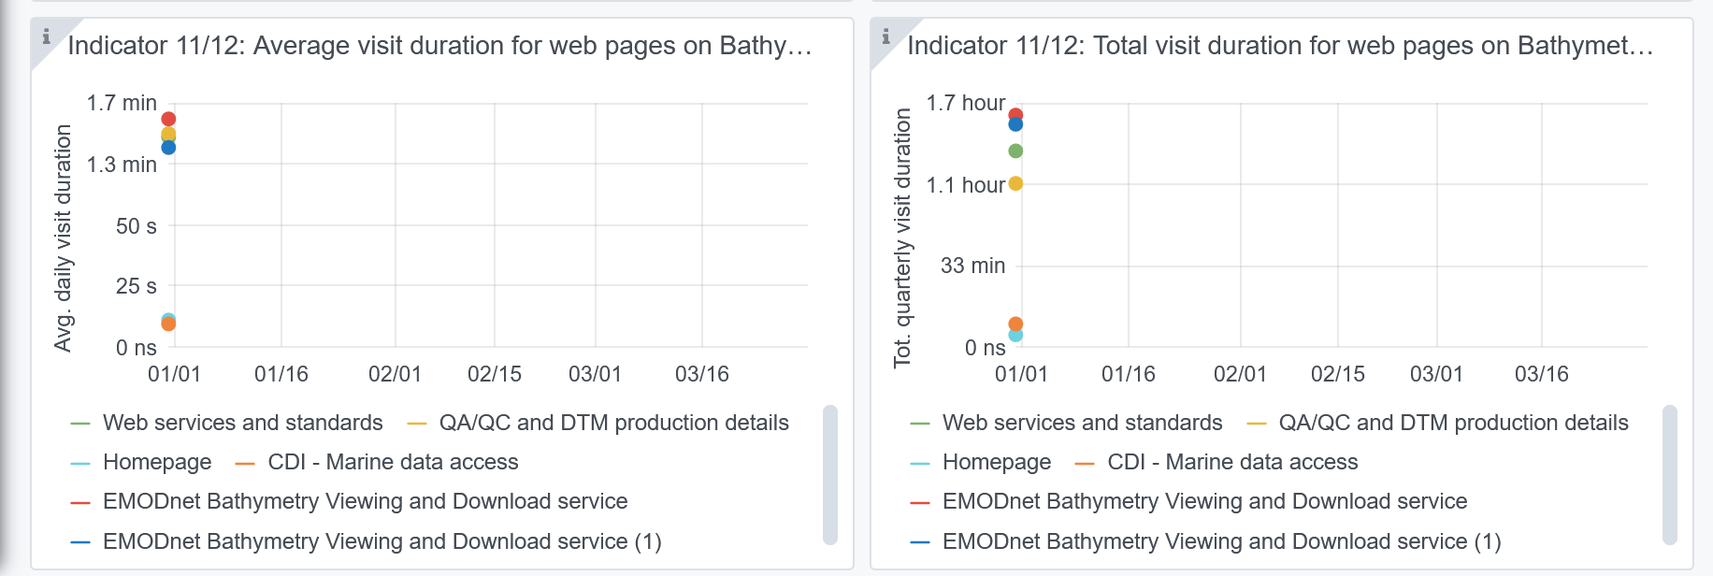

Explanation of the trends and statistics
9) Visibility & analytics for web pages | Problem with Grafana showing only Quarterly average and not values in time. Anyway, as expected and targeted, the pages related to the “EMODnet bathymetry viewing and Download Service” have the highest score. This means that users spent the most time browsing and interacting with the viewing service which has many functions and overall is the most interesting product and service that EMODnet Bathymetry has to offer. As second interest, users undertake downloading of DTM tiles and visit the CDI service for details and downloading of survey data sets, which both have a comparable user interest level. The section on web services and standards also is well visited.
10) Visibility & analytics for web sections | Problem with Grafana showing only Quarterly average and not values in time. Anyway,This indicator shows the interest of users for specific sections of the website, excluding the Bathymetry Viewing and Download service. The CDI service receives most attention, followed by the CPRD products catalogue service.
11) Average visit duration for web pages | Problem with Grafana showing only Quarterly average and not values in time. Without this, interpretation is not really possible.

