7(Analytics)
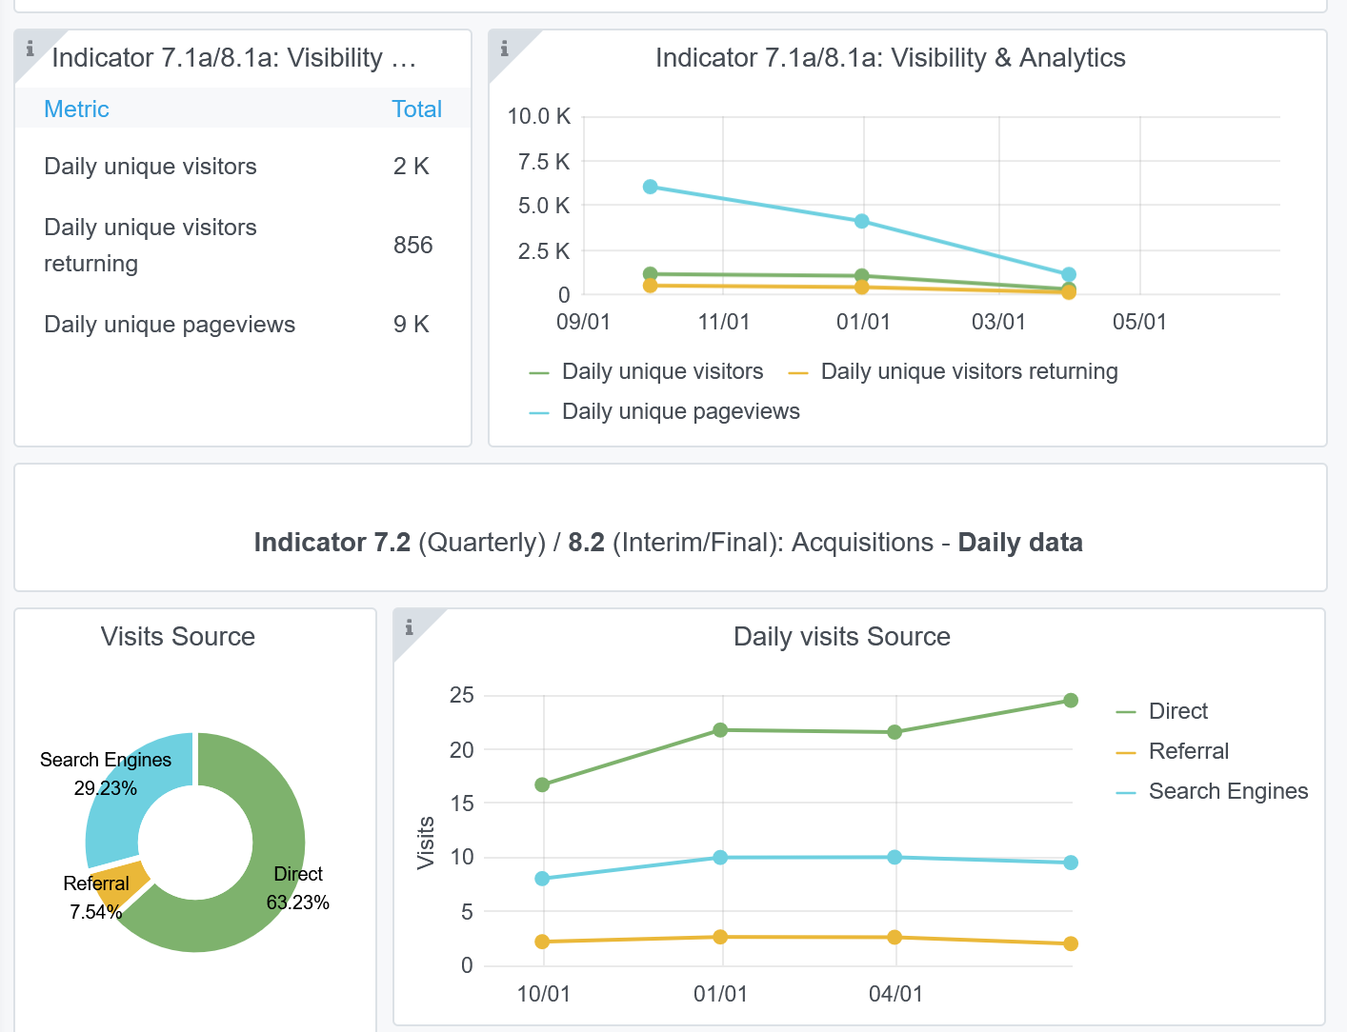
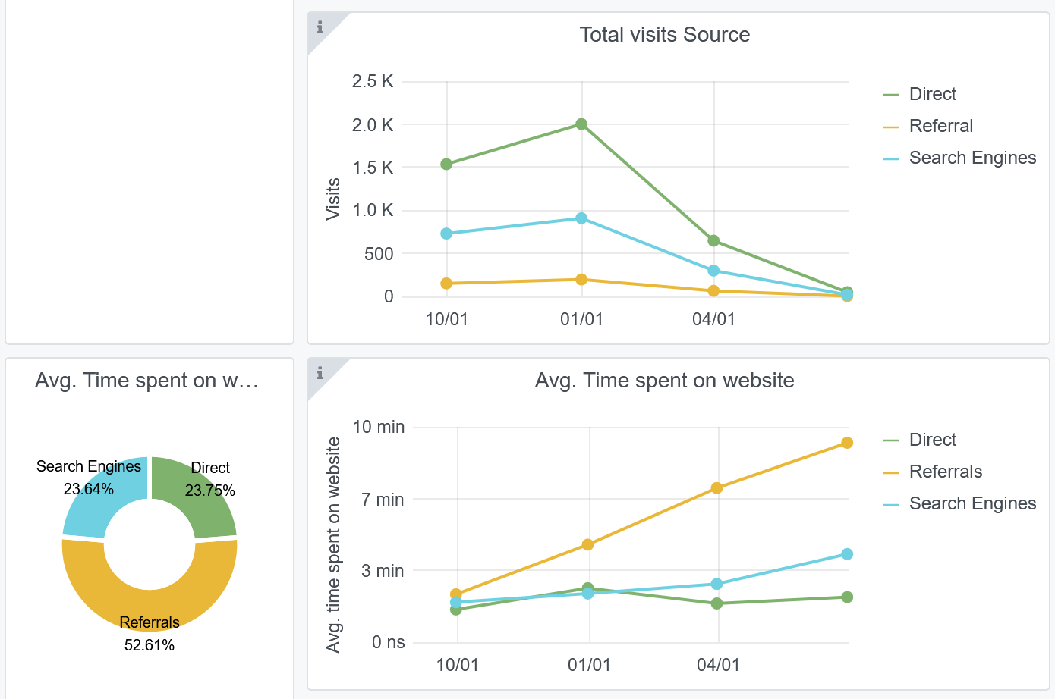
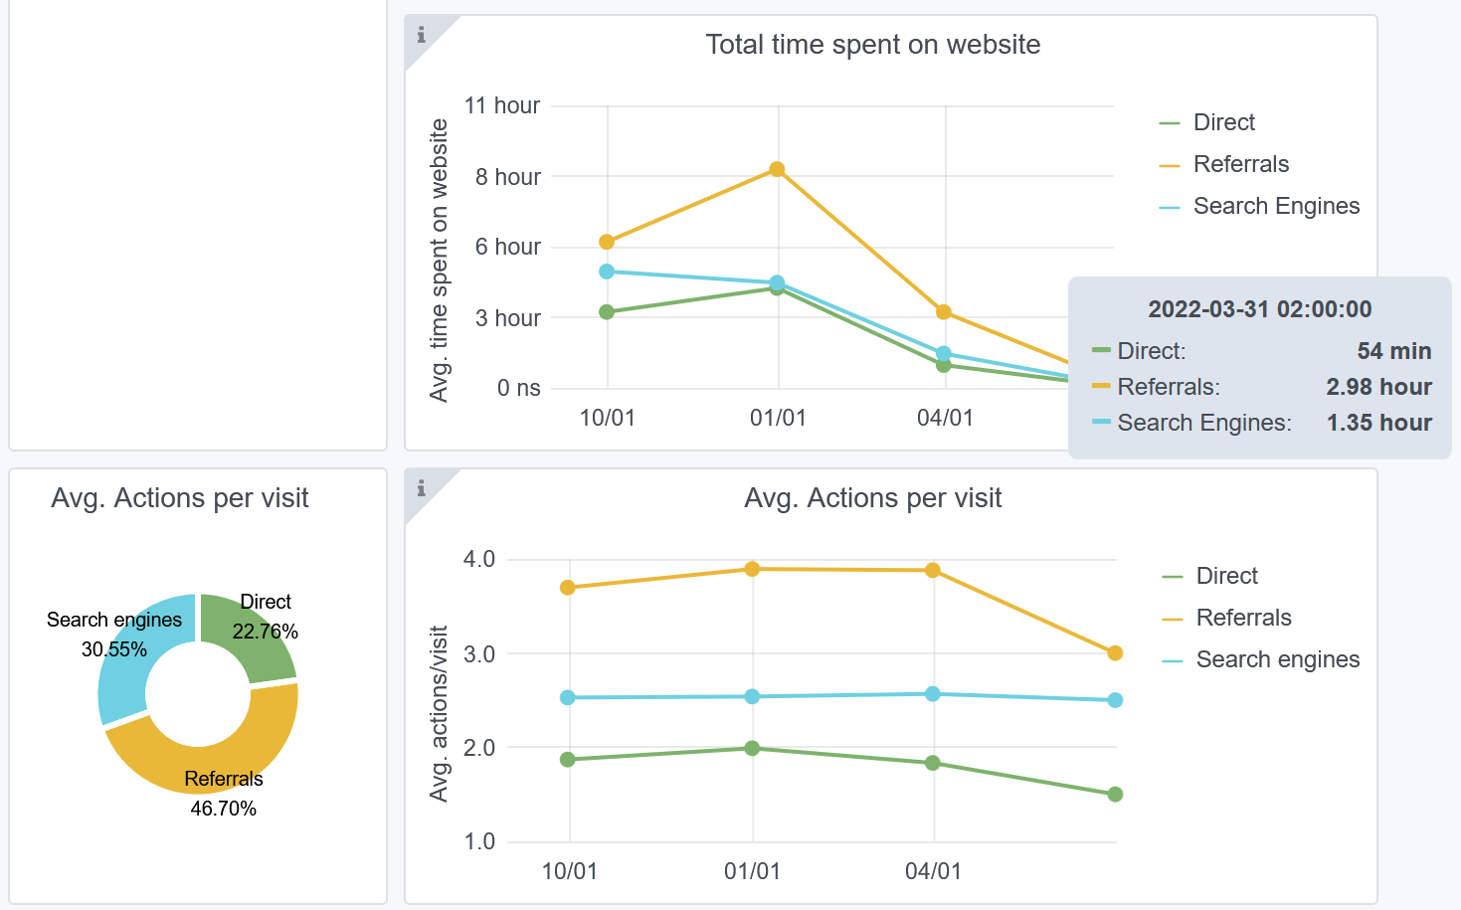
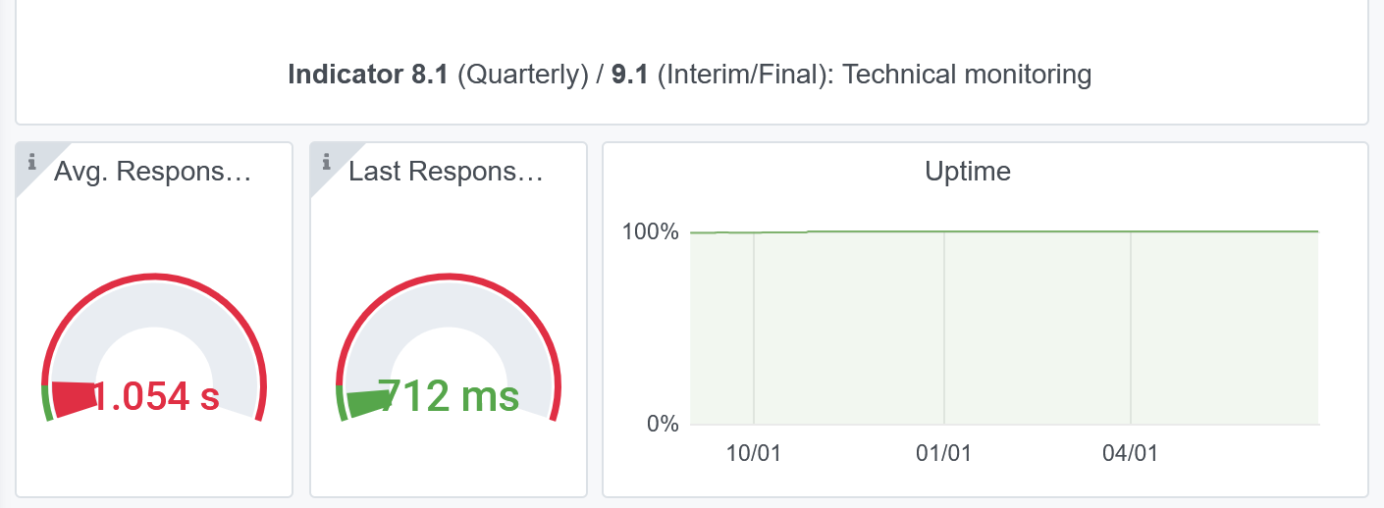
Copy-paste screenshots of the graphs of the information from dashboard
Indicator 7: Portal & Social Media visibility
7.1 Visibility & Analytics (Portal overview)
Reporting date | Portal name | Analytics tool
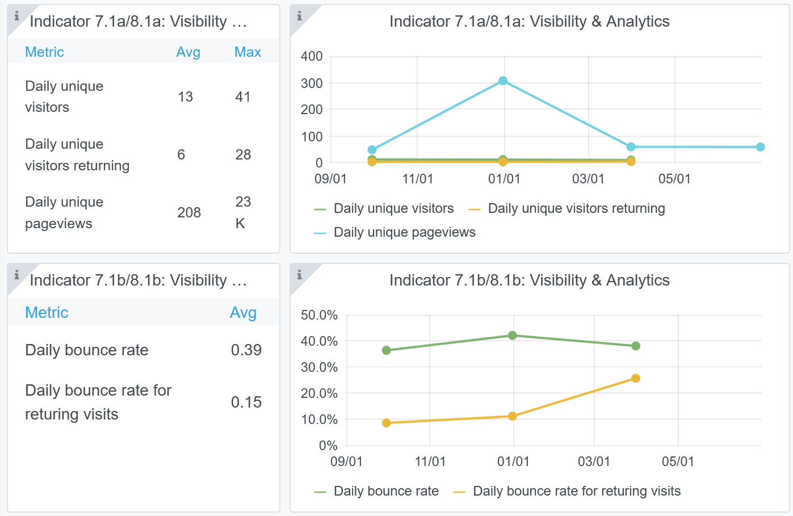
2022-07-01 | Ingestion | Matomo

7.2 SEO assessment - Acquisitions
Reporting date | Portal name | Analytics tool
2021-01-10 | Ingestion | Matomo

9-10-11(User stats)
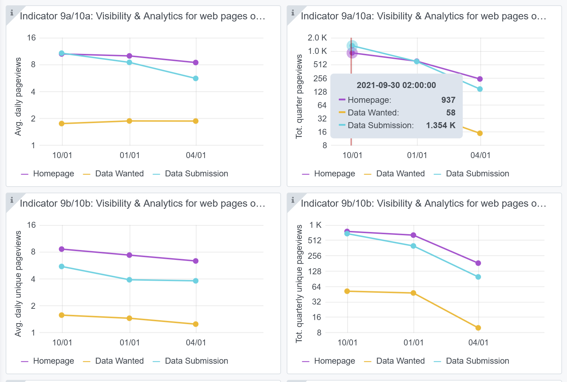
Copy-paste screenshots of the graphs of the information from dashboard
Please refer to "Explanation of the trends and statistics" below
Indicator 9: Visibility & Analytics for web pages

Indicator 10: Visibility & Analytics for web sections
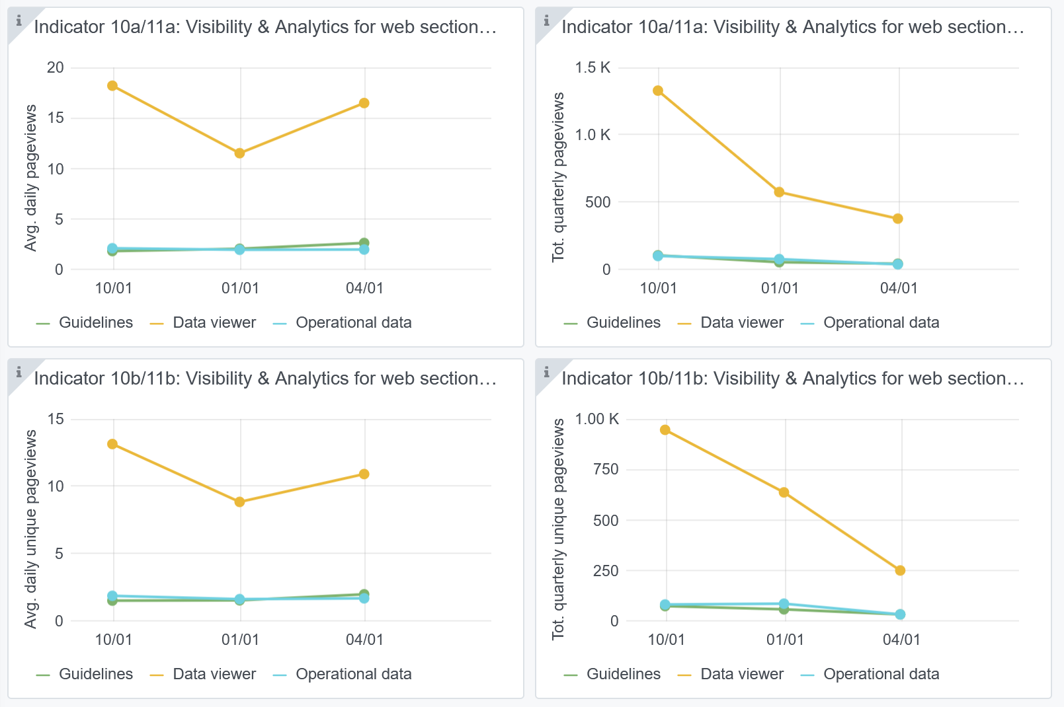

Indicator 11: Average visit duration for web pages

Explanation of the trends and statistics
9) Visibility & analytics for web pages | The grafana application has not been updated for the last quarter. Therefore, there is an action in JIRA for Trust-IT to look into this.
10) Visibility & analytics for web sections | The grafana application shows the visit stats of several sections, namely Guidelines, Viewer and Operational data. The monitoring of the Submission service is still missing. The Viewer gets most visits.
11) Average visit duration for web pages | The grafana application shows the visit durations for several sections. The last quarter is missing.

