1(Data)
Indicator 1: Current status and coverage of total available thematic data
The purpose of this sheet is to provide a status overview of the different sub-theme data available on the portal and the download frequency by users
Please refer to "Explanation of the trends and statistics" below
1.A) Volume and coverage of available data
Reporting date | Portal name | Volume unit [1]
15/07/2022 | Seabed Habitats | Number of (flattened) records

Sub-theme [2] | Total data volume per sub-theme (refer to [1]) | Total data volume per sub-theme (previous quarter) | Trend in total data volume (%) [3] | Total data Volume in GigaBytes [4]
Habitats - seabed habitats (including coastal wetlands) - collection of classified points | 477505 | 476236 | 0.3% | 1.34975488

Volume unit | Sea-basins [5]
Number of (flattened) records | Atlantic EEA (North East Atlantic Ocean, Macaronesia, Iceland Sea, Norwegian Sea, Celtic Seas, Bay of Biscay and Iberian coast, White Sea, Barents Sea) |  | Arctic (not defined by EEA shapefile) [6] |  | Baltic Sea EEA |  | Black Sea EEA |  | Med Sea EEA (Adriatic Sea, Ionian Sea and the Central Mediterranean Sea, Western Meditarranean Sea, Aegean-Levantine Sea) |  | Greater North Sea EEA |  | Caspian Sea (not defined by EEA shapefile) |  | Caribbean Sea (not defined by EEA shapefile) |  | Other Seas (Other regions not defined by EEA shapefiles)
Sub-theme [2] | Total area coverage (total %) or data density (number) | Added this quarter (% or number) | Total area coverage (total %) or data density (number) | Added this quarter (% or number) | Total area coverage (total %) or data density (number) | Added this quarter (% or number) | Total area coverage (total %) or data density (number) | Added this quarter (% or number) | Total area coverage (total %) or data density (number) | Added this quarter (% or number) | Total area coverage (total %) or data density (number) | Added this quarter (% or number) | Total area coverage (total %) or data density (number) | Added this quarter (% or number) | Total area coverage (total %) or data density (number) | Added this quarter (% or number) | Total area coverage (total %) or data density (number) | Added this quarter (% or number)
Habitats - seabed habitats (including coastal wetlands) - collection of classified points | 196189 | 115 | 3091 | 0 | 116667 | 0 | 5447 | 1062 | 45219 | 0 | 110892 | 92 | 0 | 0 | 0 | 0 | 0 | 0

Provide your opinion on data coverage in the narrative

Please highlight newly added data within this reporting period.
[1] Indicate the volume unit of measurement: “records”, "CDI", “data sets”, or “platforms”.
[2] The list of sub-themes is provided in the first tab.
[3] Trend is calculated from the figures at the end of the last quarter as compared with the figures at this stage.
Explanation of trend value in the narrative.
[4] Decimal definition 1 GB = 1000^3 bytes.
[5] Total % sea-basin area covered by all data or number of CDIs/platforms/records in this area (left column) ; % area covered by data added in this phase or number of CDIs/platforms/records added this phase (right column).
Please feel free to record the areas as you did in the past, if you have problems with this lay-out. If you do that, please record this fact in the narrative.
[6] Please note that the data that occur in the Arctic will also occur in the other areas.

1.B) Usage of data in this quarter
Reporting date | Portal name | Manual download unit [1]
15/07/2022 | Seabed Habitats | Number of records
 |  | Trend on data |  |  |  |  | Web service Trends
Name of sub-theme/ interface | Breakdown of sub-theme | Unit and Total Volume available for download [2] | Total Volume downloaded in GigaBytes [3] | Number of manual downloads (this quarter) | Number of manual downloads (previous quarter) | Trend number of downloads (%) [4] | Number of Map visualisations (this quarter) | Number of Map visualisations (previous quarter) | Trend number of map visualisations (%) [4] | Number of WMS requests (this quarter) | Number of WMS requests (previous quarter) | Trend number of WMS requests (%) [4] | Number of WFS requests (this quarter) | Number of WFS requests (previous quarter) |  |  | Trend number of WFS requests (%) [4]
Habitats - seabed habitats (including coastal wetlands) - collection of classified points |  | 356,710 | 43.203929692 | 23,565,652 | 27,389,408 | -14% | 906802 | 887,334 | 2% | 2,674,831 | 1,560,933 | 71% | 135 | 248 |  |  | -46%
 |  | .. [unit] |  | .. [unit] | .. [unit]
 |  | .. [unit] |  | .. [unit] | .. [unit]
[1] Define unit of manual download (e.g. datasets, requests, records, …); additional explanation can be provided in the narrative.
[2] Indicate the unit and total volume of downloadable items in relation to the unit in which they are downloadable (e.g. the total volume or number of CDIs/records/datasets/... available for download) – clearly specify the unit.
[3] Decimal definition 1 GB = 1000^3 bytes.
[4] Trend compares the result with previous period.

Explanation of the trends and statistics
1A) Volume and coverage of available data | Note that a new method has been used to calculate these statistics in order to increase robustness, replicability and standardisation across periods. For this reason, numbers between this quarter and previous reports are not equivalent. Reporting regions used: EMODnet Biology reporting regions, obtained from marineregions.org Numbers continue to increase in good quantities relative to know data data sources, especially in areas historically lower in number (e.g. black sea), as a result of focus on these regions.
1B) Usage of data in this quarter | Overall downloads of data lower than previous quarters - reason unknown as no correlating factors identified. Conversely, WMS requests are significantly higher, may be driven by external use of the services by OSPAR, ICES web mappers.

7(Analytics)
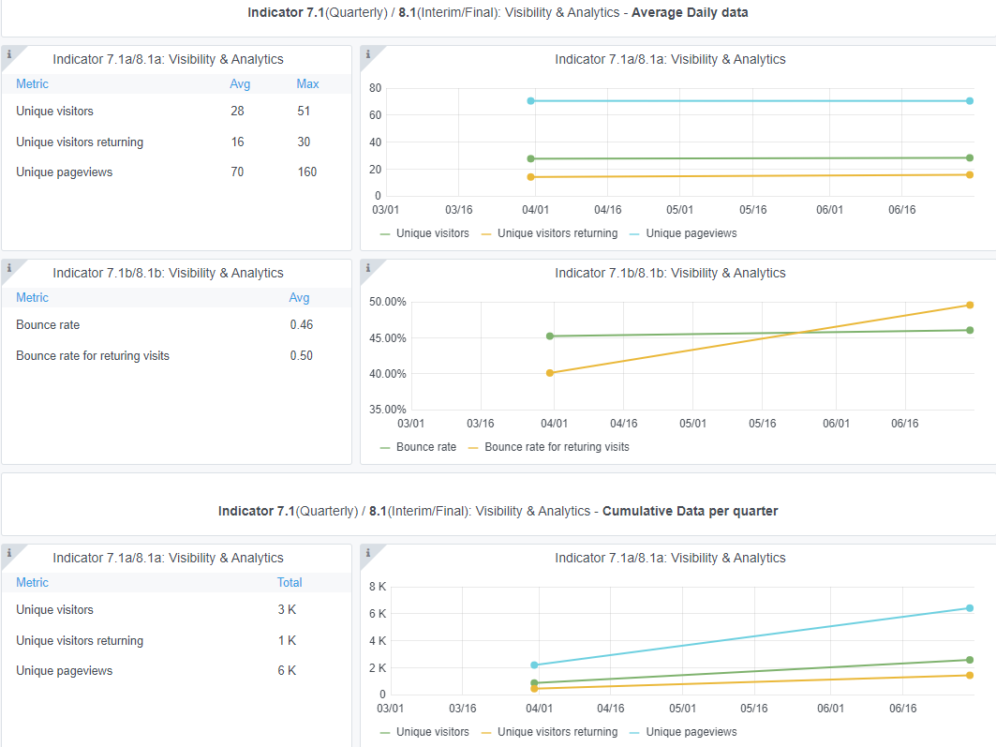
Copy-paste screenshots of the graphs of the information from dashboard
Indicator 7: Portal & Social Media visibility
7.1 Visibility & Analytics (Portal overview)
Reporting date | Portal name | Analytics tool
15/07/2022 | Seabed Habitats | Matomo

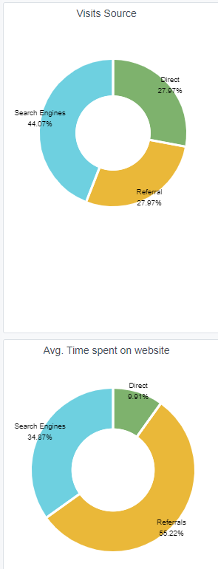
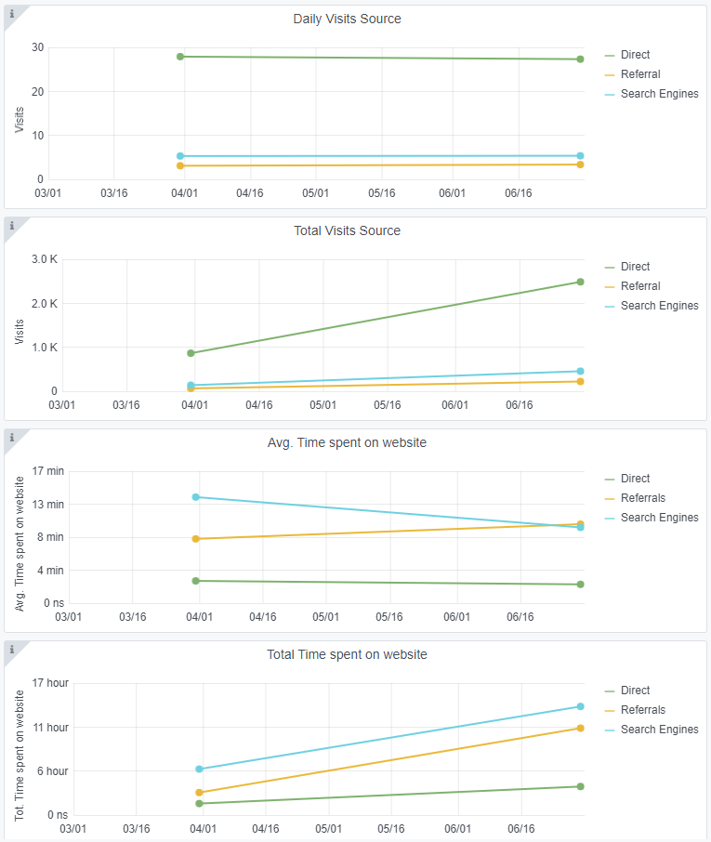
7.2 SEO assessment - Acquisitions
Reporting date | Portal name | Analytics tool
15/07/2022 | Seabed Habitats | Matomo

9-10-11(User stats)
Copy-paste screenshots of the graphs of the information from dashboard
Please refer to "Explanation of the trends and statistics" below
Indicator 9: Visibility & Analytics for web pages
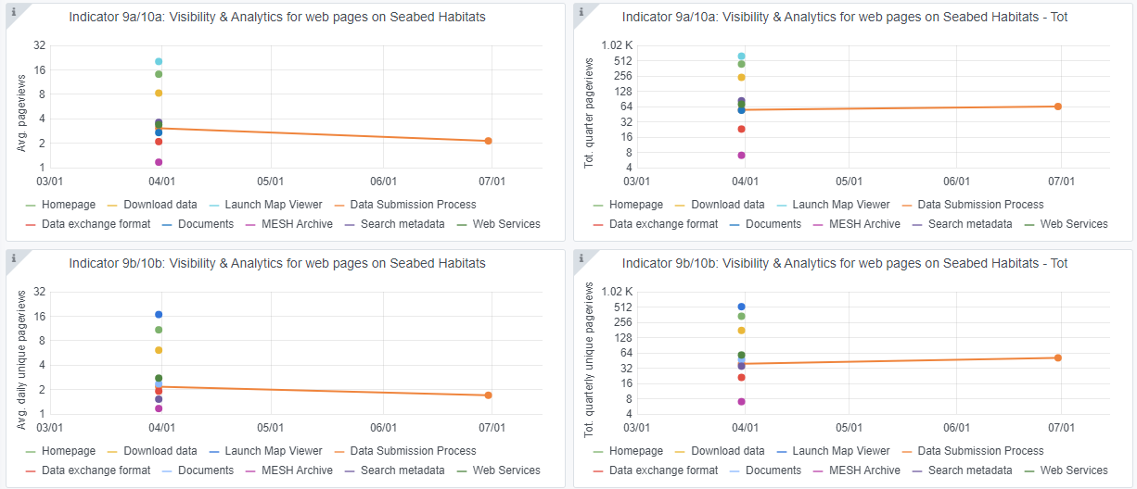

Indicator 10: Visibility & Analytics for web sections
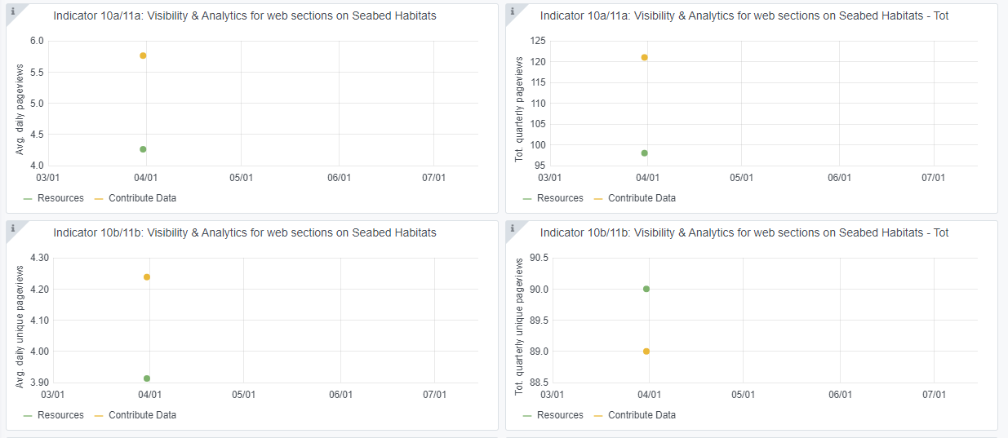

Indicator 11: Average visit duration for web pages

Explanation of the trends and statistics
9) Visibility & analytics for web pages | problems with Grafana mean that we only have information for a single web page.
10) Visibility & analytics for web sections | problems with Grafana mean that we have no information for this quarter.
11) Average visit duration for web pages | problems with Grafana mean that we only have information for a single web page.

