1(Data)
Indicator 1: Current status and coverage of total available thematic data
The purpose of this sheet is to provide a status overview of the different sub-theme data available on the portal and the download frequency by users
Please refer to "Explanation of the trends and statistics" below
1.A) Volume and coverage of available data
Reporting date | Portal name | Volume unit [1]
20/10/2022 | Seabed Habitats | Number of (flattened) records

Sub-theme [2] | Total data volume per sub-theme (refer to [1]) | Total data volume per sub-theme (since start of project phase, i.e. since last final report) | Trend in total data volume (%) [3] | Total data Volume in GigaBytes [4]
Habitats - seabed habitats (including coastal wetlands) - collection of classified points | 479,816 | 3580 | 1% | 0.82

Volume unit | Sea-basins [5]
Number of (flattened) records | Atlantic EEA (North East Atlantic Ocean, Macaronesia, Iceland Sea, Norwegian Sea, Celtic Seas, Bay of Biscay and Iberian coast, White Sea, Barents Sea) |  | Arctic (not defined by EEA shapefile) [6] |  | Baltic Sea EEA |  | Black Sea EEA |  | Med Sea EEA (Adriatic Sea, Ionian Sea and the Central Mediterranean Sea, Western Meditarranean Sea, Aegean-Levantine Sea) |  | Greater North Sea EEA |  | Caspian Sea (not defined by EEA shapefile) |  | Caribbean Sea (not defined by EEA shapefile) |  | Other Seas (Other regions not defined by EEA shapefiles)
Sub-theme [2] | Total area coverage (total %) or data density (number) | Added this phase (% or number) | Total area coverage (total %) or data density (number) | Added this phase (% or number) | Total area coverage (total %) or data density (number) | Added this phase (% or number) | Total area coverage (total %) or data density (number) | Added this phase (% or number) | Total area coverage (total %) or data density (number) | Added this phase (% or number) | Total area coverage (total %) or data density (number) | Added this phase (% or number) | Total area coverage (total %) or data density (number) | Added this phase (% or number) | Total area coverage (total %) or data density (number) | Added this phase (% or number) | Total area coverage (total %) or data density (number) | Added this phase (% or number)
Habitats - seabed habitats (including coastal wetlands) - collection of classified points | 197,827 | 1,753 | 3,091 | - | 116,712 | 45 | 5,811 | 1,426 | 45,219 | - | 111,156 | 356 | 0 | 0 | 0 | 0 | 0 | 0

Provide your opinion on data coverage in the narrative
Provide your opinion on data coverage in the narrative

Please highlight newly added data within this reporting period.
[1] Indicate the volume unit of measurement: “records”, "CDI", “data sets”, or “platforms”.
[2] The list of sub-themes is provided in the first tab.
[3] Trend is calculated from the figures at the end of the last project phase as compared with the figures at this stage.
Explanation of trend value in the narrative.
[4] Decimal definition 1 GB = 1000^3 bytes.
[5] Total % sea-basin area covered by all data or number of CDIs/platforms/records in this area (left column) ; % area covered by data added in this phase or number of CDIs/platforms/records added this phase (right column).
Please feel free to record the areas as you did in the past, if you have problems with this lay-out. If you do that, please record this fact in the narrative.
[6] Please note that the data that occur in the Arctic will also occur in the other areas.

1.B) Usage of data since the start of the project phase
Reporting date | Portal name | Manual download unit [1]
20/10/2022 | Seabed Habitats | Number of records
 |  | Trend on data |  |  |  |  | Web service Trends
Name of sub-theme/ interface | Breakdown of sub-theme | Unit and Total Volume available for download [2] | Total Volume downloaded in GigaBytes [3] | Number of manual downloads (this reporting period) | Number of manual downloads (status last final report) | Trend number of downloads (%) [4] | Number of Map visualisations (this reporting period) | Number of Map visualisations (last final report) | Trend number of map visualisations (%) [4] | Number of WMS requests (this reporting period) | Number of WMS requests (last final report) | Trend number of WMS requests (%) [4] | Number of WFS requests (this reporting period) | Number of WFS requests (last final report) | Trend number of WFS requests (%) [4]
Habitats - seabed habitats (including coastal wetlands) - collection of classified points | NA | 359,021 | 83 | 94,323,985 | 137,411,221 | not possible to calculate a trend because the figures from the last final report cover a 2-year period | 3,249,497 | 2,774,057 | not possible to calculate a trend because the figures from the last final report cover a 2-year period | 6,048,082 | 18,415,212 | not possible to calculate a trend because the figures from the last final report cover a 2-year period | 663 | 637 | not possible to calculate a trend because the figures from the last final report cover a 2-year period
[1] Define unit of manual download (e.g. datasets, requests, records, …); additional explanation can be provided in the narrative.
[2] Indicate the unit and total volume of downloadable items in relation to the unit in which they are downloadable (e.g. the total volume or number of CDIs/records/datasets/... available for download) – clearly specify the unit.
[3] Decimal definition 1 GB = 1000^3 bytes.
[4] Trend is calculated from the figures at the end of the last phase as compared with the figures at this stage.
Explanation of trend value in the narrative.

Explanation of the trends and statistics
1A) Volume and coverage of available data | A good addition of habitat data, especially in underrepresented regions such as the Black Sea. Relatively small percentage increase of 1% is ok considering the initial large volume of point data extant in the database. Reporting regions used: EMODnet Biology reporting regions, obtained from marineregions.org.
1B) Usage of data since the start of the project phase | Number of downloads and WMS and WFS requests cannot be compared with the previous reporting period because the figures from the last final report covered a two-year period, whereas the current reporting period is one year. However there is a distinct upward trend in map visualisations. Note that WFS request tracking is particularly susceptible to inflated numbers due to either erroneous or intentional repeated requests against type names (e.g. bots, security, feature stats), but this is difficult to discern in the data.

6(User stats)&7(Use case stats)
Please refer to "Explanation of the trends and statistics" below
Indicator 6: Statistics on information volunteered through download forms
The purpose of this indicator is to gauge the extent of the dedicated community
Data derived from the portal's download form(s)
Reporting date | Portal name
20/10/2022 | Seabed Habitats
Interfaces [1] | Means of information collection | Number of users giving information [2] | Total number of users since end of the last final
Download page | Download form | 1,498 | 3,029

Organisation type | % of users [3] | Main use cases and application areas [4]
Academia/Research | 51.78%
Government/Public administration | 8.41%
Business and Private company | 12.38%
NGOs/Civil society | 2.80%
Others | 3.85%
Not supplied | 20.78%
Countries and regions [5] | % of users [6]
Albania
Andorra
Armenia
Austria | 0.03%
Azerbaijan
Belarus
Belgium | 2.34%
Bosnia and Herzegovina
Bulgaria | 0.33%
Croatia | 0.17%
Cyprus
Czech Republic (Czechia) | 0.03%
Denmark | 0.59%
Estonia | 0.03%
Finland | 0.43%
France | 2.81%
Georgia | 0.07%
Germany | 1.42%
Greece | 1.45%
Hungary
Iceland | 0.07%
Ireland | 1.42%
Italy | 4.36%
Latvia
Liechtenstein
Lithuania
Luxembourg
Malta | 0.13%
Moldova
Monaco
Montenegro | 0.10%
Netherlands | 0.89%
North Macedonia
Norway | 0.23%
Poland | 0.17%
Portugal | 1.09%
Romania | 0.30%
Russia
San Marino
Serbia
Slovakia
Slovenia | 0.17%
Spain | 2.87%
Sweden | 0.56%
Switzerland | 0.20%
Turkey | 0.10%
Ukraine
United Kingdom | 10.86%
Vatican City
Unknown Europe (country not submitted) | 9.94%
Sum European countries | 43.15%
Asia | 0.03%
North America | 0.03%
South America | 0.10%
Central America | 0.00%
Oceania | 0.03%
Africa | 0.07%
Unknown | 11.32%
[1] Which portal interfaces are concerned by the table statistics: e.g. map viewer, data download service? Some interfaces like web-services are not well suited for user information gathering and can be reported in a separate table.
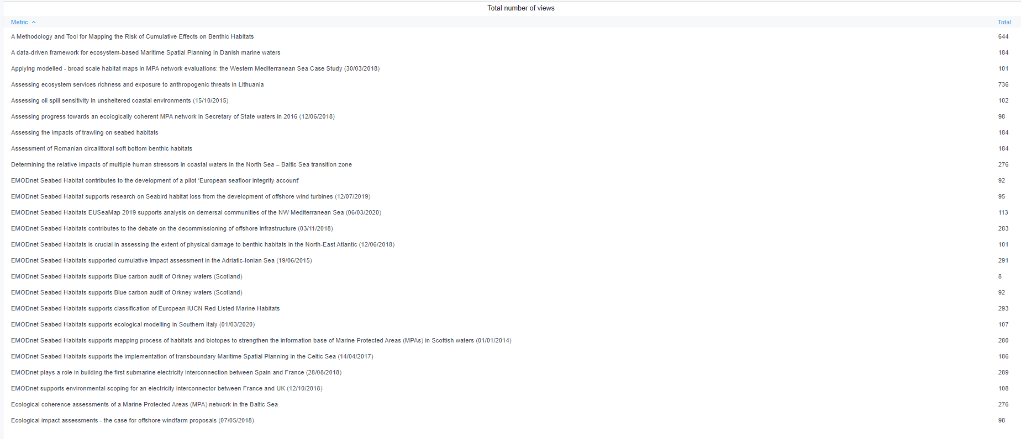
[2] Relevant when the user form is optional.
[3] Percentage of users which belong to this organisation type.
[4] Compile a bullet-point list of use cases from user form or oral feedback. A few words per use-case suffice. These use cases can be repeated in each interface table.
[5] Distribution of users per region. European countries taken from https://europa.eu/european-union/about-eu/countries_en
[6] Percentage of users belonging to this region.

Indicator 7: Published use cases
Refer to the guidance provided by the EMODnet Secretariat ("EMODnet Use Cases: Guidance and Procedures").
Copy-paste screenshot of the graphs of the information from dashboard

Explanation of the trends and statistics
6) Statistics on information volunteered through download forms | Around 50% of users providing some statistics (the portal does not enforce statistics collection to remain a truly open data portal), Of the users that reported a country or region, as expected a large proportion are European, which the largest country share the United Kingdom, followed by Italy, France, Spain, Belgium, Ireland and Portugal. This ties closely with partners, suggesting that promotion of the site within partner countries is very effective.
7) Published use cases

8(Analytics)
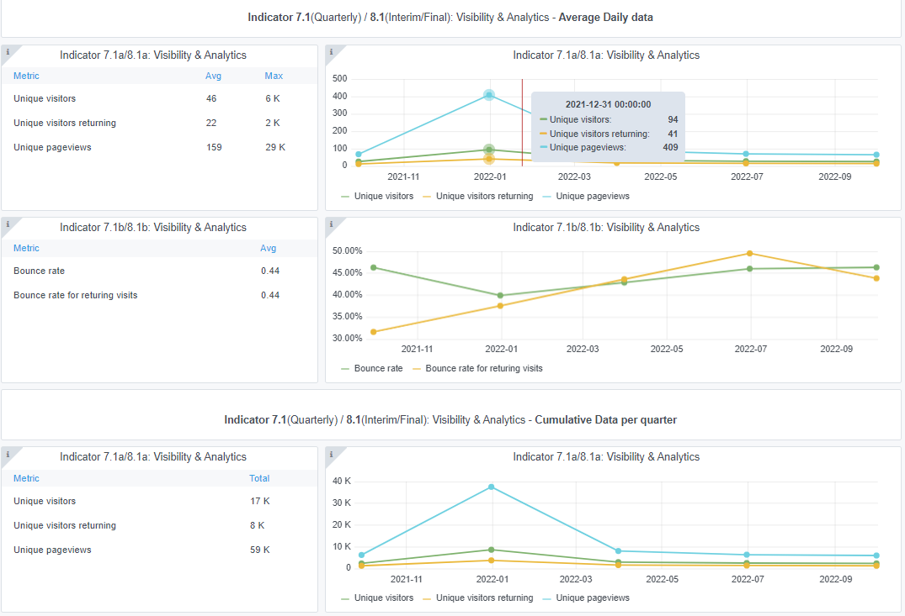
Copy-paste screenshots of the graphs of the information from dashboard
Indicator 8: Portal & Social Media visibility
8.1 Visibility & Analytics (Portal overview)
Reporting date | Portal name | Analytics tool
20/10/2022 | Seabed Habitats | Matomo

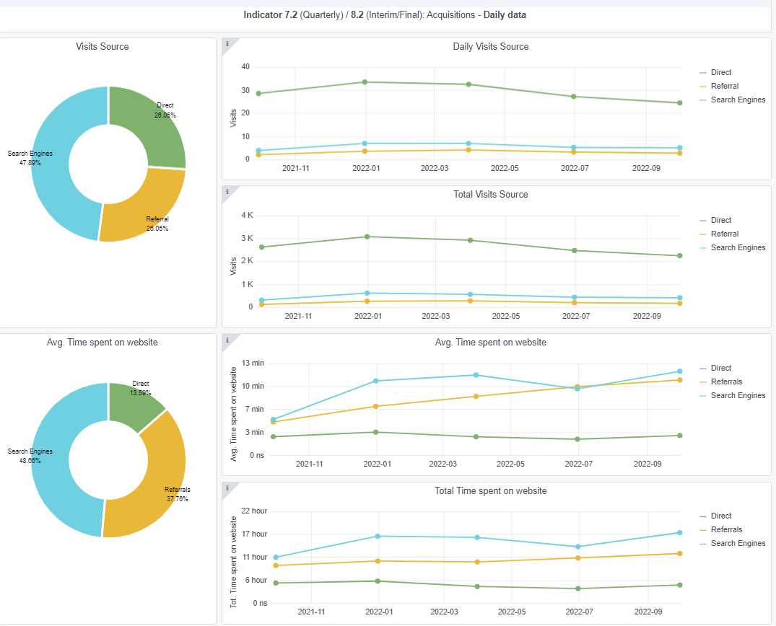
8.2 SEO assessment - Acquisitions
Reporting date | Portal name | Analytics tool
20/10/2022 | Seabed Habitats | Matomo

10-11-12(User stats)
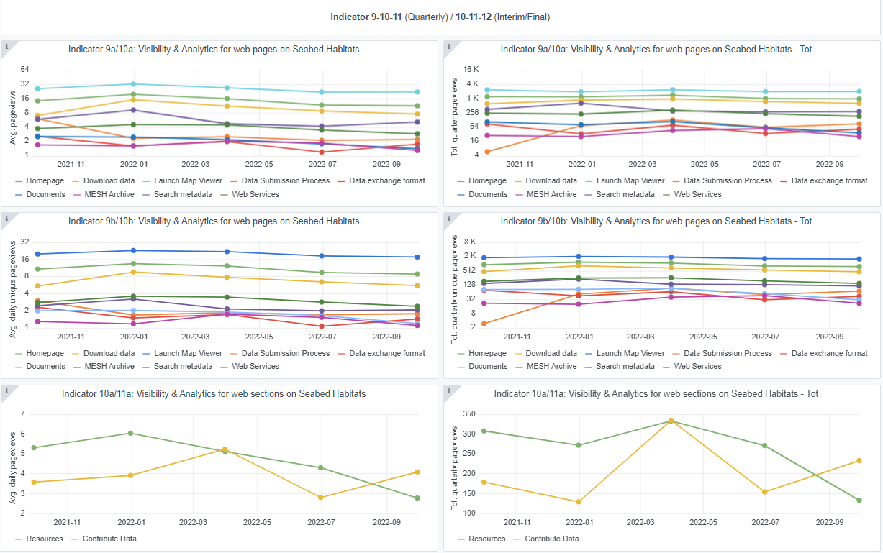
Copy-paste screenshots of the graphs of the information from dashboard
Please refer to "Explanation of the trends and statistics" below
Indicator 10: Visibility & Analytics for web pages

Indicator 11: Visibility & Analytics for web sections

Indicator 12: Average visit duration for web pages

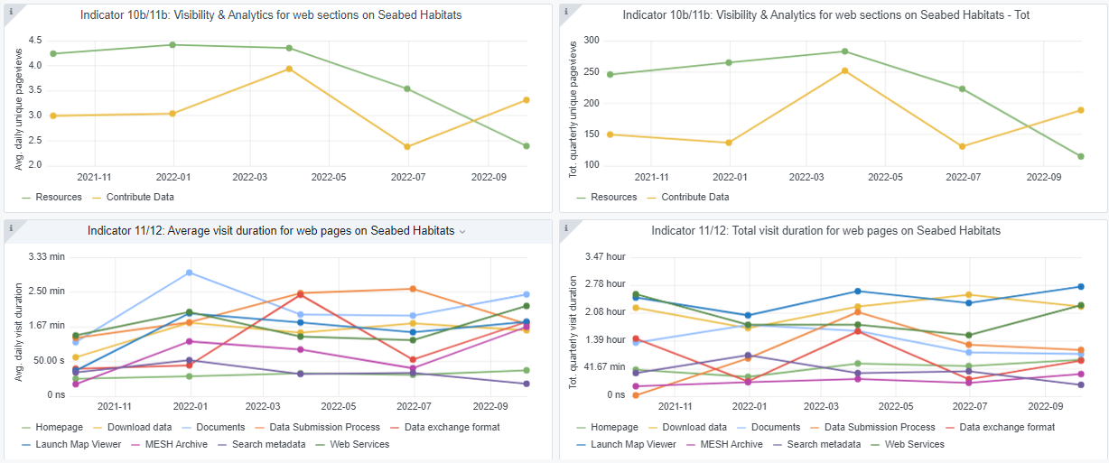

Explanation of the trends and statistics
10) Visibility & analytics for web pages | Fairly consistent use across the reporting period
11) Visibility & analytics for web sections | Fairly consistent use across the reporting period
12) Average visit duration for web pages | Fairly consistent use across the reporting period

