1(Data)
Indicator 1: Current status and coverage of total available thematic data
The purpose of this sheet is to provide a status overview of the different sub-theme data available on the portal and the download frequency by users
Please refer to "Explanation of the trends and statistics" below
1.A) Volume and coverage of available data
Reporting date | Portal name | Volume unit [1]
2022-10-01 | Human Activities | records; related records

Sub-theme [2] |  | Total data volume per sub-theme: records | Total data volume per sub-theme (previous quarter) | Total data volume per sub-theme: related records | Total data volume per sub-theme: related records (previous quarter) | Trend in total data volume (%) records[3] | Trend in total data volume (%) related records[3] | Total data Volume in GigaBytes [4]
Aggregate extraction | Aggregate Extraction points | 425 | 416 | 3300 | 3172 | 2% | 4% | 0.002
 | Aggregate Extraction areas | 1043 | 955 |  |  | 9% |  | 0.001
Cultural heritage | Ship Wrecks MACHU EU project | The provider shares data via WFS only
 | Ship Wrecks | 8481 | 4740 |  |  | 79% |  | 0.002
 | Lighthouses | 4062 | 4062 |  |  | 0% |  | 0.002
 | Submerged Prehistoric Archaeology and Landscapes | The provider shares data via WFS only
Dredging | Dredging | 5458 | 5022 | 10581 | 9555 | 9% | 11% | 0.004
Environment | Nationally designated areas (CDDA) | 115271 | 115271 |  |  | 0% |  | 0.435
 | Natura 2000 areas | 27025 | 27025 |  |  | 0.00% |  | 0.355
 | World Database on Protected Areas (WDPA) | 21590 |  |  |  | New dataset
 | State of bathing waters | Coastal or transtitional |  |  |  |  |  | 0.155
 |  | 15208 | 15208 | 496336 | 496336 | 0.00% | 0.00%
 |  | Total
 |  | 22500 | 22500 | 720000 | 720000 | 0.00% | 0.00%
Fisheries | FAO fishery statistical areas | 322 | 322 |  |  | 0% |  | 0.009
 | ICES statistical areas | 65 | 65 |  |  | 0% |  | 0.022
 | Fishery catches by FAO statistical area | 137 | 137 | 91829 | 90446 | 0% | 2% | 0.028
 | Monthly first sales, EUMOFA | 2420 | 2243 | 4854607 | 4261694 | 8% | 14% | 1.40
 | Fishing intensity | 435035 | 435035 |  |  | 0% |  | 0.105
 | Fishing effort | 169 | 169 | 46751 | 46751 | 0% | 0% | 0.015
Oil and gas | Boreholes | 26457 | 26457 |  |  | 0% |  | 0.004
 | Active Licences | 1414 | 1414 |  |  | 0% |  | 0.001
 | Offshore installations | 1618 | 1618 |  |  | 0% |  | 0.001
Main ports | Goods | 2440 | 2440 | 369359 | 369359 | 0% | 0% | 2.16
 | Passengers | 2440 | 2440 | 281903 | 281903 | 0% | 0%
 | Vessels | 2440 | 2440 | 7305984 | 7305984 | 0% | 0%
Algae production | Macroalgae, microalgae and spirulina production sites | 434 | 434 | 1538 | 1538 | 0% | 0% | 0.001
Aquaculture | Shellfish production | 7236 | 7236 | 6247 | 6247 | 0% | 0% | 0.003
 | Finfish production | 2469 | 2469 | 5659 | 5659 | 0% | 0% | 0.002
 | Freshwater production | 9148 | 9148 | 20632 | 20632 | 0% | 0% | 0.005
Ocean energy | Projects | 201 | 174 | 344 | 270 | 16% | 27% | 0.0005
 | Test sites | 41 | 34 |  |  | 21% |  | 0.0003
Other forms of area management / designation | International conventions | 8 | 8 |  |  | 0% |  | 0.103
 | Maritime boundaries (lines) | 76380 | 76380 |  |  | 0.000% |  | 0.065
 | EEZ areas | 75 | 75 |  |  | 0% |  | 0.015
 | Advisory councils | 11 | 11 |  |  | 0% |  | 0.307
 | MSFD Reporting Units | 20 | 20 |  |  | 0% |  | 0.031
Pipelines | Actual route locations | 3935 | 3935 |  |  | 0% |  | 0.007
Cables | Landing stations (schematic cables) | 415 | 415 |  |  | 0% |  | 0.0004
 | Schematic cables | 166 | 166 |  |  | 0%
 | Telecom cables Actual route locations | 209 | 209 |  |  | 0% |  | 0.0005
 | Power cables | 1097 | 1097 |  |  | 0% |  | 0.0005
Waste disposal | Dumped munitions points | 1342 | 1342 |  |  | 0% |  | 7.477E-04
 | Dumped munitions areas | 166 | 166 |  |  | 0%
 | Dredge spoil dumping points | 1161 | 1161 | 1595 | 1595 | 0% | 0% | 0.001
 | Dredge spoil dumping areas | 1919 | 1919 | 2600 | 2600 | 0% | 0%
 | UWW Treatment Plants | 12638 | 12619 | 40360 | 40348 | 0.15% | 0.03% | 0.021
 | UWW Discharge Points | 14959 | 14933 | 37932 | 37903 | 0.17% | 0.08% | 0.019
 | Waste at ports | 59 | 59 | 276 | 276 | 0% | 0% | 0.001
Wind farms | Wind Farms points | 276 | 276 |  |  | 0% |  | 0.0008
 | Wind Farms areas | 306 | 306 |  |  | 0%
Nuclear power plants | Nuclear Power plants sites | 45 | 45 | 121 | 121 | 0% | 0% | 0.001
Military zones | Military zones points | 36 | 36 |  |  | 0% |  | 0.0005
 | Military zones areas | 227 | 227 |  |  | 0%
MSP | Spatial Plan areas, polygons | 13 | 10 |  |  | 30% |  | 0.0434
 | Regulation, polygons | 13 | 10 |  |  | 30%
 | Zoning element, polygons | 2586 | 2421 |  |  | 7%
 | Zoning element, lines | 244 | 236 |  |  | 3%
 | Zoning elements, points | 519 | 515 |  |  | 1%
Desalination | Desalination plants | 955 | 955 | 3911 | 3911 | 0% | 0% | 0.0033

Volume unit |  | Sea-basins [5]
Indicate here unit of measurement: % area, OR number of platforms/CDIs/ records or…? | Number of geographic features per dataset | Atlantic EEA (North East Atlantic Ocean, Macaronesia, Iceland Sea, Norwegian Sea, Celtic Seas, Bay of Biscay and Iberian coast, White Sea, Barents Sea) |  | Arctic (not defined by EEA shapefile) [6] |  | Baltic Sea EEA |  | Black Sea EEA |  | Med Sea EEA (Adriatic Sea, Ionian Sea and the Central Mediterranean Sea, Western Meditarranean Sea, Aegean-Levantine Sea) |  | Greater North Sea EEA |  | Caspian Sea (not defined by EEA shapefile) |  | Caribbean Sea (not defined by EEA shapefile) |  | Other Seas (Other regions not defined by EEA shapefiles)
Sub-theme [2] |  | Total area coverage (total %) or data density (number) | Added this quarter (% or number) | Total area coverage (total %) or data density (number) | Added this quarter (% or number) | Total area coverage (total %) or data density (number) | Added this quarter (% or number) | Total area coverage (total %) or data density (number) | Added this quarter (% or number) | Total area coverage (total %) or data density (number) | Added this quarter (% or number) | Total area coverage (total %) or data density (number) | Added this quarter (% or number) | Total area coverage (total %) or data density (number) | Added this quarter (% or number) | Total area coverage (total %) or data density (number) | Added this quarter (% or number) | Total area coverage (total %) or data density (number) | Added this quarter (% or number)
Aggregate extraction | Aggregate Extraction points | 37 |  |  |  | 79 |  |  |  | 9 |  | 291
 | Aggregate Extraction areas | 87 |  |  |  | 134 |  |  |  | 6 |  | 728
Cultural heritage | Ship Wrecks
 | Lighthouses
 | Submerged Prehistoric Archaeology and Landscapes
Dredging | Dredging | 477 |  |  |  | 3524 |  |  |  | 139 |  | 882
Environment | Nationally designated areas (CDDA)
 | Natura 2000 areas
 | State of bathing waters
Fisheries | FAO fishery statistical areas
 | ICES statistical areas
 | Fishery catches by FAO statistical area
 | Monthly first sales, EUMOFA
 | Fishing intensity
 | Fishing effort
Oil and gas | Boreholes
 | Active Licences
 | Offshore installations
Main ports | Goods
 | Passengers
 | Vessels
Algae production | Macroalgae and microalgae production sites
Aquaculture | Shellfish production
 | Finfish production
 | Freshwater production
Ocean energy | Projects
 | Test sites
Other forms of area management / designation | International conventions
 | Maritime boundaries (lines)
 | EEZ areas
 | Advisory councils
 | MSFD Reporting Units
Pipelines | Actual route locations
Cables | Landing stations (schematic cables)
 | Schematic cables
 | Actual route locations
Waste disposal | Dumped munitions points
 | Dumped munitions areas
 | Dredge spoil dumping points
 | Dredge spoil dumping areas
 | UWW Treatment Plants
 | UWW Discharge Points
 | Waste at ports
Wind farms | Wind Farms locations (centroid)
 | Wind Farms areas
Nuclear power plants | Nuclear Power plants sites (points)
Please highlight newly added data within this reporting period.
[1] Indicate the volume unit of measurement: “records”, "CDI", “data sets”, or “platforms”.
Provide your opinion on data coverage in the narrative
[2] The list of sub-themes is provided in the first tab.
[3] Trend is calculated from the figures at the end of the last quarter as compared with the figures at this stage.
Explanation of trend value in the narrative.
[4] Decimal definition 1 GB = 1000^3 bytes.
[5] Total % sea-basin area covered by all data or number of CDIs/platforms/records in this area (left column) ; % area covered by data added in this phase or number of CDIs/platforms/records added this phase (right column).
Please feel free to record the areas as you did in the past, if you have problems with this lay-out. If you do that, please record this fact in the narrative.
[6] Please note that the data that occur in the Arctic will also occur in the other areas.

1.B) Usage of data in this quarter
Reporting date | Portal name | Manual download unit [1]
2022-10-01 | Human Activities | Datasets
 |  |  | Trend on data |  |  |  |  | Web service Trends
Name of sub-theme/ interface | Breakdown of sub-theme |  | Unit and Total Volume available for download [2] | Total Volume downloaded in GigaBytes [3] | Number of manual downloads (this quarter) | Number of manual downloads (previous quarter) | Trend number of downloads (%) [4] | Number of Map visualisations (this quarter) | Number of Map visualisations (previous quarter) | Trend number of map visualisations (%) [4] | Number of WMS requests (this quarter) | Number of WMS requests (previous quarter) | Trend number of WMS requests (%) [4] | Number of WFS requests (this quarter) | Number of WFS requests (previous quarter) | Trend number of WFS requests (%) [4]
Aggregate extraction | Aggregate Extraction points |  | 1 | 0.01 | 17 | 23 | -26% | n.a. | n.a. | n.a. | 4 | 0 | n.a. | 4 | 0 | n.a.
 | Aggregate Extraction areas |  | 1 | 0.03 | 35 | 28 | 25% | n.a. | n.a. | n.a. | 1 | 1 | 0% | 4 | 4 | 0%
Cultural heritage | Ship Wrecks |  | 0 | 0.02 | 30 | 22 | 36% | n.a. | n.a. | n.a. | 3 | 1 | 200% | 1 | 2 | -50%
 | Lighthouses |  | 1 | 0.01 | 25 | 25 | 0% | n.a. | n.a. | n.a. | 1 | 3 | -67% | 2 | 1 | 100%
 | Submerged Prehistoric Archaeology and Landscapes |  | 0 | n.a. | n.a. | n.a. | n.a. | n.a. | n.a. | n.a. | n.a. | n.a. | n.a. | n.a. | n.a. | n.a.
Dredging | Dredging |  | 1 | 0.06 | 37 | 26 | 42% | n.a. | n.a. | n.a. | 2 | 0 | n.a. | 3 | 1 | 200%
Environment | Nationally designated areas (CDDA) |  | 1 | 21.29 | 61 | 71 | -14% | n.a. | n.a. | n.a. | 5 | 8 | -38% | 2 | 6 | -67%
 | Natura 2000 areas |  | 1 | 20.51 | 69 | 94 | -27% | n.a. | n.a. | n.a. | 8 | 9 | -11% | 10 | 8 | 25%
 | World Database on Protected Areas (WDPA) *NEW* |  | 1 | 1.40 | 8 |  |  |  |  |  | 4 | n.a. | n.a. | 5 | n.a. | n.a.
 | State of bathing waters |  | 1 | 0.31 | 18 | 20 | -10% | n.a. | n.a. | n.a. | 1 | 0 | n.a. | 2 | 0 | n.a.
Fisheries | FAO fishery statistical areas |  | 1 | 0.01 | 0 | 2 | n.a. | n.a. | n.a. | n.a. | 0 | 0 | n.a. | 5 | 6 | -17%
 | ICES statistical areas |  | 1 | 0.01 | 0 | 0 | n.a. | n.a. | n.a. | n.a. | 5 | 1 | 400% | 5 | 2 | 150%
 | Fishery catches by FAO statistical area |  | 1 | 0.49 | 14 | 20 | -30% | n.a. | n.a. | n.a. | 0 | 0 | n.a. | 1 | 0 | n.a.
 | Monthly first sales, EUMOFA |  | 1 | 0.71 | 9 | 27 | -67% | n.a. | n.a. | n.a. | 0 | 0 | n.a. | 0 | 1 | -100%
 | Fishing intensity |  | 1 | 2.01 | 95 | 124 | -23% | n.a. | n.a. | n.a. | 10 | 18 | -44% | 14 | 15 | -7%
 | Fishing effort |  | 1 | 0.11 | 17 | 14 | 21% | n.a. | n.a. | n.a. | 0 | 0 | n.a. | 0 | 3 | -100%
Oil and gas | Boreholes |  | 1 | 0.08 | 45 | 57 | -21% | n.a. | n.a. | n.a. | 2 | 1 | 100% | 1 | 0 | n.a.
 | Active Licences |  | 1 | 0.05 | 48 | 63 | -24% | n.a. | n.a. | n.a. | 2 | 0 | n.a. | 2 | 3 | -33%
 | Offshore installations |  | 1 | 0.03 | 87 | 148 | -41% | n.a. | n.a. | n.a. | 10 | 9 | 11% | 4 | 6 | -33%
Main ports | Goods, Passengers, Vessels |  | 1 | 13.63 | 93 | 143 | -35% | n.a. | n.a. | n.a. | 7 | 11 | -36% | 10 | 10 | 0%
Algae production | Macroalgae and microalgae production sites |  | 3 | 0.01 | 59 | 57 | 4% | n.a. | n.a. | n.a. | 1 | 0 | n.a. | 3 | 1 | 200%
Aquaculture | Shellfish production |  | 1 | 0.02 | 48 | 28 | 71% | n.a. | n.a. | n.a. | 4 | 0 | n.a. | 4 | 0 | n.a.
 | Finfish production |  | 1 | 0.01 | 34 | 34 | 0% | n.a. | n.a. | n.a. | 5 | 4 | 25% | 4 | 3 | 33%
 | Freshwater production |  | 1 | 0.02 | 14 | 15 | -7% | n.a. | n.a. | n.a. | 2 | 0 | n.a. | 1 | 0 | n.a.
Ocean energy | Projects |  | 1 | 0.01 | 20 | 35 | -43% | n.a. | n.a. | n.a. | 0 | 2 | -100% | 1 | 1 | n.a.
 | Test sites |  | 1 | 0.01 | 10 | 20 | -50% | n.a. | n.a. | n.a. | 0 | 0 | n.a. | 0 | 1 | -100%
Other forms of area management / designation | International conventions |  | 4 | 1.75 | 16 | 27 | -41% | n.a. | n.a. | n.a. | 14 | 0 | n.a. | 0 | 0 | n.a.
 | Maritime boundaries (lines) |  | 1 | 16.44 | 104 | 125 | -17% | n.a. | n.a. | n.a. | 3 | 8 | -63% | 5 | 15 | -67%
 | EEZ areas |  | 1 | 2.66 | 69 | 80 | -14% | n.a. | n.a. | n.a. | 1 | 2 | -50% | 6 | 12 | -50%
 | EEZ coastline |  | 1 | 16.44 | 104 | 30 | 247% | n.a. | n.a. | n.a. | 3 | 3 | n.a. | 5 | 1 | 400%
 | Advisory councils |  | 1 | 1.30 | 6 | 10 | -40% | n.a. | n.a. | n.a. | 1 | 0 | n.a. | 1 | 0 | n.a.
 | MSFD Reporting Units |  | 1 | 0.71 | 8 | 10 | -20% | n.a. | n.a. | n.a. | 0 | 1 | -100% | 1 | 0 | n.a.
Pipelines | Actual route locations |  | 1 | 2.21 | 153 | 141 | 9% | n.a. | n.a. | n.a. | 12 | 7 | 71% | 11 | 9 | 22%
Cables | Landing stations (schematic cables) |  | 1 | 0.02 | 151 | 162 | -7% |  |  |  | 1 | 1 | 0% | 0 | 4 | -100%
 | Schematic cables |  | 4 |  |  |  |  | n.a. | n.a. | n.a. | 12 | 12 | 0% | 8 | 10 | -20%
 | Actual route locations / power cables |  | 1 | 1.20 | 149 | 154 | -3% | n.a. | n.a. | n.a. | 18 | 10 | 80% | 16 | 18 | -11%
Waste disposal | Dumped munitions |  | 1 | 0.04 | 54 | 36 | 50% | n.a. | n.a. | n.a. | 3 | 0 | n.a. | 0 | 1 | -100%
 | Dredge spoil dumping |  | 1 | 0.09 | 43 | 39 | 10% | n.a. | n.a. | n.a. | 1 | 0 | n.a. | 1 | 1 | 0%
 | UWW Treatment Plants |  | 1 | 0.09 | 15 | 22 | -32% | n.a. | n.a. | n.a. | 0 | 0 | n.a. | 0 | 0 | n.a.
 | UWW Discharge Points |  | 1 | 0.08 | 19 | 20 | -5% | n.a. | n.a. | n.a. | 1 | 0 | n.a. | 0 | 1 | n.a.
 | Waste at ports |  | 1 | 0.01 | 4 | 15 | -73% | n.a. | n.a. | n.a. | 0 | 0 | n.a. | 0 | 0 | n.a.
Wind farms | Wind Farms locations (centroid) |  | 1 | 0.19 | 303 | 496 | -39% |  |  |  | 6 | 4 | 50% | 4 | 8 | -50%
 | Wind Farms areas |  |  |  |  |  |  | n.a. | n.a. | n.a. | 27 | 38 | n.a. | 28 | 18 | n.a.
Nuclear power plants | Nuclear Power plants sites (points) |  | 1 | 0.01 | 15 | 31 | -52% | n.a. | n.a. | n.a. | 1 | 3 | -67% | 1 | 12 | -92%
Military areas | Military Areas |  | 4 | 0.02 | 65 | 90 | -28% | n.a. | n.a. | n.a. | 4 | 9 | -56% | 5 | 9 | -44%
MSP | MSP |  | 1 | 4.53 | 43 | 63 | -32% | n.a. | n.a. | n.a. | 6 | 2 | 200% | 8 | 4 | n.a.
Desalination | Desalination plants |  | 1 | 0.05 | 29 | 25 | 16% | n.a. | n.a. | n.a. | 0 | 0 | n.a. | 0 | 0 | n.a.
[1] Define unit of manual download (e.g. datasets, requests, records, …); additional explanation can be provided in the narrative.
[2] Indicate the unit and total volume of downloadable items in relation to the unit in which they are downloadable (e.g. the total volume or number of CDIs/records/datasets/... available for download) – clearly specify the unit.
[3] Decimal definition 1 GB = 1000^3 bytes.
[4] Trend compares the result with previous period.

Explanation of the trends and statistics
1A) Volume and coverage of available data | Volume goes up as several data sets received an update. Notable improvement in coverage of ship wrecks thanks to the addition of new sources.
1B) Usage of data in this quarter | Usage goes down, but this is normal in Q3, which includes the month of July and August. Interestingly, web services requests increased.

5(User stats)&6(Use case stats)
Please refer to "Explanation of the trends and statistics" below
Indicator 5: Statistics on information volunteered through download forms
The purpose of this indicator is to gauge the extent of the dedicated community
Data derived from the portal's download form(s)
Reporting date | Portal name
2022-07-01 | Human Activities
Interfaces [1] | Means of information collection | Number of users giving information [2] | Total number of users for quarterly period | Total number of users since start of Phase III (optional)
Data download service | web data product download form | 2243 | 2243

Organisation type | % of users [3] | Main use cases and application areas [4]
Academia/Research | 43.72% | - validate an algorithm for vessel detection based on spacecraft images - Research on ship routes and marine seabed litter - To assess impact risk for Marine Mammals - Defining suitable project area for nature development in combination with shellfish aquaculture - National Ecosystem Condition Account, Pressure Indicators (Germany) - Mapping potential areas for renewable energy installations to lessen reliance on Russian Gas for a class final - mapping wind farm impacts - offshore wind farm development - As an entrepreneurial project, we are finding the proper technology (bioreactor) to fix carbon emissions to reduce its footprint in industrial environment - I work in the Conservation department of the Portuguese Institute for Nature conservation and forests and I'm currently elaborating the Gorringe Bank management plan and I need the vessel density information to justify the maritime traffic pressure in the SCA - I will try to use them as a source of better context understanding in deep learning models when making decisions about remote sensing images - Use it in order to perform a segmentation analysis on global ships - using the locations of offshore installations to determine the distances that offshore support vessels need to sail - use for HELCOM HOLAS III assessment - Looking at pipeline locations to avoid conflict when siting metocean moorings - route optimization of vessels on north sea - Analysis of maritime traffic of pleasure boats in relation to interactions with killer whales off the Spanish coast - We plan to use the data to do research on the Optimal Allocation of Transfer Capacity of Wind Power Hubs considering Socio-Economic Welfare of International Electrcity Markets
Government/Public administration | 11.04%
Business and Private company | 35.39%
NGOs/Civil society | 2.78%
Others | 7.07%
Countries and regions [5] | % of users [6]
Albania | 0.01%
Andorra | 0.00%
Armenia | 0.01%
Austria | 0.44%
Azerbaijan | 0.02%
Belarus | 0.06%
Belgium | 2.11%
Bosnia and Herzegovina | 0.00%
Bulgaria | 0.27%
Croatia | 0.61%
Cyprus | 0.22%
Czech Republic (Czechia) | 0.20%
Denmark | 3.08%
Estonia | 0.19%
Finland | 0.78%
France | 4.75%
Georgia | 0.02%
Germany | 5.47%
Greece | 2.60%
Hungary | 0.13%
Iceland | 0.05%
Ireland | 2.60%
Italy | 7.94%
Latvia | 0.40%
Liechtenstein | 0.00%
Lithuania | 0.08%
Luxembourg | 0.40%
Malta | 0.32%
Moldova | 0.00%
Monaco | 0.00%
Montenegro | 0.01%
Netherlands | 4.55%
North Macedonia | 0.00%
Norway | 3.29%
Poland | 0.74%
Portugal | 2.09%
Romania | 0.28%
Russia | 0.37%
San Marino | 0.00%
Serbia | 0.05%
Slovakia | 0.04%
Slovenia | 0.37%
Spain | 5.44%
Sweden | 2.12%
Switzerland | 0.54%
Turkey | 0.58%
Ukraine | 0.06%
United Kingdom | 25.12%
Vatican City | 0.00%
Sum European countries | 78.49%
Asia | 6.77%
North America | 10.37%
South America | 2.05%
Central America | 0.05%
Oceania | 0.76%
Africa | 1.51%
[1] Which portal interfaces are concerned by the table statistics: e.g. map viewer, data download service? Some interfaces like web-services are not well suited for user information gathering and can be reported in a separate table.
[2] Relevant when the user form is optional.
[3] Percentage of users which belong to this organisation type.
[4] Compile a bullet-point list of use cases from user form or oral feedback. A few words per use-case suffice. These use cases can be repeated in each interface table.
[5] Distribution of users per region. European countries taken from https://europa.eu/european-union/about-eu/countries_en
[6] Percentage of users belonging to this region.

Indicator 6: Published use cases
Refer to the guidance provided by the EMODnet Secretariat ("EMODnet Use Cases: Guidance and Procedures")
Copy-paste screenshot of the graphs of the information from dashboard

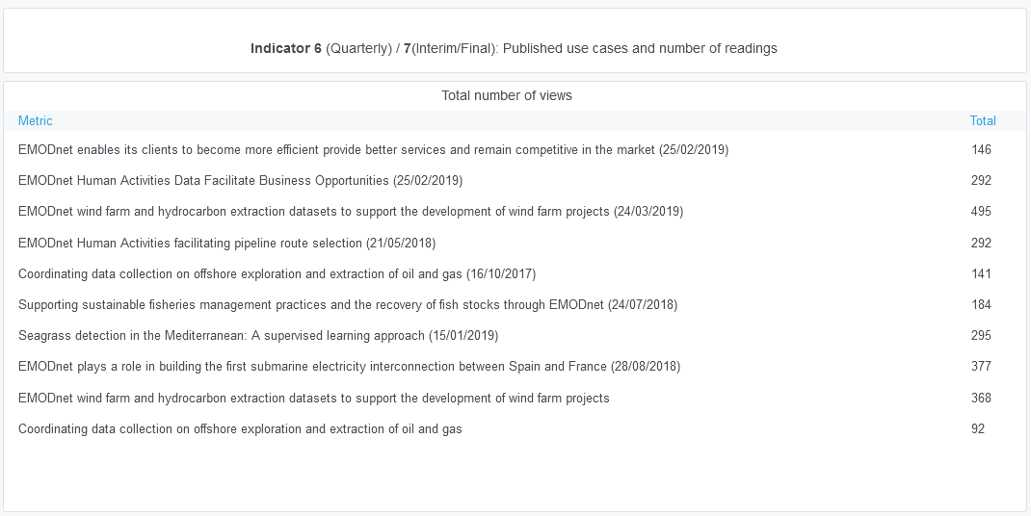

Explanation of the trends and statistics
5) Statistics on information volunteered through download forms | Business users at 35%
6) Published use cases | Nothing to report

7(Analytics)
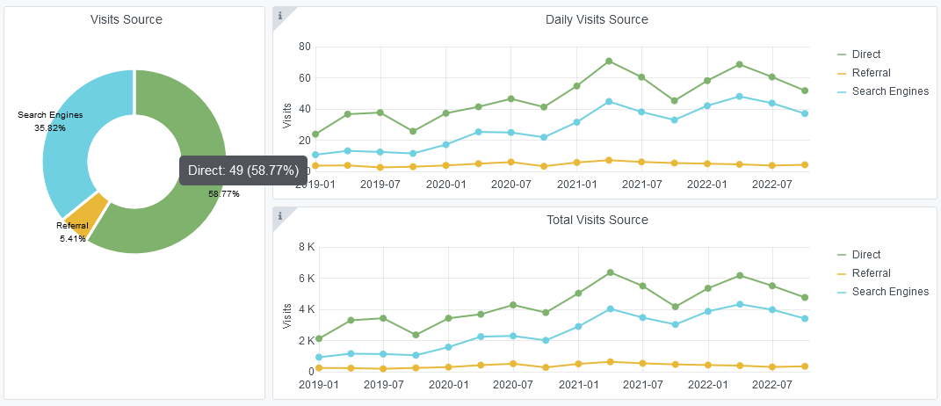
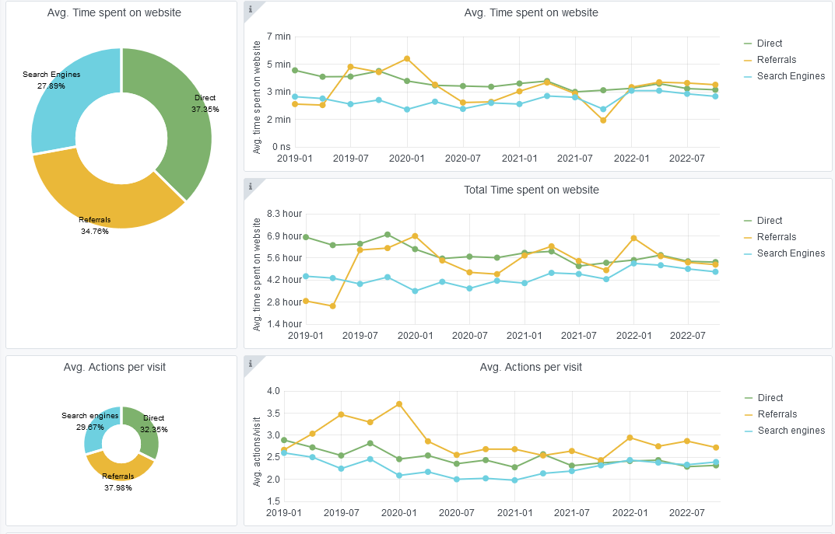
Copy-paste screenshots of the graphs of the information from dashboard
Indicator 7: Portal & Social Media visibility
7.1 Visibility & Analytics (Portal overview)
Reporting date | Portal name | Analytics tool
2022-10-01 | Human Activities | Matomo

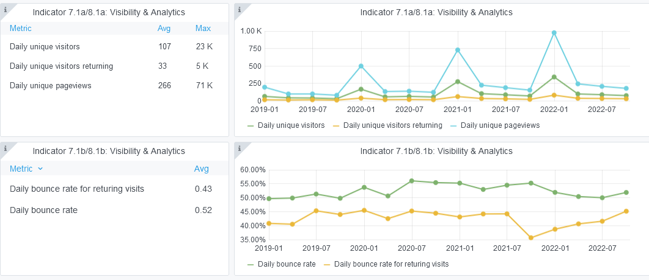

7.2 SEO assessment - Acquisitions
Reporting date | Portal name | Analytics tool
2022-10-01 | Human Activities | Matomo

9-10-11(User stats)
Copy-paste screenshots of the graphs of the information from dashboard
Please refer to "Explanation of the trends and statistics" below
Indicator 9: Visibility & Analytics for web pages
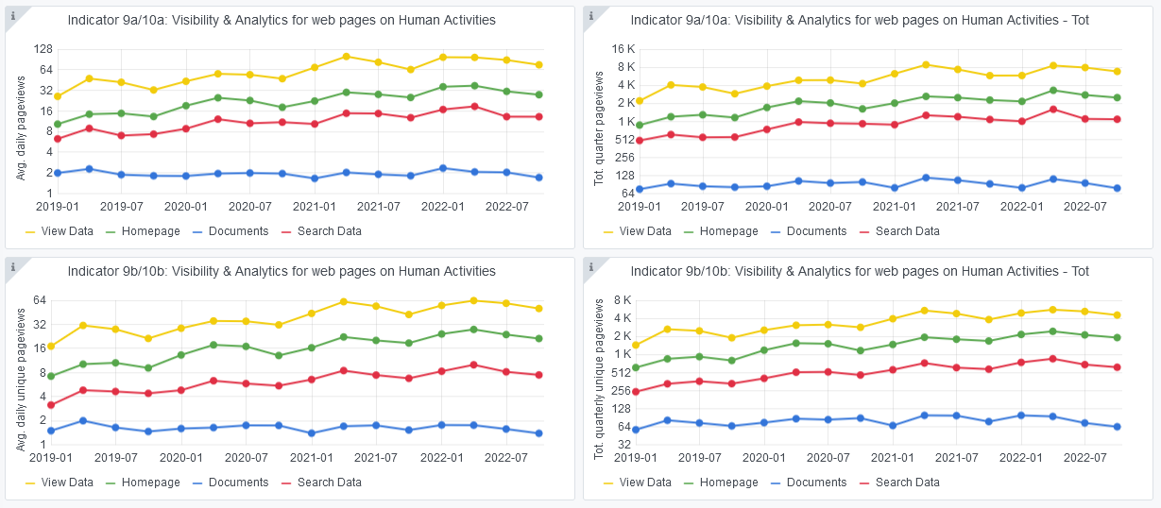

Indicator 10: Visibility & Analytics for web sections
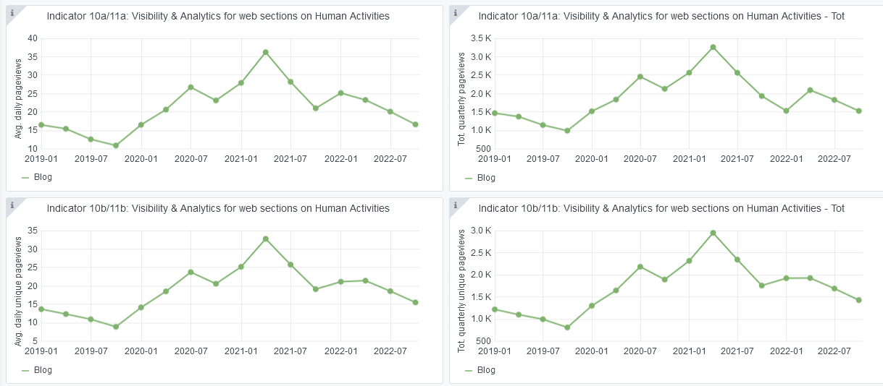

Indicator 11: Average visit duration for web pages

Explanation of the trends and statistics
9) Visibility & analytics for web pages | Nothing to report
10) Visibility & analytics for web sections | Downward trend, but this is to be expected in the summer months
11) Average visit duration for web pages | Nothing to report

