7(Analytics)
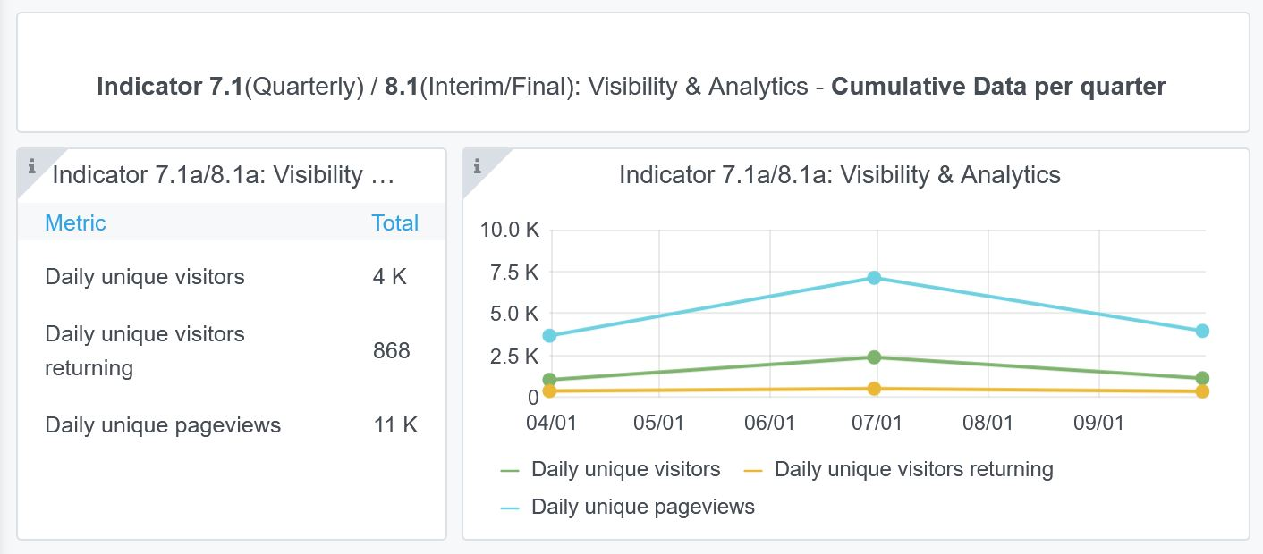
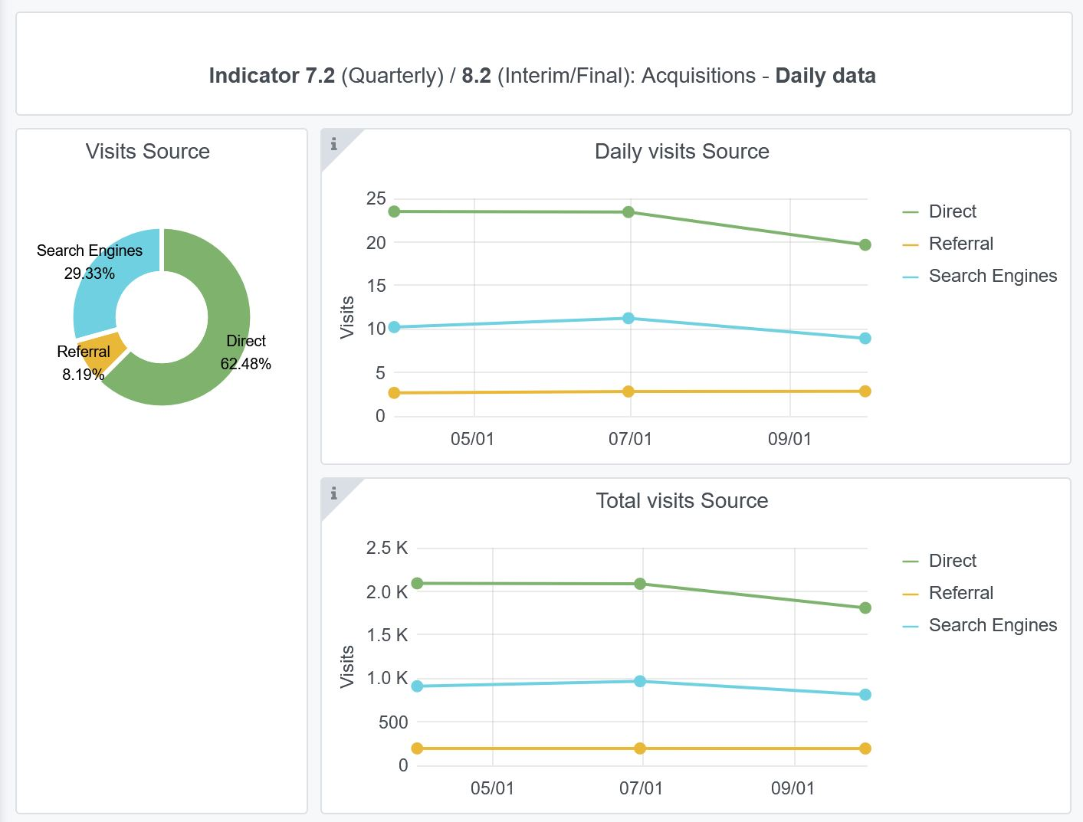
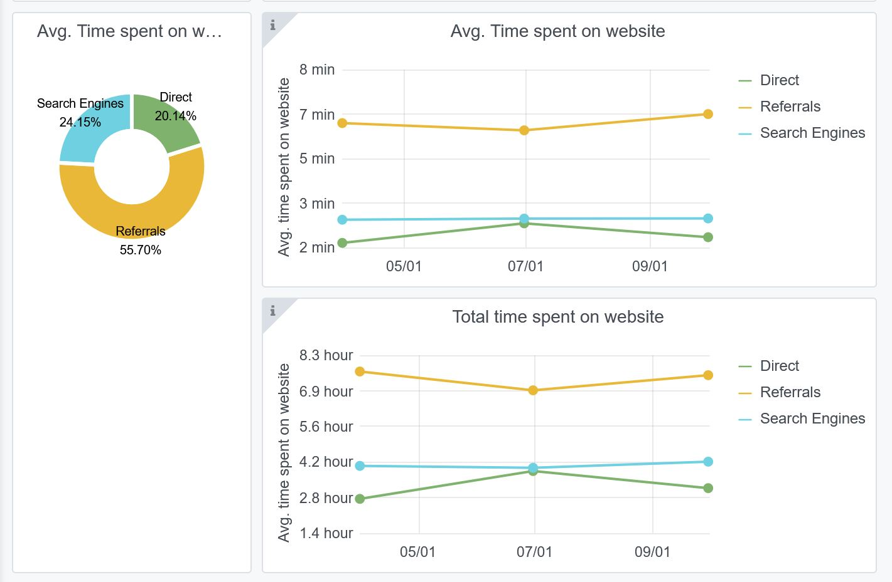
Copy-paste screenshots of the graphs of the information from dashboard
Indicator 7: Portal & Social Media visibility
7.1 Visibility & Analytics (Portal overview)
Reporting date | Portal name | Analytics tool
2022-10-01 | Ingestion | Matomo

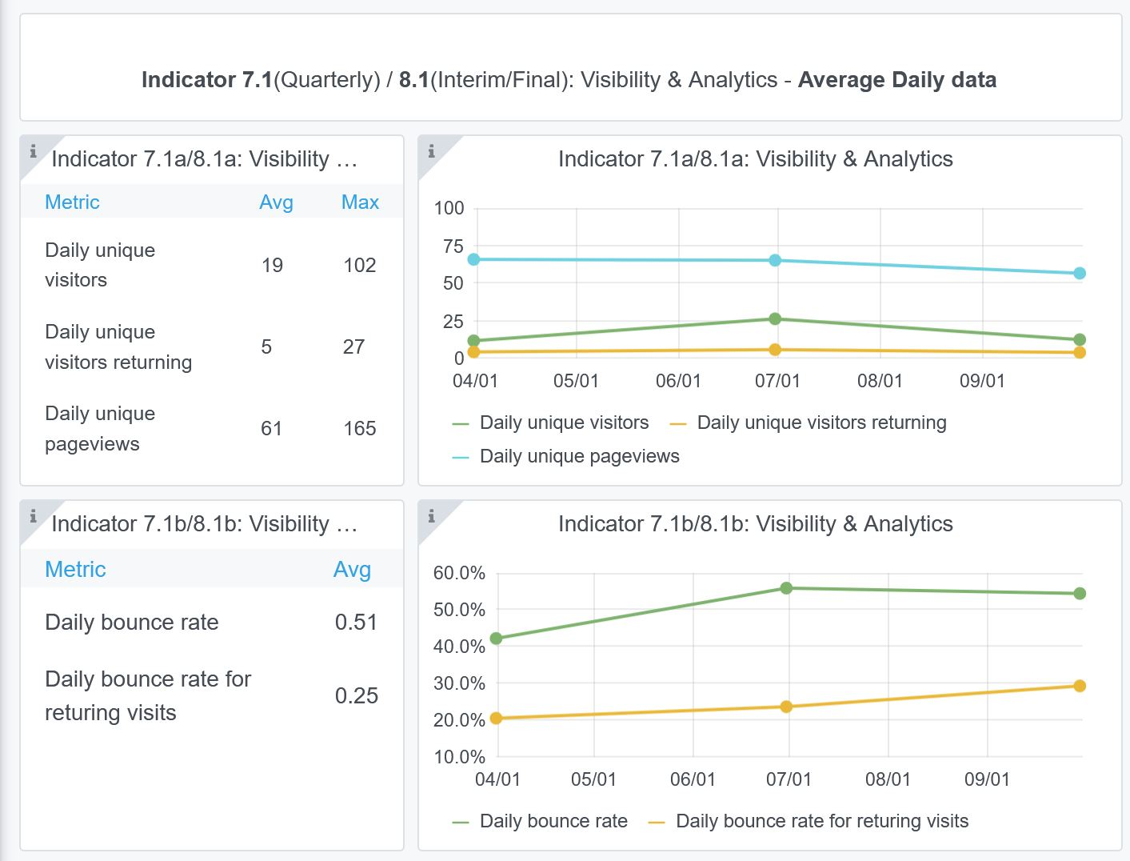

7.2 SEO assessment - Acquisitions
Reporting date | Portal name | Analytics tool
2022-10-01 | Ingestion | Matomo

9-10-11(User stats)
Copy-paste screenshots of the graphs of the information from dashboard
Please refer to "Explanation of the trends and statistics" below
Indicator 9: Visibility & Analytics for web pages
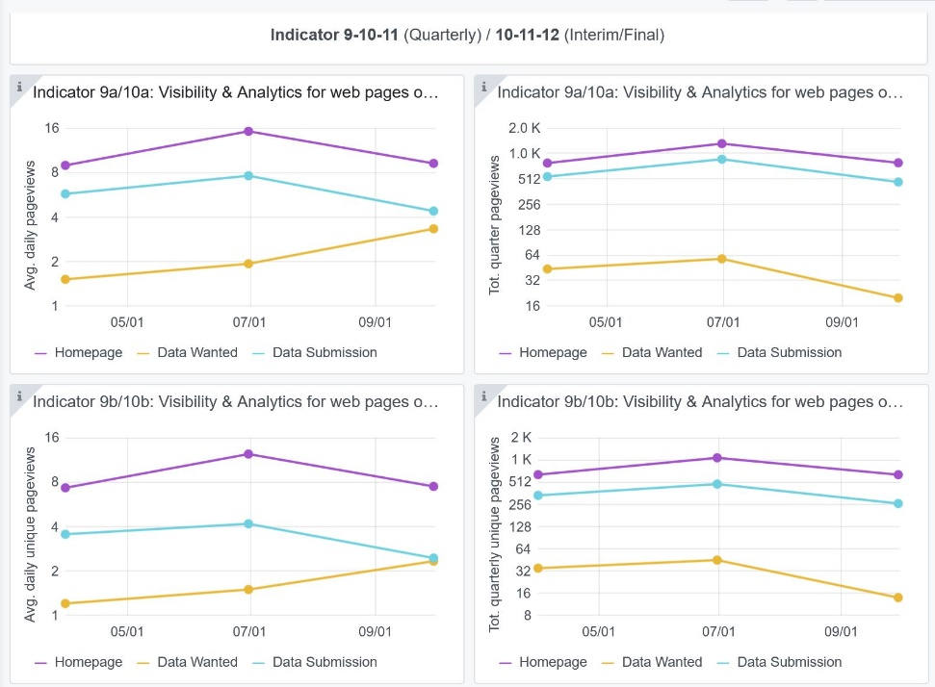

Indicator 10: Visibility & Analytics for web sections
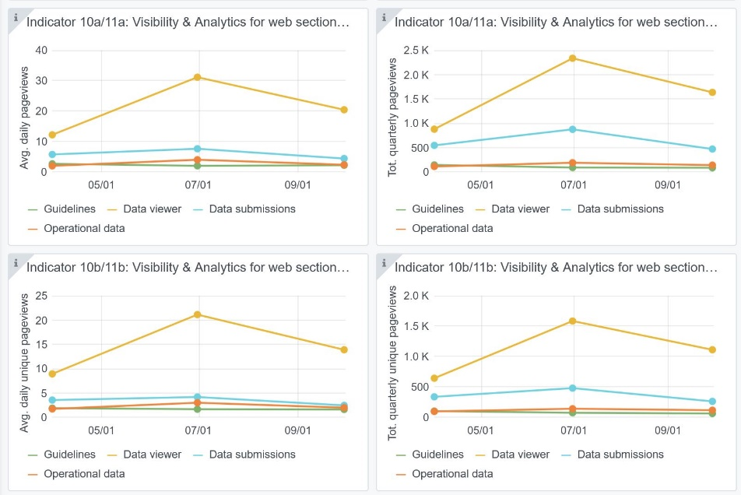

Indicator 11: Average visit duration for web pages

Explanation of the trends and statistics
9) Visibility & analytics for web pages | The number of daily page views is low, but could be expected. Most users consider the homepage and the data submission service. There is no indicator given for the data viewer service page views.
10) Visibility & analytics for web sections | These stats indicate that mose users go to the Data Viewing service and then much less to the Data Submission service and Guidance pages. | selectec
11) Average visit duration for web pages | These stats indicate the average viewing time per section which is quite low. The idea is that these pages are interesting for already really interested users, while many other just are browsing.

