5(Web traffic)
Indicator 5: Quarterly web traffic statistics
The purpose of this indicator is to provide detail on the web traffic statistics
Please refer to "Explanation of the trends and statistics"
5.1) Daily number of page views of EMODnet Thematic entry page
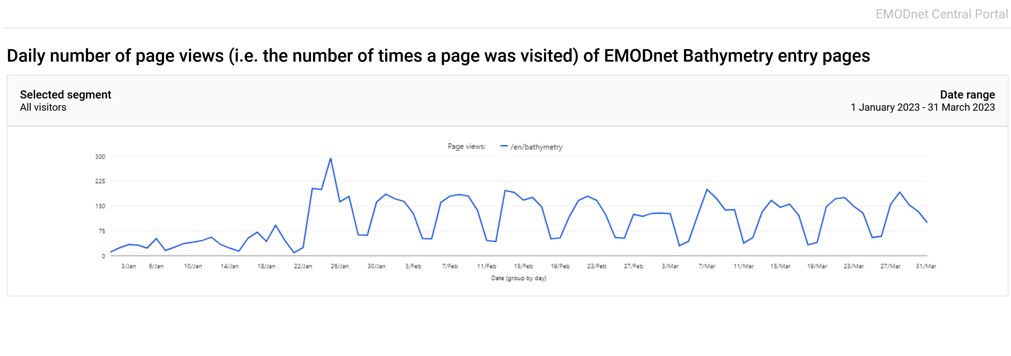
Explanation of the trends and statistics
5.1) Daily number of page views of EMODnet Thematic entry page | Daily number of page views of the Bathymetry narrative is around 200. This is the static content. Unfortunately, we cannot see how the bathymetry map layers and products are visited
Fill in this box!
Ignore this box for quarter Q1 2023
Copy-paste screenshot below of the graph of the report sent to you by the Secretariat (previous Q) |  |  |  |  |  |  |  | Copy-paste screenshot below of the graph of the report sent to you by the Secretariat (current Q)

For this quarter Q1 2023, you will no be able to calculate a trend as you will only be able to fill in "current Q"
5.2) Quarterly total number of visitors, page views, unique page views and percentage of returning visitors
Explanation of the trends and statistics
5.2) Quarterly total number of visitors, page views, unique page views and percentage of returning visitors | The quartely numbers are reasonable as the bathymety narrative is a static story. See the earlier remark under 5.1.Thev numbers are much lower than previously as thematic portal. Hopefully, the new 2022 DTM release will attract more traffic.

Page URL | Visitors (previous Q) | Visitors (current Q) | Trend visitors (%) [1] | Page views (previous Q) | Page views (current Q) | Trend page views (%) | Unique page views (previous Q) | Unique page views (current Q) | Trend unique page views (%) | % of returning visitors (previous Q) | % of returning visitors (current Q) | Trend % of returning visitors (%)
https://emodnet.ec.europa.eu/en/bathymetry | 0 | 5102 | 100.00% | 0 | 8809 | 100.00% | 0 | 6616 | 100.00% | 0% | 27.73% | 100.00%

[1] Trend is calculated from the figures at the end of the last quarter as compared with the figures at this stage.

Definitions (from Europa Analytics)
Visitors | The number of unique visitors. Every visitor is counted once, even if they visit the website many times during the day.
Page views | The number of times a page was visited.
Unique page views | The number of times a page was uniquely visited. If a visitor views a page several times during one session, it will be counted only once.
% of returning visitors | The percentage of returning visitors.

