10
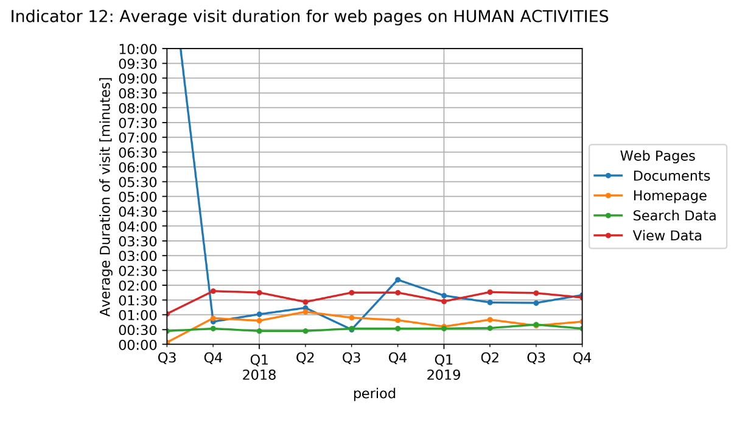
Indicator 10. Visibility & Analytics for web pages
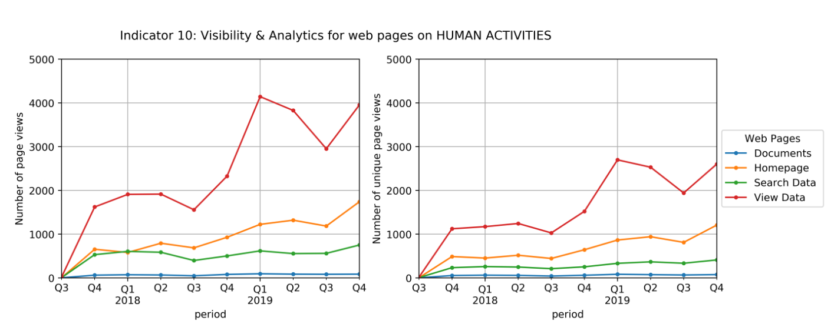

Indicator 11. Visibility & Analytics for web sections
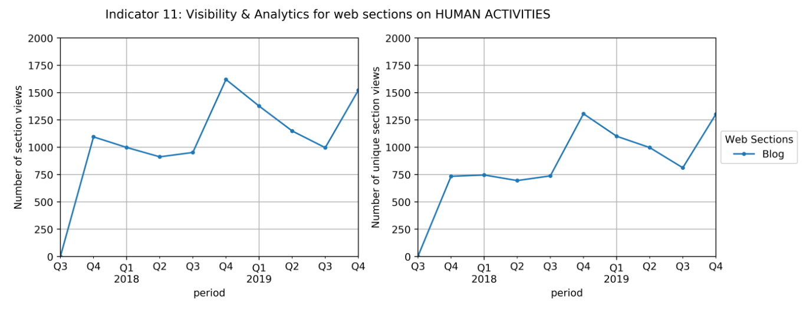

Indicator 12. Average visit duration for web pages

